TMOD3 _multivariate
Reported by Tex Li-Hsing Chi. tex@gate.sinica.edu.tw 2019-08-15

Table 2. The clinicopathological features of HNSCC cohort and TMOD3 expression. (Chi square test)
Cutoff at -0.133 (50.0%)
 |  | TMOD3 expression |  | TMOD3 expression |  | (Optimised)
 | Features | Low | (%) | High | (%) | Case no | P-value | Remark | Matthews
Gender | Female | 165 | 39.8 | 141 | 34 | 415 | 0.0081 | 1 | 0
2 | Male | 42 | 10.1 | 67 | 16.1
Age at diagnosis | <=65y | 137 | 33 | 137 | 33 | 415 | 1 | 0 | 0
4 | >65y | 70 | 16.9 | 71 | 17.1
Clinical T Status | T1+T2 | 80 | 19.3 | 69 | 16.6 | 415 | 0.2891 | 0 | 0
6 | T3+T4 | 127 | 30.6 | 139 | 33.5
Clinical N Status | N0 | 107 | 25.8 | 109 | 26.3 | 415 | 0.9624 | 0 | 0
8 | N1-3 | 100 | 24.1 | 99 | 23.9
Clinical M Status | M0 | 206 | 49.6 | 206 | 49.6 | 415 | 1 | 0 | 0
10 | M1 | 1 | 0.2 | 2 | 0.5
Clinical Stage | Stage I+II | 53 | 12.8 | 49 | 11.8 | 415 | 0.7113 | 0 | 0
12 | Stage III+IV | 154 | 37.1 | 159 | 38.3
Surgical Margin status | Negative | 161 | 38.8 | 157 | 37.8 | 415 | 0.6429 | 0 | 0
14 | Positive | 46 | 11.1 | 51 | 12.3
Tobacco Exposure | Low | 73 | 17.6 | 88 | 21.2 | 415 | 0.1587 | 0 | 0
16 | High | 134 | 32.3 | 120 | 28.9

Table 3. Univariate/Multivariate Cox's proportional hazards regression analyses on OS time of TMOD3 gene expression in HNSCC

 |  | Univariate |  |  |  | Multivariate
 | Features | HR | CI95%(L) | CI95%(H) | P-value | HR | CI95%(L) | CI95%(H) | P-value
1 | Female | 1 |  |  |  | 1
Gender | Male | 1.157 | 0.843 | 1.587 | 0.367 | 1.172 | 0.838 | 1.638 | 0.354
11 | <=65y | 1 |  |  |  | 1
Age at diagnosis | >65y | 1.329 | 0.99 | 1.784 | 0.058 | 1.411 | 1.037 | 1.921 | 0.028
12 | T1+T2 | 1 |  |  |  | 1
Clinical T Status | T3+T4 | 1.409 | 1.028 | 1.931 | 0.033 | 2.208 | 1.168 | 4.177 | 0.015
13 | N0 | 1 |  |  |  | 1
Clinical N Status | N1-3 | 1.185 | 0.89 | 1.577 | 0.246 | 1.268 | 0.887 | 1.812 | 0.193
14 | M0 | 1 |  |  |  | 1
Clinical M Status | M1 | 4.097 | 1.009 | 16.644 | 0.049 | 9.16 | 1.996 | 42.028 | 0.004
15 | Stage I+II | 1 |  |  |  | 1
Clinical Stage | Stage III+IV | 1.245 | 0.882 | 1.759 | 0.213 | 0.497 | 0.231 | 1.068 | 0.073
16 | Negative | 1 |  |  |  | 1
Surgical Margin status | Positive | 1.591 | 1.155 | 2.191 | 0.004 | 1.672 | 1.209 | 2.31 | 0.002
17 | Low | 1 |  |  |  | 1
Tobacco Exposure | High | 1.364 | 1.008 | 1.844 | 0.044 | 1.466 | 1.064 | 2.02 | 0.019
18 | Low | 1 |  |  |  | 1
RNAseq(z-score) | High | 1.177 | 0.883 | 1.568 | 0.266 | 1.213 | 0.906 | 1.625 | 0.195

Table 4. Univariate/Multivariate Cox's proportional hazards regression analyses on RFS time of TMOD3 gene expression in HNSCC

 |  | Univariate |  |  |  | Multivariate
 | Features | HR | CI95%(L) | CI95%(H) | P-value | HR | CI95%(L) | CI95%(H) | P-value
1 | Female | 1 |  |  |  | 1
Gender | Male | 1.157 | 0.843 | 1.587 | 0.367 | 1.172 | 0.838 | 1.638 | 0.354
11 | <=65y | 1 |  |  |  | 1
Age at diagnosis | >65y | 1.329 | 0.99 | 1.784 | 0.058 | 1.411 | 1.037 | 1.921 | 0.028
12 | T1+T2 | 1 |  |  |  | 1
Clinical T Status | T3+T4 | 1.409 | 1.028 | 1.931 | 0.033 | 2.208 | 1.168 | 4.177 | 0.015
13 | N0 | 1 |  |  |  | 1
Clinical N Status | N1-3 | 1.185 | 0.89 | 1.577 | 0.246 | 1.268 | 0.887 | 1.812 | 0.193
14 | M0 | 1 |  |  |  | 1
Clinical M Status | M1 | 4.097 | 1.009 | 16.644 | 0.049 | 9.16 | 1.996 | 42.028 | 0.004
15 | Stage I+II | 1 |  |  |  | 1
Clinical Stage | Stage III+IV | 1.245 | 0.882 | 1.759 | 0.213 | 0.497 | 0.231 | 1.068 | 0.073
16 | Negative | 1 |  |  |  | 1
Surgical Margin status | Positive | 1.591 | 1.155 | 2.191 | 0.004 | 1.672 | 1.209 | 2.31 | 0.002
17 | Low | 1 |  |  |  | 1
Tobacco Exposure | High | 1.364 | 1.008 | 1.844 | 0.044 | 1.466 | 1.064 | 2.02 | 0.019
18 | Low | 1 |  |  |  | 1
RNAseq(z-score) | High | 1.177 | 0.883 | 1.568 | 0.266 | 1.213 | 0.906 | 1.625 | 0.195

Kaplan-Meier survival estimate: Cutoff at -0.133 (50.0%)



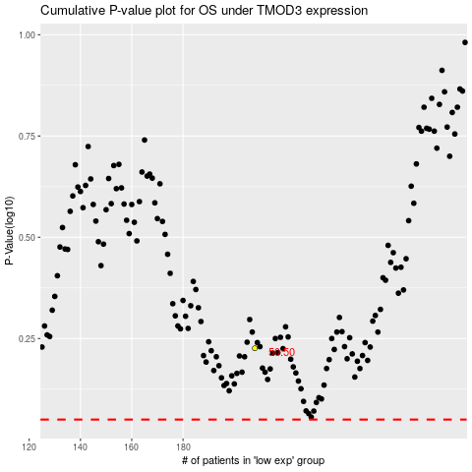

 |  |  |  |  |  | cases_OS | p_OS | rank | exp
 |  |  |  |  |  |  | cases_RFS | p_RFS | rank | exp

