TMOD4 _multivariate
Reported by Tex Li-Hsing Chi. tex@gate.sinica.edu.tw 2019-08-15

Table 2. The clinicopathological features of HNSCC cohort and TMOD4 expression. (Chi square test)
Cutoff at -0.194 (70.0%)
 |  | TMOD4 expression |  | TMOD4 expression |  | (Optimised)
 | Features | Low | (%) | High | (%) | Case no | P-value | Remark | Matthews
Gender | Female | 216 | 52 | 90 | 21.7 | 415 | 0.685 | 0 | 0
2 | Male | 74 | 17.8 | 35 | 8.4
Age at diagnosis | <=65y | 185 | 44.6 | 89 | 21.4 | 415 | 0.1774 | 0 | 0
4 | >65y | 105 | 25.3 | 36 | 8.7
Clinical T Status | T1+T2 | 88 | 21.2 | 61 | 14.7 | 415 | 5e-04 | 1 | 0
6 | T3+T4 | 202 | 48.7 | 64 | 15.4
Clinical N Status | N0 | 148 | 35.7 | 68 | 16.4 | 415 | 0.6013 | 0 | 0
8 | N1-3 | 142 | 34.2 | 57 | 13.7
Clinical M Status | M0 | 287 | 69.2 | 125 | 30.1 | 415 | 0.5571 | 0 | 0
10 | M1 | 3 | 0.7 | 0 | 0
Clinical Stage | Stage I+II | 58 | 14 | 44 | 10.6 | 415 | 0.0015 | 1 | 0
12 | Stage III+IV | 232 | 55.9 | 81 | 19.5
Surgical Margin status | Negative | 220 | 53 | 98 | 23.6 | 415 | 0.6148 | 0 | 0
14 | Positive | 70 | 16.9 | 27 | 6.5
Tobacco Exposure | Low | 111 | 26.7 | 50 | 12 | 415 | 0.7432 | 0 | 0
16 | High | 179 | 43.1 | 75 | 18.1

Table 3. Univariate/Multivariate Cox's proportional hazards regression analyses on OS time of TMOD4 gene expression in HNSCC

 |  | Univariate |  |  |  | Multivariate
 | Features | HR | CI95%(L) | CI95%(H) | P-value | HR | CI95%(L) | CI95%(H) | P-value
1 | Female | 1 |  |  |  | 1
Gender | Male | 1.157 | 0.843 | 1.587 | 0.367 | 1.188 | 0.85 | 1.66 | 0.313
11 | <=65y | 1 |  |  |  | 1
Age at diagnosis | >65y | 1.329 | 0.99 | 1.784 | 0.058 | 1.447 | 1.062 | 1.972 | 0.019
12 | T1+T2 | 1 |  |  |  | 1
Clinical T Status | T3+T4 | 1.409 | 1.028 | 1.931 | 0.033 | 2.244 | 1.186 | 4.244 | 0.013
13 | N0 | 1 |  |  |  | 1
Clinical N Status | N1-3 | 1.185 | 0.89 | 1.577 | 0.246 | 1.226 | 0.859 | 1.75 | 0.261
14 | M0 | 1 |  |  |  | 1
Clinical M Status | M1 | 4.097 | 1.009 | 16.644 | 0.049 | 10.674 | 2.319 | 49.121 | 0.002
15 | Stage I+II | 1 |  |  |  | 1
Clinical Stage | Stage III+IV | 1.245 | 0.882 | 1.759 | 0.213 | 0.529 | 0.246 | 1.137 | 0.103
16 | Negative | 1 |  |  |  | 1
Surgical Margin status | Positive | 1.591 | 1.155 | 2.191 | 0.004 | 1.643 | 1.19 | 2.269 | 0.003
17 | Low | 1 |  |  |  | 1
Tobacco Exposure | High | 1.364 | 1.008 | 1.844 | 0.044 | 1.441 | 1.047 | 1.984 | 0.025
18 | Low | 1 |  |  |  | 1
RNAseq(z-score) | High | 1.363 | 1.009 | 1.839 | 0.043 | 1.46 | 1.074 | 1.986 | 0.016

Table 4. Univariate/Multivariate Cox's proportional hazards regression analyses on RFS time of TMOD4 gene expression in HNSCC

 |  | Univariate |  |  |  | Multivariate
 | Features | HR | CI95%(L) | CI95%(H) | P-value | HR | CI95%(L) | CI95%(H) | P-value
1 | Female | 1 |  |  |  | 1
Gender | Male | 1.157 | 0.843 | 1.587 | 0.367 | 1.188 | 0.85 | 1.66 | 0.313
11 | <=65y | 1 |  |  |  | 1
Age at diagnosis | >65y | 1.329 | 0.99 | 1.784 | 0.058 | 1.447 | 1.062 | 1.972 | 0.019
12 | T1+T2 | 1 |  |  |  | 1
Clinical T Status | T3+T4 | 1.409 | 1.028 | 1.931 | 0.033 | 2.244 | 1.186 | 4.244 | 0.013
13 | N0 | 1 |  |  |  | 1
Clinical N Status | N1-3 | 1.185 | 0.89 | 1.577 | 0.246 | 1.226 | 0.859 | 1.75 | 0.261
14 | M0 | 1 |  |  |  | 1
Clinical M Status | M1 | 4.097 | 1.009 | 16.644 | 0.049 | 10.674 | 2.319 | 49.121 | 0.002
15 | Stage I+II | 1 |  |  |  | 1
Clinical Stage | Stage III+IV | 1.245 | 0.882 | 1.759 | 0.213 | 0.529 | 0.246 | 1.137 | 0.103
16 | Negative | 1 |  |  |  | 1
Surgical Margin status | Positive | 1.591 | 1.155 | 2.191 | 0.004 | 1.643 | 1.19 | 2.269 | 0.003
17 | Low | 1 |  |  |  | 1
Tobacco Exposure | High | 1.364 | 1.008 | 1.844 | 0.044 | 1.441 | 1.047 | 1.984 | 0.025
18 | Low | 1 |  |  |  | 1
RNAseq(z-score) | High | 1.363 | 1.009 | 1.839 | 0.043 | 1.46 | 1.074 | 1.986 | 0.016

Kaplan-Meier survival estimate: Cutoff at -0.194 (70.0%)



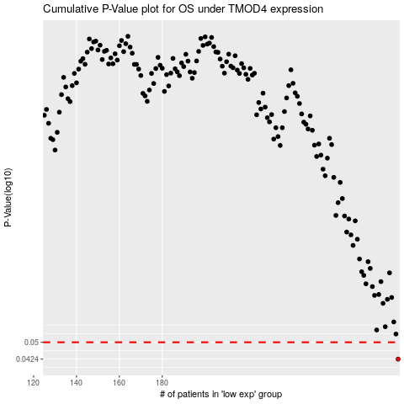

 |  |  |  |  |  | cases_OS | p_OS | rank | exp
 |  |  |  |  |  | 290 | 0.0424 | 162 | -0.19444909513
 |  |  |  |  |  |  | cases_RFS | p_RFS | rank | exp
 |  |  |  |  |  |  | 289 | 0.0424 | 192 | -0.19526735376

