TMPPE _multivariate
Reported by Tex Li-Hsing Chi. tex@gate.sinica.edu.tw 2019-08-15

Table 2. The clinicopathological features of HNSCC cohort and TMPPE expression. (Chi square test)
Cutoff at -0.061 (50.0%)
 |  | TMPPE expression |  | TMPPE expression |  | (Optimised)
 | Features | Low | (%) | High | (%) | Case no | P-value | Remark | Matthews
Gender | Female | 160 | 38.6 | 146 | 35.2 | 415 | 0.1254 | 0 | 0
2 | Male | 47 | 11.3 | 62 | 14.9
Age at diagnosis | <=65y | 136 | 32.8 | 138 | 33.3 | 415 | 0.9719 | 0 | 0
4 | >65y | 71 | 17.1 | 70 | 16.9
Clinical T Status | T1+T2 | 78 | 18.8 | 71 | 17.1 | 415 | 0.5152 | 0 | 0
6 | T3+T4 | 129 | 31.1 | 137 | 33
Clinical N Status | N0 | 116 | 28 | 100 | 24.1 | 415 | 0.1273 | 1 | 0
8 | N1-3 | 91 | 21.9 | 108 | 26
Clinical M Status | M0 | 204 | 49.2 | 208 | 50.1 | 415 | 0.1232 | 0 | 0
10 | M1 | 3 | 0.7 | 0 | 0
Clinical Stage | Stage I+II | 54 | 13 | 48 | 11.6 | 415 | 0.5498 | 0 | 0
12 | Stage III+IV | 153 | 36.9 | 160 | 38.6
Surgical Margin status | Negative | 152 | 36.6 | 166 | 40 | 415 | 0.1329 | 0 | 0
14 | Positive | 55 | 13.3 | 42 | 10.1
Tobacco Exposure | Low | 77 | 18.6 | 84 | 20.2 | 415 | 0.5459 | 0 | 0
16 | High | 130 | 31.3 | 124 | 29.9

Table 3. Univariate/Multivariate Cox's proportional hazards regression analyses on OS time of TMPPE gene expression in HNSCC

 |  | Univariate |  |  |  | Multivariate
 | Features | HR | CI95%(L) | CI95%(H) | P-value | HR | CI95%(L) | CI95%(H) | P-value
1 | Female | 1 |  |  |  | 1
Gender | Male | 1.157 | 0.843 | 1.587 | 0.367 | 1.198 | 0.857 | 1.674 | 0.29
11 | <=65y | 1 |  |  |  | 1
Age at diagnosis | >65y | 1.329 | 0.99 | 1.784 | 0.058 | 1.391 | 1.023 | 1.891 | 0.035
12 | T1+T2 | 1 |  |  |  | 1
Clinical T Status | T3+T4 | 1.409 | 1.028 | 1.931 | 0.033 | 2.201 | 1.164 | 4.162 | 0.015
13 | N0 | 1 |  |  |  | 1
Clinical N Status | N1-3 | 1.185 | 0.89 | 1.577 | 0.246 | 1.237 | 0.866 | 1.765 | 0.243
14 | M0 | 1 |  |  |  | 1
Clinical M Status | M1 | 4.097 | 1.009 | 16.644 | 0.049 | 9.646 | 2.087 | 44.585 | 0.004
15 | Stage I+II | 1 |  |  |  | 1
Clinical Stage | Stage III+IV | 1.245 | 0.882 | 1.759 | 0.213 | 0.505 | 0.235 | 1.084 | 0.08
16 | Negative | 1 |  |  |  | 1
Surgical Margin status | Positive | 1.591 | 1.155 | 2.191 | 0.004 | 1.684 | 1.215 | 2.334 | 0.002
17 | Low | 1 |  |  |  | 1
Tobacco Exposure | High | 1.364 | 1.008 | 1.844 | 0.044 | 1.458 | 1.057 | 2.009 | 0.021
18 | Low | 1 |  |  |  | 1
RNAseq(z-score) | High | 0.978 | 0.732 | 1.305 | 0.879 | 1.048 | 0.78 | 1.408 | 0.754

Table 4. Univariate/Multivariate Cox's proportional hazards regression analyses on RFS time of TMPPE gene expression in HNSCC

 |  | Univariate |  |  |  | Multivariate
 | Features | HR | CI95%(L) | CI95%(H) | P-value | HR | CI95%(L) | CI95%(H) | P-value
1 | Female | 1 |  |  |  | 1
Gender | Male | 1.157 | 0.843 | 1.587 | 0.367 | 1.198 | 0.857 | 1.674 | 0.29
11 | <=65y | 1 |  |  |  | 1
Age at diagnosis | >65y | 1.329 | 0.99 | 1.784 | 0.058 | 1.391 | 1.023 | 1.891 | 0.035
12 | T1+T2 | 1 |  |  |  | 1
Clinical T Status | T3+T4 | 1.409 | 1.028 | 1.931 | 0.033 | 2.201 | 1.164 | 4.162 | 0.015
13 | N0 | 1 |  |  |  | 1
Clinical N Status | N1-3 | 1.185 | 0.89 | 1.577 | 0.246 | 1.237 | 0.866 | 1.765 | 0.243
14 | M0 | 1 |  |  |  | 1
Clinical M Status | M1 | 4.097 | 1.009 | 16.644 | 0.049 | 9.646 | 2.087 | 44.585 | 0.004
15 | Stage I+II | 1 |  |  |  | 1
Clinical Stage | Stage III+IV | 1.245 | 0.882 | 1.759 | 0.213 | 0.505 | 0.235 | 1.084 | 0.08
16 | Negative | 1 |  |  |  | 1
Surgical Margin status | Positive | 1.591 | 1.155 | 2.191 | 0.004 | 1.684 | 1.215 | 2.334 | 0.002
17 | Low | 1 |  |  |  | 1
Tobacco Exposure | High | 1.364 | 1.008 | 1.844 | 0.044 | 1.458 | 1.057 | 2.009 | 0.021
18 | Low | 1 |  |  |  | 1
RNAseq(z-score) | High | 0.978 | 0.732 | 1.305 | 0.879 | 1.048 | 0.78 | 1.408 | 0.754

Kaplan-Meier survival estimate: Cutoff at -0.061 (50.0%)



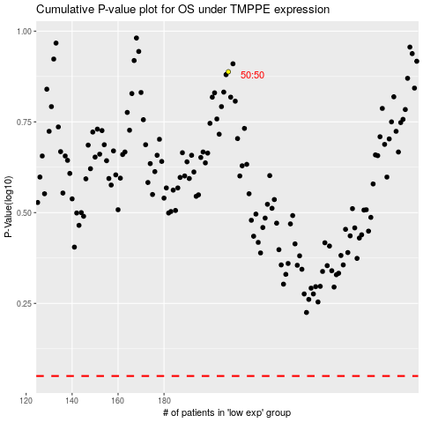

 |  |  |  |  |  | cases_OS | p_OS | rank | exp
 |  |  |  |  |  |  | cases_RFS | p_RFS | rank | exp

