TMPRSS13 _multivariate
Reported by Tex Li-Hsing Chi. tex@gate.sinica.edu.tw 2019-08-15

Table 2. The clinicopathological features of HNSCC cohort and TMPRSS13 expression. (Chi square test)
Cutoff at -0.315 (50.0%)
 |  | TMPRSS13 expression |  | TMPRSS13 expression |  | (Optimised)
 | Features | Low | (%) | High | (%) | Case no | P-value | Remark | Matthews
Gender | Female | 157 | 37.8 | 149 | 35.9 | 415 | 0.3881 | 0 | 0
2 | Male | 50 | 12 | 59 | 14.2
Age at diagnosis | <=65y | 142 | 34.2 | 132 | 31.8 | 415 | 0.3167 | 0 | 0
4 | >65y | 65 | 15.7 | 76 | 18.3
Clinical T Status | T1+T2 | 79 | 19 | 70 | 16.9 | 415 | 0.3924 | 0 | 0
6 | T3+T4 | 128 | 30.8 | 138 | 33.3
Clinical N Status | N0 | 94 | 22.7 | 122 | 29.4 | 415 | 0.0093 | 1 | 0
8 | N1-3 | 113 | 27.2 | 86 | 20.7
Clinical M Status | M0 | 206 | 49.6 | 206 | 49.6 | 415 | 1 | 0 | 0
10 | M1 | 1 | 0.2 | 2 | 0.5
Clinical Stage | Stage I+II | 47 | 11.3 | 55 | 13.3 | 415 | 0.4413 | 0 | 0
12 | Stage III+IV | 160 | 38.6 | 153 | 36.9
Surgical Margin status | Negative | 159 | 38.3 | 159 | 38.3 | 415 | 1 | 0 | 0
14 | Positive | 48 | 11.6 | 49 | 11.8
Tobacco Exposure | Low | 68 | 16.4 | 93 | 22.4 | 415 | 0.0156 | 1 | 0
16 | High | 139 | 33.5 | 115 | 27.7

Table 3. Univariate/Multivariate Cox's proportional hazards regression analyses on OS time of TMPRSS13 gene expression in HNSCC

 |  | Univariate |  |  |  | Multivariate
 | Features | HR | CI95%(L) | CI95%(H) | P-value | HR | CI95%(L) | CI95%(H) | P-value
1 | Female | 1 |  |  |  | 1
Gender | Male | 1.157 | 0.843 | 1.587 | 0.367 | 1.2 | 0.859 | 1.678 | 0.285
11 | <=65y | 1 |  |  |  | 1
Age at diagnosis | >65y | 1.329 | 0.99 | 1.784 | 0.058 | 1.39 | 1.023 | 1.89 | 0.036
12 | T1+T2 | 1 |  |  |  | 1
Clinical T Status | T3+T4 | 1.409 | 1.028 | 1.931 | 0.033 | 2.193 | 1.157 | 4.156 | 0.016
13 | N0 | 1 |  |  |  | 1
Clinical N Status | N1-3 | 1.185 | 0.89 | 1.577 | 0.246 | 1.244 | 0.871 | 1.779 | 0.23
14 | M0 | 1 |  |  |  | 1
Clinical M Status | M1 | 4.097 | 1.009 | 16.644 | 0.049 | 9.288 | 2.009 | 42.938 | 0.004
15 | Stage I+II | 1 |  |  |  | 1
Clinical Stage | Stage III+IV | 1.245 | 0.882 | 1.759 | 0.213 | 0.507 | 0.236 | 1.09 | 0.082
16 | Negative | 1 |  |  |  | 1
Surgical Margin status | Positive | 1.591 | 1.155 | 2.191 | 0.004 | 1.669 | 1.208 | 2.308 | 0.002
17 | Low | 1 |  |  |  | 1
Tobacco Exposure | High | 1.364 | 1.008 | 1.844 | 0.044 | 1.458 | 1.055 | 2.015 | 0.022
18 | Low | 1 |  |  |  | 1
RNAseq(z-score) | High | 1.043 | 0.782 | 1.389 | 0.776 | 1.024 | 0.761 | 1.378 | 0.877

Table 4. Univariate/Multivariate Cox's proportional hazards regression analyses on RFS time of TMPRSS13 gene expression in HNSCC

 |  | Univariate |  |  |  | Multivariate
 | Features | HR | CI95%(L) | CI95%(H) | P-value | HR | CI95%(L) | CI95%(H) | P-value
1 | Female | 1 |  |  |  | 1
Gender | Male | 1.157 | 0.843 | 1.587 | 0.367 | 1.2 | 0.859 | 1.678 | 0.285
11 | <=65y | 1 |  |  |  | 1
Age at diagnosis | >65y | 1.329 | 0.99 | 1.784 | 0.058 | 1.39 | 1.023 | 1.89 | 0.036
12 | T1+T2 | 1 |  |  |  | 1
Clinical T Status | T3+T4 | 1.409 | 1.028 | 1.931 | 0.033 | 2.193 | 1.157 | 4.156 | 0.016
13 | N0 | 1 |  |  |  | 1
Clinical N Status | N1-3 | 1.185 | 0.89 | 1.577 | 0.246 | 1.244 | 0.871 | 1.779 | 0.23
14 | M0 | 1 |  |  |  | 1
Clinical M Status | M1 | 4.097 | 1.009 | 16.644 | 0.049 | 9.288 | 2.009 | 42.938 | 0.004
15 | Stage I+II | 1 |  |  |  | 1
Clinical Stage | Stage III+IV | 1.245 | 0.882 | 1.759 | 0.213 | 0.507 | 0.236 | 1.09 | 0.082
16 | Negative | 1 |  |  |  | 1
Surgical Margin status | Positive | 1.591 | 1.155 | 2.191 | 0.004 | 1.669 | 1.208 | 2.308 | 0.002
17 | Low | 1 |  |  |  | 1
Tobacco Exposure | High | 1.364 | 1.008 | 1.844 | 0.044 | 1.458 | 1.055 | 2.015 | 0.022
18 | Low | 1 |  |  |  | 1
RNAseq(z-score) | High | 1.043 | 0.782 | 1.389 | 0.776 | 1.024 | 0.761 | 1.378 | 0.877

Kaplan-Meier survival estimate: Cutoff at -0.315 (50.0%)



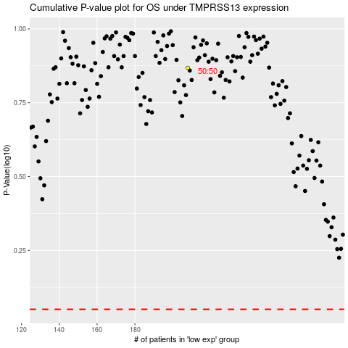

 |  |  |  |  |  | cases_OS | p_OS | rank | exp
 |  |  |  |  |  |  | cases_RFS | p_RFS | rank | exp

