TMPRSS3 _multivariate
Reported by Tex Li-Hsing Chi. tex@gate.sinica.edu.tw 2019-08-15

Table 2. The clinicopathological features of HNSCC cohort and TMPRSS3 expression. (Chi square test)
Cutoff at -0.301 (49.8%)
 |  | TMPRSS3 expression |  | TMPRSS3 expression |  | (Optimised)
 | Features | Low | (%) | High | (%) | Case no | P-value | Remark | Matthews
Gender | Female | 153 | 36.9 | 153 | 36.9 | 415 | 1 | 0 | 0
2 | Male | 54 | 13 | 55 | 13.3
Age at diagnosis | <=65y | 145 | 34.9 | 129 | 31.1 | 415 | 0.1046 | 0 | 0
4 | >65y | 62 | 14.9 | 79 | 19
Clinical T Status | T1+T2 | 63 | 15.2 | 86 | 20.7 | 415 | 0.0268 | 1 | 0
6 | T3+T4 | 144 | 34.7 | 122 | 29.4
Clinical N Status | N0 | 105 | 25.3 | 111 | 26.7 | 415 | 0.6598 | 0 | 0
8 | N1-3 | 102 | 24.6 | 97 | 23.4
Clinical M Status | M0 | 206 | 49.6 | 206 | 49.6 | 415 | 1 | 0 | 0
10 | M1 | 1 | 0.2 | 2 | 0.5
Clinical Stage | Stage I+II | 46 | 11.1 | 56 | 13.5 | 415 | 0.3182 | 0 | 0
12 | Stage III+IV | 161 | 38.8 | 152 | 36.6
Surgical Margin status | Negative | 162 | 39 | 156 | 37.6 | 415 | 0.4867 | 0 | 0
14 | Positive | 45 | 10.8 | 52 | 12.5
Tobacco Exposure | Low | 74 | 17.8 | 87 | 21 | 415 | 0.227 | 0 | 0
16 | High | 133 | 32 | 121 | 29.2

Table 3. Univariate/Multivariate Cox's proportional hazards regression analyses on OS time of TMPRSS3 gene expression in HNSCC

 |  | Univariate |  |  |  | Multivariate
 | Features | HR | CI95%(L) | CI95%(H) | P-value | HR | CI95%(L) | CI95%(H) | P-value
1 | Female | 1 |  |  |  | 1
Gender | Male | 1.157 | 0.843 | 1.587 | 0.367 | 1.194 | 0.855 | 1.669 | 0.298
11 | <=65y | 1 |  |  |  | 1
Age at diagnosis | >65y | 1.329 | 0.99 | 1.784 | 0.058 | 1.436 | 1.053 | 1.957 | 0.022
12 | T1+T2 | 1 |  |  |  | 1
Clinical T Status | T3+T4 | 1.409 | 1.028 | 1.931 | 0.033 | 2.142 | 1.131 | 4.055 | 0.019
13 | N0 | 1 |  |  |  | 1
Clinical N Status | N1-3 | 1.185 | 0.89 | 1.577 | 0.246 | 1.247 | 0.874 | 1.78 | 0.223
14 | M0 | 1 |  |  |  | 1
Clinical M Status | M1 | 4.097 | 1.009 | 16.644 | 0.049 | 9.423 | 2.054 | 43.222 | 0.004
15 | Stage I+II | 1 |  |  |  | 1
Clinical Stage | Stage III+IV | 1.245 | 0.882 | 1.759 | 0.213 | 0.504 | 0.235 | 1.081 | 0.078
16 | Negative | 1 |  |  |  | 1
Surgical Margin status | Positive | 1.591 | 1.155 | 2.191 | 0.004 | 1.711 | 1.236 | 2.37 | 0.001
17 | Low | 1 |  |  |  | 1
Tobacco Exposure | High | 1.364 | 1.008 | 1.844 | 0.044 | 1.452 | 1.054 | 2.001 | 0.023
18 | Low | 1 |  |  |  | 1
RNAseq(z-score) | High | 0.849 | 0.637 | 1.131 | 0.263 | 0.816 | 0.608 | 1.096 | 0.177

Table 4. Univariate/Multivariate Cox's proportional hazards regression analyses on RFS time of TMPRSS3 gene expression in HNSCC

 |  | Univariate |  |  |  | Multivariate
 | Features | HR | CI95%(L) | CI95%(H) | P-value | HR | CI95%(L) | CI95%(H) | P-value
1 | Female | 1 |  |  |  | 1
Gender | Male | 1.157 | 0.843 | 1.587 | 0.367 | 1.194 | 0.855 | 1.669 | 0.298
11 | <=65y | 1 |  |  |  | 1
Age at diagnosis | >65y | 1.329 | 0.99 | 1.784 | 0.058 | 1.436 | 1.053 | 1.957 | 0.022
12 | T1+T2 | 1 |  |  |  | 1
Clinical T Status | T3+T4 | 1.409 | 1.028 | 1.931 | 0.033 | 2.142 | 1.131 | 4.055 | 0.019
13 | N0 | 1 |  |  |  | 1
Clinical N Status | N1-3 | 1.185 | 0.89 | 1.577 | 0.246 | 1.247 | 0.874 | 1.78 | 0.223
14 | M0 | 1 |  |  |  | 1
Clinical M Status | M1 | 4.097 | 1.009 | 16.644 | 0.049 | 9.423 | 2.054 | 43.222 | 0.004
15 | Stage I+II | 1 |  |  |  | 1
Clinical Stage | Stage III+IV | 1.245 | 0.882 | 1.759 | 0.213 | 0.504 | 0.235 | 1.081 | 0.078
16 | Negative | 1 |  |  |  | 1
Surgical Margin status | Positive | 1.591 | 1.155 | 2.191 | 0.004 | 1.711 | 1.236 | 2.37 | 0.001
17 | Low | 1 |  |  |  | 1
Tobacco Exposure | High | 1.364 | 1.008 | 1.844 | 0.044 | 1.452 | 1.054 | 2.001 | 0.023
18 | Low | 1 |  |  |  | 1
RNAseq(z-score) | High | 0.849 | 0.637 | 1.131 | 0.263 | 0.816 | 0.608 | 1.096 | 0.177

Kaplan-Meier survival estimate: Cutoff at -0.301 (49.8%)



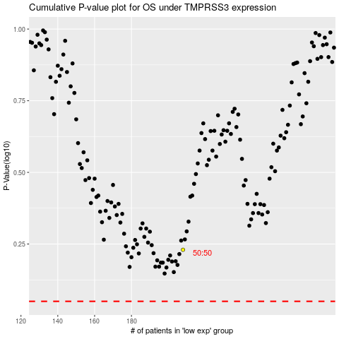

 |  |  |  |  |  | cases_OS | p_OS | rank | exp
 |  |  |  |  |  |  | cases_RFS | p_RFS | rank | exp

