TMPRSS4 _multivariate
Reported by Tex Li-Hsing Chi. tex@gate.sinica.edu.tw 2019-08-15

Table 2. The clinicopathological features of HNSCC cohort and TMPRSS4 expression. (Chi square test)
Cutoff at -0.584 (34.5%)
 |  | TMPRSS4 expression |  | TMPRSS4 expression |  | (Optimised)
 | Features | Low | (%) | High | (%) | Case no | P-value | Remark | Matthews
Gender | Female | 99 | 23.9 | 207 | 49.9 | 415 | 0.1632 | 0 | 0
2 | Male | 44 | 10.6 | 65 | 15.7
Age at diagnosis | <=65y | 97 | 23.4 | 177 | 42.7 | 415 | 0.6492 | 0 | 0
4 | >65y | 46 | 11.1 | 95 | 22.9
Clinical T Status | T1+T2 | 57 | 13.7 | 92 | 22.2 | 415 | 0.2667 | 0 | 0
6 | T3+T4 | 86 | 20.7 | 180 | 43.4
Clinical N Status | N0 | 68 | 16.4 | 148 | 35.7 | 415 | 0.2203 | 0 | 0
8 | N1-3 | 75 | 18.1 | 124 | 29.9
Clinical M Status | M0 | 142 | 34.2 | 270 | 65.1 | 415 | 1 | 0 | 0
10 | M1 | 1 | 0.2 | 2 | 0.5
Clinical Stage | Stage I+II | 39 | 9.4 | 63 | 15.2 | 415 | 0.4212 | 0 | 0
12 | Stage III+IV | 104 | 25.1 | 209 | 50.4
Surgical Margin status | Negative | 107 | 25.8 | 211 | 50.8 | 415 | 0.5433 | 0 | 0
14 | Positive | 36 | 8.7 | 61 | 14.7
Tobacco Exposure | Low | 68 | 16.4 | 93 | 22.4 | 415 | 0.0108 | 1 | 0
16 | High | 75 | 18.1 | 179 | 43.1

Table 3. Univariate/Multivariate Cox's proportional hazards regression analyses on OS time of TMPRSS4 gene expression in HNSCC

 |  | Univariate |  |  |  | Multivariate
 | Features | HR | CI95%(L) | CI95%(H) | P-value | HR | CI95%(L) | CI95%(H) | P-value
1 | Female | 1 |  |  |  | 1
Gender | Male | 1.157 | 0.843 | 1.587 | 0.367 | 1.181 | 0.844 | 1.651 | 0.332
11 | <=65y | 1 |  |  |  | 1
Age at diagnosis | >65y | 1.329 | 0.99 | 1.784 | 0.058 | 1.43 | 1.051 | 1.948 | 0.023
12 | T1+T2 | 1 |  |  |  | 1
Clinical T Status | T3+T4 | 1.409 | 1.028 | 1.931 | 0.033 | 2.095 | 1.108 | 3.963 | 0.023
13 | N0 | 1 |  |  |  | 1
Clinical N Status | N1-3 | 1.185 | 0.89 | 1.577 | 0.246 | 1.199 | 0.84 | 1.714 | 0.318
14 | M0 | 1 |  |  |  | 1
Clinical M Status | M1 | 4.097 | 1.009 | 16.644 | 0.049 | 8.766 | 1.912 | 40.201 | 0.005
15 | Stage I+II | 1 |  |  |  | 1
Clinical Stage | Stage III+IV | 1.245 | 0.882 | 1.759 | 0.213 | 0.57 | 0.264 | 1.232 | 0.153
16 | Negative | 1 |  |  |  | 1
Surgical Margin status | Positive | 1.591 | 1.155 | 2.191 | 0.004 | 1.582 | 1.143 | 2.188 | 0.006
17 | Low | 1 |  |  |  | 1
Tobacco Exposure | High | 1.364 | 1.008 | 1.844 | 0.044 | 1.556 | 1.125 | 2.152 | 0.008
18 | Low | 1 |  |  |  | 1
RNAseq(z-score) | High | 0.667 | 0.497 | 0.896 | 0.007 | 0.644 | 0.474 | 0.874 | 0.005

Table 4. Univariate/Multivariate Cox's proportional hazards regression analyses on RFS time of TMPRSS4 gene expression in HNSCC

 |  | Univariate |  |  |  | Multivariate
 | Features | HR | CI95%(L) | CI95%(H) | P-value | HR | CI95%(L) | CI95%(H) | P-value
1 | Female | 1 |  |  |  | 1
Gender | Male | 1.157 | 0.843 | 1.587 | 0.367 | 1.181 | 0.844 | 1.651 | 0.332
11 | <=65y | 1 |  |  |  | 1
Age at diagnosis | >65y | 1.329 | 0.99 | 1.784 | 0.058 | 1.43 | 1.051 | 1.948 | 0.023
12 | T1+T2 | 1 |  |  |  | 1
Clinical T Status | T3+T4 | 1.409 | 1.028 | 1.931 | 0.033 | 2.095 | 1.108 | 3.963 | 0.023
13 | N0 | 1 |  |  |  | 1
Clinical N Status | N1-3 | 1.185 | 0.89 | 1.577 | 0.246 | 1.199 | 0.84 | 1.714 | 0.318
14 | M0 | 1 |  |  |  | 1
Clinical M Status | M1 | 4.097 | 1.009 | 16.644 | 0.049 | 8.766 | 1.912 | 40.201 | 0.005
15 | Stage I+II | 1 |  |  |  | 1
Clinical Stage | Stage III+IV | 1.245 | 0.882 | 1.759 | 0.213 | 0.57 | 0.264 | 1.232 | 0.153
16 | Negative | 1 |  |  |  | 1
Surgical Margin status | Positive | 1.591 | 1.155 | 2.191 | 0.004 | 1.582 | 1.143 | 2.188 | 0.006
17 | Low | 1 |  |  |  | 1
Tobacco Exposure | High | 1.364 | 1.008 | 1.844 | 0.044 | 1.556 | 1.125 | 2.152 | 0.008
18 | Low | 1 |  |  |  | 1
RNAseq(z-score) | High | 0.667 | 0.497 | 0.896 | 0.007 | 0.644 | 0.474 | 0.874 | 0.005

Kaplan-Meier survival estimate: Cutoff at -0.584 (34.5%)

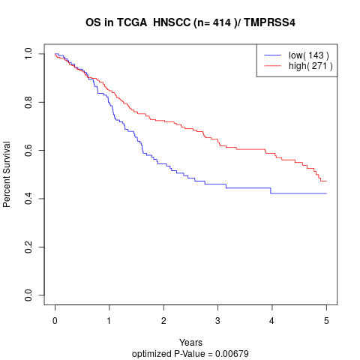

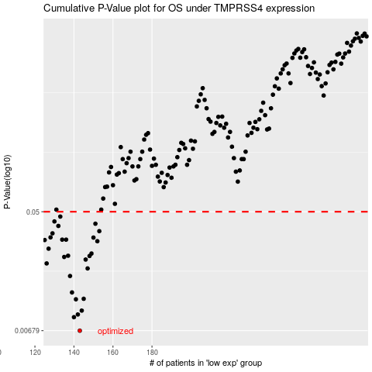

 |  |  |  |  |  | cases_OS | p_OS | rank | exp
 |  |  |  |  |  | 143 | 0.00679 | 40 | -0.584046165
 |  |  |  |  |  | 140 | 0.00852 | 132 | -0.59431196141
 |  |  |  |  |  | 142 | 0.00891 | 107 | -0.5894394634
 |  |  |  |  |  | 144 | 0.00951 | 293 | -0.57695352649
 |  |  |  |  |  | 141 | 0.0115 | 411 | -0.59337083717
 |  |  |  |  |  | 145 | 0.0116 | 177 | -0.57387208375
 |  |  |  |  |  | 139 | 0.0129 | 213 | -0.59711725205
 |  |  |  |  |  | 138 | 0.017 | 369 | -0.60363010912
 |  |  |  |  |  | 147 | 0.0193 | 357 | -0.5672778388
 |  |  |  |  |  | 126 | 0.021 | 350 | -0.66316838029
 |  |  |  |  |  | 146 | 0.0224 | 142 | -0.57303505249
 |  |  |  |  |  | 135 | 0.0234 | 189 | -0.61777060977
 |  |  |  |  |  | 148 | 0.0238 | 20 | -0.5663715365
 |  |  |  |  |  | 137 | 0.0239 | 67 | -0.61644226864
 |  |  |  |  |  | 149 | 0.0248 | 75 | -0.56584234752
 |  |  |  |  |  | 127 | 0.0269 | 311 | -0.65914890778
 |  |  |  |  |  | 152 | 0.0305 | 316 | -0.55702020728
 |  |  |  |  |  | 125 | 0.0311 | 239 | -0.66675149745
 |  |  |  |  |  | 136 | 0.0313 | 86 | -0.61711973045
 |  |  |  |  |  | 134 | 0.0313 | 284 | -0.6199052986
 |  |  |  |  |  | 150 | 0.0324 | 365 | -0.5623929257
 |  |  |  |  |  | 128 | 0.0325 | 298 | -0.64280974138
 |  |  |  |  |  | 129 | 0.0348 | 314 | -0.63904841347
 |  |  |  |  |  | 153 | 0.0361 | 35 | -0.55408714923
 |  |  |  |  |  | 132 | 0.0394 | 294 | -0.62888633721
 |  |  |  |  |  | 151 | 0.0409 | 58 | -0.55749500097
 |  |  |  |  |  | 130 | 0.0425 | 167 | -0.6371738825
 |  |  |  |  |  | 133 | 0.0461 | 241 | -0.62544269419
 |  |  |  |  |  |  | cases_RFS | p_RFS | rank | exp
 |  |  |  |  |  |  | 142 | 0.00679 | 107 | -0.5894394634
 |  |  |  |  |  |  | 139 | 0.00852 | 213 | -0.59711725205
 |  |  |  |  |  |  | 141 | 0.00891 | 411 | -0.59337083717
 |  |  |  |  |  |  | 143 | 0.00951 | 40 | -0.584046165
 |  |  |  |  |  |  | 140 | 0.0115 | 132 | -0.59431196141
 |  |  |  |  |  |  | 144 | 0.0116 | 293 | -0.57695352649
 |  |  |  |  |  |  | 138 | 0.0129 | 369 | -0.60363010912
 |  |  |  |  |  |  | 137 | 0.017 | 67 | -0.61644226864
 |  |  |  |  |  |  | 146 | 0.0193 | 142 | -0.57303505249
 |  |  |  |  |  |  | 125 | 0.021 | 239 | -0.66675149745
 |  |  |  |  |  |  | 145 | 0.0224 | 177 | -0.57387208375
 |  |  |  |  |  |  | 134 | 0.0234 | 284 | -0.6199052986
 |  |  |  |  |  |  | 147 | 0.0238 | 357 | -0.5672778388
 |  |  |  |  |  |  | 136 | 0.0239 | 86 | -0.61711973045
 |  |  |  |  |  |  | 148 | 0.0248 | 20 | -0.5663715365
 |  |  |  |  |  |  | 126 | 0.0269 | 350 | -0.66316838029
 |  |  |  |  |  |  | 151 | 0.0305 | 58 | -0.55749500097
 |  |  |  |  |  |  |  | 0.0311 | 404 | -0.67201333747
 |  |  |  |  |  |  | 135 | 0.0313 | 189 | -0.61777060977
 |  |  |  |  |  |  | 133 | 0.0313 | 241 | -0.62544269419
 |  |  |  |  |  |  | 149 | 0.0324 | 75 | -0.56584234752
 |  |  |  |  |  |  | 127 | 0.0325 | 311 | -0.65914890778
 |  |  |  |  |  |  | 128 | 0.0348 | 298 | -0.64280974138
 |  |  |  |  |  |  | 152 | 0.0361 | 316 | -0.55702020728
 |  |  |  |  |  |  | 131 | 0.0394 | 1 | -0.63350098887
 |  |  |  |  |  |  | 150 | 0.0409 | 365 | -0.5623929257
 |  |  |  |  |  |  | 129 | 0.0425 | 314 | -0.63904841347
 |  |  |  |  |  |  | 132 | 0.0461 | 294 | -0.62888633721

