TMPRSS5 _multivariate
Reported by Tex Li-Hsing Chi. tex@gate.sinica.edu.tw 2019-08-15

Table 2. The clinicopathological features of HNSCC cohort and TMPRSS5 expression. (Chi square test)
Cutoff at -0.218 (50.0%)
 |  | TMPRSS5 expression |  | TMPRSS5 expression |  | (Optimised)
 | Features | Low | (%) | High | (%) | Case no | P-value | Remark | Matthews
Gender | Female | 160 | 38.6 | 146 | 35.2 | 415 | 0.1254 | 0 | 0
2 | Male | 47 | 11.3 | 62 | 14.9
Age at diagnosis | <=65y | 135 | 32.5 | 139 | 33.5 | 415 | 0.8084 | 0 | 0
4 | >65y | 72 | 17.3 | 69 | 16.6
Clinical T Status | T1+T2 | 72 | 17.3 | 77 | 18.6 | 415 | 0.7095 | 0 | 0
6 | T3+T4 | 135 | 32.5 | 131 | 31.6
Clinical N Status | N0 | 106 | 25.5 | 110 | 26.5 | 415 | 0.8075 | 0 | 0
8 | N1-3 | 101 | 24.3 | 98 | 23.6
Clinical M Status | M0 | 204 | 49.2 | 208 | 50.1 | 415 | 0.1232 | 0 | 0
10 | M1 | 3 | 0.7 | 0 | 0
Clinical Stage | Stage I+II | 52 | 12.5 | 50 | 12 | 415 | 0.8871 | 0 | 0
12 | Stage III+IV | 155 | 37.3 | 158 | 38.1
Surgical Margin status | Negative | 168 | 40.5 | 150 | 36.1 | 415 | 0.0366 | 1 | 0
14 | Positive | 39 | 9.4 | 58 | 14
Tobacco Exposure | Low | 78 | 18.8 | 83 | 20 | 415 | 0.6873 | 0 | 0
16 | High | 129 | 31.1 | 125 | 30.1

Table 3. Univariate/Multivariate Cox's proportional hazards regression analyses on OS time of TMPRSS5 gene expression in HNSCC

 |  | Univariate |  |  |  | Multivariate
 | Features | HR | CI95%(L) | CI95%(H) | P-value | HR | CI95%(L) | CI95%(H) | P-value
1 | Female | 1 |  |  |  | 1
Gender | Male | 1.157 | 0.843 | 1.587 | 0.367 | 1.222 | 0.874 | 1.709 | 0.242
11 | <=65y | 1 |  |  |  | 1
Age at diagnosis | >65y | 1.329 | 0.99 | 1.784 | 0.058 | 1.401 | 1.03 | 1.904 | 0.032
12 | T1+T2 | 1 |  |  |  | 1
Clinical T Status | T3+T4 | 1.409 | 1.028 | 1.931 | 0.033 | 2.179 | 1.152 | 4.122 | 0.017
13 | N0 | 1 |  |  |  | 1
Clinical N Status | N1-3 | 1.185 | 0.89 | 1.577 | 0.246 | 1.229 | 0.861 | 1.754 | 0.257
14 | M0 | 1 |  |  |  | 1
Clinical M Status | M1 | 4.097 | 1.009 | 16.644 | 0.049 | 8.8 | 1.908 | 40.6 | 0.005
15 | Stage I+II | 1 |  |  |  | 1
Clinical Stage | Stage III+IV | 1.245 | 0.882 | 1.759 | 0.213 | 0.517 | 0.24 | 1.113 | 0.092
16 | Negative | 1 |  |  |  | 1
Surgical Margin status | Positive | 1.591 | 1.155 | 2.191 | 0.004 | 1.713 | 1.234 | 2.377 | 0.001
17 | Low | 1 |  |  |  | 1
Tobacco Exposure | High | 1.364 | 1.008 | 1.844 | 0.044 | 1.456 | 1.057 | 2.007 | 0.022
18 | Low | 1 |  |  |  | 1
RNAseq(z-score) | High | 0.934 | 0.701 | 1.244 | 0.639 | 0.872 | 0.649 | 1.171 | 0.363

Table 4. Univariate/Multivariate Cox's proportional hazards regression analyses on RFS time of TMPRSS5 gene expression in HNSCC

 |  | Univariate |  |  |  | Multivariate
 | Features | HR | CI95%(L) | CI95%(H) | P-value | HR | CI95%(L) | CI95%(H) | P-value
1 | Female | 1 |  |  |  | 1
Gender | Male | 1.157 | 0.843 | 1.587 | 0.367 | 1.222 | 0.874 | 1.709 | 0.242
11 | <=65y | 1 |  |  |  | 1
Age at diagnosis | >65y | 1.329 | 0.99 | 1.784 | 0.058 | 1.401 | 1.03 | 1.904 | 0.032
12 | T1+T2 | 1 |  |  |  | 1
Clinical T Status | T3+T4 | 1.409 | 1.028 | 1.931 | 0.033 | 2.179 | 1.152 | 4.122 | 0.017
13 | N0 | 1 |  |  |  | 1
Clinical N Status | N1-3 | 1.185 | 0.89 | 1.577 | 0.246 | 1.229 | 0.861 | 1.754 | 0.257
14 | M0 | 1 |  |  |  | 1
Clinical M Status | M1 | 4.097 | 1.009 | 16.644 | 0.049 | 8.8 | 1.908 | 40.6 | 0.005
15 | Stage I+II | 1 |  |  |  | 1
Clinical Stage | Stage III+IV | 1.245 | 0.882 | 1.759 | 0.213 | 0.517 | 0.24 | 1.113 | 0.092
16 | Negative | 1 |  |  |  | 1
Surgical Margin status | Positive | 1.591 | 1.155 | 2.191 | 0.004 | 1.713 | 1.234 | 2.377 | 0.001
17 | Low | 1 |  |  |  | 1
Tobacco Exposure | High | 1.364 | 1.008 | 1.844 | 0.044 | 1.456 | 1.057 | 2.007 | 0.022
18 | Low | 1 |  |  |  | 1
RNAseq(z-score) | High | 0.934 | 0.701 | 1.244 | 0.639 | 0.872 | 0.649 | 1.171 | 0.363

Kaplan-Meier survival estimate: Cutoff at -0.218 (50.0%)



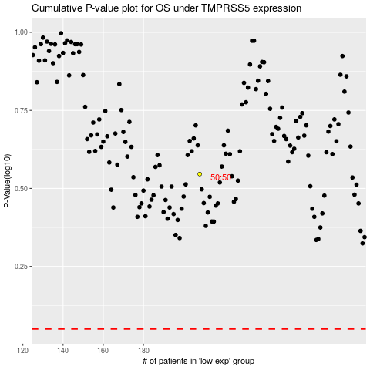

 |  |  |  |  |  | cases_OS | p_OS | rank | exp
 |  |  |  |  |  |  | cases_RFS | p_RFS | rank | exp

