TMPRSS6 _multivariate
Reported by Tex Li-Hsing Chi. tex@gate.sinica.edu.tw 2019-08-15

Table 2. The clinicopathological features of HNSCC cohort and TMPRSS6 expression. (Chi square test)
Cutoff at -0.178 (50.0%)
 |  | TMPRSS6 expression |  | TMPRSS6 expression |  | (Optimised)
 | Features | Low | (%) | High | (%) | Case no | P-value | Remark | Matthews
Gender | Female | 154 | 37.1 | 152 | 36.6 | 415 | 0.8463 | 0 | 0
2 | Male | 53 | 12.8 | 56 | 13.5
Age at diagnosis | <=65y | 139 | 33.5 | 135 | 32.5 | 415 | 0.7044 | 0 | 0
4 | >65y | 68 | 16.4 | 73 | 17.6
Clinical T Status | T1+T2 | 83 | 20 | 66 | 15.9 | 415 | 0.0941 | 0 | 0
6 | T3+T4 | 124 | 29.9 | 142 | 34.2
Clinical N Status | N0 | 111 | 26.7 | 105 | 25.3 | 415 | 0.5875 | 0 | 0
8 | N1-3 | 96 | 23.1 | 103 | 24.8
Clinical M Status | M0 | 206 | 49.6 | 206 | 49.6 | 415 | 1 | 0 | 0
10 | M1 | 1 | 0.2 | 2 | 0.5
Clinical Stage | Stage I+II | 57 | 13.7 | 45 | 10.8 | 415 | 0.1998 | 0 | 0
12 | Stage III+IV | 150 | 36.1 | 163 | 39.3
Surgical Margin status | Negative | 161 | 38.8 | 157 | 37.8 | 415 | 0.6429 | 0 | 0
14 | Positive | 46 | 11.1 | 51 | 12.3
Tobacco Exposure | Low | 87 | 21 | 74 | 17.8 | 415 | 0.1911 | 0 | 0
16 | High | 120 | 28.9 | 134 | 32.3

Table 3. Univariate/Multivariate Cox's proportional hazards regression analyses on OS time of TMPRSS6 gene expression in HNSCC

 |  | Univariate |  |  |  | Multivariate
 | Features | HR | CI95%(L) | CI95%(H) | P-value | HR | CI95%(L) | CI95%(H) | P-value
1 | Female | 1 |  |  |  | 1
Gender | Male | 1.157 | 0.843 | 1.587 | 0.367 | 1.216 | 0.871 | 1.697 | 0.251
11 | <=65y | 1 |  |  |  | 1
Age at diagnosis | >65y | 1.329 | 0.99 | 1.784 | 0.058 | 1.411 | 1.038 | 1.918 | 0.028
12 | T1+T2 | 1 |  |  |  | 1
Clinical T Status | T3+T4 | 1.409 | 1.028 | 1.931 | 0.033 | 2.232 | 1.18 | 4.222 | 0.014
13 | N0 | 1 |  |  |  | 1
Clinical N Status | N1-3 | 1.185 | 0.89 | 1.577 | 0.246 | 1.235 | 0.866 | 1.761 | 0.243
14 | M0 | 1 |  |  |  | 1
Clinical M Status | M1 | 4.097 | 1.009 | 16.644 | 0.049 | 9.751 | 2.125 | 44.745 | 0.003
15 | Stage I+II | 1 |  |  |  | 1
Clinical Stage | Stage III+IV | 1.245 | 0.882 | 1.759 | 0.213 | 0.507 | 0.236 | 1.088 | 0.081
16 | Negative | 1 |  |  |  | 1
Surgical Margin status | Positive | 1.591 | 1.155 | 2.191 | 0.004 | 1.684 | 1.218 | 2.327 | 0.002
17 | Low | 1 |  |  |  | 1
Tobacco Exposure | High | 1.364 | 1.008 | 1.844 | 0.044 | 1.48 | 1.073 | 2.042 | 0.017
18 | Low | 1 |  |  |  | 1
RNAseq(z-score) | High | 0.945 | 0.709 | 1.258 | 0.696 | 0.841 | 0.629 | 1.124 | 0.242

Table 4. Univariate/Multivariate Cox's proportional hazards regression analyses on RFS time of TMPRSS6 gene expression in HNSCC

 |  | Univariate |  |  |  | Multivariate
 | Features | HR | CI95%(L) | CI95%(H) | P-value | HR | CI95%(L) | CI95%(H) | P-value
1 | Female | 1 |  |  |  | 1
Gender | Male | 1.157 | 0.843 | 1.587 | 0.367 | 1.216 | 0.871 | 1.697 | 0.251
11 | <=65y | 1 |  |  |  | 1
Age at diagnosis | >65y | 1.329 | 0.99 | 1.784 | 0.058 | 1.411 | 1.038 | 1.918 | 0.028
12 | T1+T2 | 1 |  |  |  | 1
Clinical T Status | T3+T4 | 1.409 | 1.028 | 1.931 | 0.033 | 2.232 | 1.18 | 4.222 | 0.014
13 | N0 | 1 |  |  |  | 1
Clinical N Status | N1-3 | 1.185 | 0.89 | 1.577 | 0.246 | 1.235 | 0.866 | 1.761 | 0.243
14 | M0 | 1 |  |  |  | 1
Clinical M Status | M1 | 4.097 | 1.009 | 16.644 | 0.049 | 9.751 | 2.125 | 44.745 | 0.003
15 | Stage I+II | 1 |  |  |  | 1
Clinical Stage | Stage III+IV | 1.245 | 0.882 | 1.759 | 0.213 | 0.507 | 0.236 | 1.088 | 0.081
16 | Negative | 1 |  |  |  | 1
Surgical Margin status | Positive | 1.591 | 1.155 | 2.191 | 0.004 | 1.684 | 1.218 | 2.327 | 0.002
17 | Low | 1 |  |  |  | 1
Tobacco Exposure | High | 1.364 | 1.008 | 1.844 | 0.044 | 1.48 | 1.073 | 2.042 | 0.017
18 | Low | 1 |  |  |  | 1
RNAseq(z-score) | High | 0.945 | 0.709 | 1.258 | 0.696 | 0.841 | 0.629 | 1.124 | 0.242

Kaplan-Meier survival estimate: Cutoff at -0.178 (50.0%)



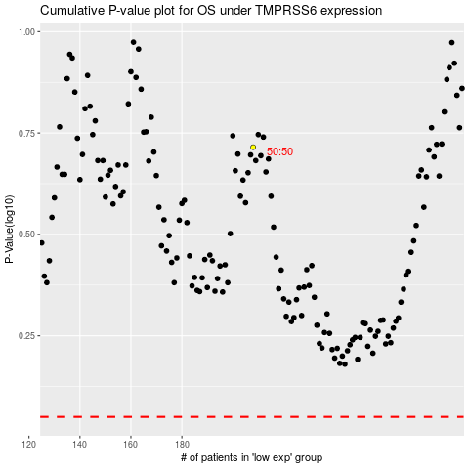

 |  |  |  |  |  | cases_OS | p_OS | rank | exp
 |  |  |  |  |  |  | cases_RFS | p_RFS | rank | exp

