TMPRSS7 _multivariate
Reported by Tex Li-Hsing Chi. tex@gate.sinica.edu.tw 2019-08-15

Table 2. The clinicopathological features of HNSCC cohort and TMPRSS7 expression. (Chi square test)
Cutoff at -0.269 (49.8%)
 |  | TMPRSS7 expression |  | TMPRSS7 expression |  | (Optimised)
 | Features | Low | (%) | High | (%) | Case no | P-value | Remark | Matthews
Gender | Female | 149 | 35.9 | 157 | 37.8 | 415 | 0.4848 | 0 | 0
2 | Male | 58 | 14 | 51 | 12.3
Age at diagnosis | <=65y | 138 | 33.3 | 136 | 32.8 | 415 | 0.8634 | 0 | 0
4 | >65y | 69 | 16.6 | 72 | 17.3
Clinical T Status | T1+T2 | 66 | 15.9 | 83 | 20 | 415 | 0.1095 | 0 | 0
6 | T3+T4 | 141 | 34 | 125 | 30.1
Clinical N Status | N0 | 114 | 27.5 | 102 | 24.6 | 415 | 0.2576 | 1 | 0
8 | N1-3 | 93 | 22.4 | 106 | 25.5
Clinical M Status | M0 | 205 | 49.4 | 207 | 49.9 | 415 | 0.6232 | 0 | 0
10 | M1 | 2 | 0.5 | 1 | 0.2
Clinical Stage | Stage I+II | 48 | 11.6 | 54 | 13 | 415 | 0.5878 | 0 | 0
12 | Stage III+IV | 159 | 38.3 | 154 | 37.1
Surgical Margin status | Negative | 164 | 39.5 | 154 | 37.1 | 415 | 0.2462 | 0 | 0
14 | Positive | 43 | 10.4 | 54 | 13
Tobacco Exposure | Low | 78 | 18.8 | 83 | 20 | 415 | 0.6873 | 0 | 0
16 | High | 129 | 31.1 | 125 | 30.1

Table 3. Univariate/Multivariate Cox's proportional hazards regression analyses on OS time of TMPRSS7 gene expression in HNSCC

 |  | Univariate |  |  |  | Multivariate
 | Features | HR | CI95%(L) | CI95%(H) | P-value | HR | CI95%(L) | CI95%(H) | P-value
1 | Female | 1 |  |  |  | 1
Gender | Male | 1.157 | 0.843 | 1.587 | 0.367 | 1.205 | 0.863 | 1.682 | 0.274
11 | <=65y | 1 |  |  |  | 1
Age at diagnosis | >65y | 1.329 | 0.99 | 1.784 | 0.058 | 1.368 | 1.006 | 1.861 | 0.046
12 | T1+T2 | 1 |  |  |  | 1
Clinical T Status | T3+T4 | 1.409 | 1.028 | 1.931 | 0.033 | 2.234 | 1.181 | 4.225 | 0.013
13 | N0 | 1 |  |  |  | 1
Clinical N Status | N1-3 | 1.185 | 0.89 | 1.577 | 0.246 | 1.226 | 0.859 | 1.75 | 0.261
14 | M0 | 1 |  |  |  | 1
Clinical M Status | M1 | 4.097 | 1.009 | 16.644 | 0.049 | 10.035 | 2.18 | 46.184 | 0.003
15 | Stage I+II | 1 |  |  |  | 1
Clinical Stage | Stage III+IV | 1.245 | 0.882 | 1.759 | 0.213 | 0.505 | 0.235 | 1.085 | 0.08
16 | Negative | 1 |  |  |  | 1
Surgical Margin status | Positive | 1.591 | 1.155 | 2.191 | 0.004 | 1.653 | 1.196 | 2.284 | 0.002
17 | Low | 1 |  |  |  | 1
Tobacco Exposure | High | 1.364 | 1.008 | 1.844 | 0.044 | 1.438 | 1.045 | 1.98 | 0.026
18 | Low | 1 |  |  |  | 1
RNAseq(z-score) | High | 1.182 | 0.886 | 1.578 | 0.255 | 1.18 | 0.881 | 1.579 | 0.267

Table 4. Univariate/Multivariate Cox's proportional hazards regression analyses on RFS time of TMPRSS7 gene expression in HNSCC

 |  | Univariate |  |  |  | Multivariate
 | Features | HR | CI95%(L) | CI95%(H) | P-value | HR | CI95%(L) | CI95%(H) | P-value
1 | Female | 1 |  |  |  | 1
Gender | Male | 1.157 | 0.843 | 1.587 | 0.367 | 1.205 | 0.863 | 1.682 | 0.274
11 | <=65y | 1 |  |  |  | 1
Age at diagnosis | >65y | 1.329 | 0.99 | 1.784 | 0.058 | 1.368 | 1.006 | 1.861 | 0.046
12 | T1+T2 | 1 |  |  |  | 1
Clinical T Status | T3+T4 | 1.409 | 1.028 | 1.931 | 0.033 | 2.234 | 1.181 | 4.225 | 0.013
13 | N0 | 1 |  |  |  | 1
Clinical N Status | N1-3 | 1.185 | 0.89 | 1.577 | 0.246 | 1.226 | 0.859 | 1.75 | 0.261
14 | M0 | 1 |  |  |  | 1
Clinical M Status | M1 | 4.097 | 1.009 | 16.644 | 0.049 | 10.035 | 2.18 | 46.184 | 0.003
15 | Stage I+II | 1 |  |  |  | 1
Clinical Stage | Stage III+IV | 1.245 | 0.882 | 1.759 | 0.213 | 0.505 | 0.235 | 1.085 | 0.08
16 | Negative | 1 |  |  |  | 1
Surgical Margin status | Positive | 1.591 | 1.155 | 2.191 | 0.004 | 1.653 | 1.196 | 2.284 | 0.002
17 | Low | 1 |  |  |  | 1
Tobacco Exposure | High | 1.364 | 1.008 | 1.844 | 0.044 | 1.438 | 1.045 | 1.98 | 0.026
18 | Low | 1 |  |  |  | 1
RNAseq(z-score) | High | 1.182 | 0.886 | 1.578 | 0.255 | 1.18 | 0.881 | 1.579 | 0.267

Kaplan-Meier survival estimate: Cutoff at -0.269 (49.8%)



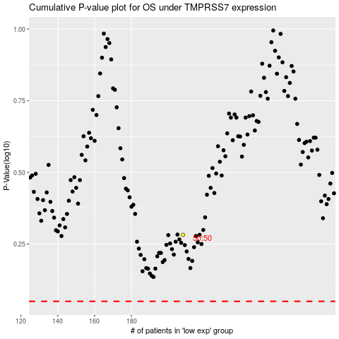

 |  |  |  |  |  | cases_OS | p_OS | rank | exp
 |  |  |  |  |  |  | cases_RFS | p_RFS | rank | exp

