TMSB10 _multivariate
Reported by Tex Li-Hsing Chi. tex@gate.sinica.edu.tw 2019-08-15

Table 2. The clinicopathological features of HNSCC cohort and TMSB10 expression. (Chi square test)
Cutoff at -0.207 (50.0%)
 |  | TMSB10 expression |  | TMSB10 expression |  | (Optimised)
 | Features | Low | (%) | High | (%) | Case no | P-value | Remark | Matthews
Gender | Female | 159 | 38.3 | 147 | 35.4 | 415 | 0.1905 | 0 | 0
2 | Male | 48 | 11.6 | 61 | 14.7
Age at diagnosis | <=65y | 141 | 34 | 133 | 32 | 415 | 0.4272 | 0 | 0
4 | >65y | 66 | 15.9 | 75 | 18.1
Clinical T Status | T1+T2 | 72 | 17.3 | 77 | 18.6 | 415 | 0.7095 | 0 | 0
6 | T3+T4 | 135 | 32.5 | 131 | 31.6
Clinical N Status | N0 | 113 | 27.2 | 103 | 24.8 | 415 | 0.3495 | 1 | 0
8 | N1-3 | 94 | 22.7 | 105 | 25.3
Clinical M Status | M0 | 207 | 49.9 | 205 | 49.4 | 415 | 0.2482 | 0 | 0
10 | M1 | 0 | 0 | 3 | 0.7
Clinical Stage | Stage I+II | 44 | 10.6 | 58 | 14 | 415 | 0.1459 | 0 | 0
12 | Stage III+IV | 163 | 39.3 | 150 | 36.1
Surgical Margin status | Negative | 161 | 38.8 | 157 | 37.8 | 415 | 0.6429 | 0 | 0
14 | Positive | 46 | 11.1 | 51 | 12.3
Tobacco Exposure | Low | 67 | 16.1 | 94 | 22.7 | 415 | 0.0088 | 1 | 0
16 | High | 140 | 33.7 | 114 | 27.5

Table 3. Univariate/Multivariate Cox's proportional hazards regression analyses on OS time of TMSB10 gene expression in HNSCC

 |  | Univariate |  |  |  | Multivariate
 | Features | HR | CI95%(L) | CI95%(H) | P-value | HR | CI95%(L) | CI95%(H) | P-value
1 | Female | 1 |  |  |  | 1
Gender | Male | 1.157 | 0.843 | 1.587 | 0.367 | 1.181 | 0.844 | 1.652 | 0.331
11 | <=65y | 1 |  |  |  | 1
Age at diagnosis | >65y | 1.329 | 0.99 | 1.784 | 0.058 | 1.403 | 1.032 | 1.908 | 0.031
12 | T1+T2 | 1 |  |  |  | 1
Clinical T Status | T3+T4 | 1.409 | 1.028 | 1.931 | 0.033 | 2.157 | 1.139 | 4.084 | 0.018
13 | N0 | 1 |  |  |  | 1
Clinical N Status | N1-3 | 1.185 | 0.89 | 1.577 | 0.246 | 1.224 | 0.858 | 1.748 | 0.265
14 | M0 | 1 |  |  |  | 1
Clinical M Status | M1 | 4.097 | 1.009 | 16.644 | 0.049 | 8.471 | 1.83 | 39.217 | 0.006
15 | Stage I+II | 1 |  |  |  | 1
Clinical Stage | Stage III+IV | 1.245 | 0.882 | 1.759 | 0.213 | 0.527 | 0.245 | 1.135 | 0.102
16 | Negative | 1 |  |  |  | 1
Surgical Margin status | Positive | 1.591 | 1.155 | 2.191 | 0.004 | 1.658 | 1.199 | 2.292 | 0.002
17 | Low | 1 |  |  |  | 1
Tobacco Exposure | High | 1.364 | 1.008 | 1.844 | 0.044 | 1.469 | 1.065 | 2.026 | 0.019
18 | Low | 1 |  |  |  | 1
RNAseq(z-score) | High | 1.209 | 0.907 | 1.611 | 0.196 | 1.189 | 0.886 | 1.596 | 0.249

Table 4. Univariate/Multivariate Cox's proportional hazards regression analyses on RFS time of TMSB10 gene expression in HNSCC

 |  | Univariate |  |  |  | Multivariate
 | Features | HR | CI95%(L) | CI95%(H) | P-value | HR | CI95%(L) | CI95%(H) | P-value
1 | Female | 1 |  |  |  | 1
Gender | Male | 1.157 | 0.843 | 1.587 | 0.367 | 1.181 | 0.844 | 1.652 | 0.331
11 | <=65y | 1 |  |  |  | 1
Age at diagnosis | >65y | 1.329 | 0.99 | 1.784 | 0.058 | 1.403 | 1.032 | 1.908 | 0.031
12 | T1+T2 | 1 |  |  |  | 1
Clinical T Status | T3+T4 | 1.409 | 1.028 | 1.931 | 0.033 | 2.157 | 1.139 | 4.084 | 0.018
13 | N0 | 1 |  |  |  | 1
Clinical N Status | N1-3 | 1.185 | 0.89 | 1.577 | 0.246 | 1.224 | 0.858 | 1.748 | 0.265
14 | M0 | 1 |  |  |  | 1
Clinical M Status | M1 | 4.097 | 1.009 | 16.644 | 0.049 | 8.471 | 1.83 | 39.217 | 0.006
15 | Stage I+II | 1 |  |  |  | 1
Clinical Stage | Stage III+IV | 1.245 | 0.882 | 1.759 | 0.213 | 0.527 | 0.245 | 1.135 | 0.102
16 | Negative | 1 |  |  |  | 1
Surgical Margin status | Positive | 1.591 | 1.155 | 2.191 | 0.004 | 1.658 | 1.199 | 2.292 | 0.002
17 | Low | 1 |  |  |  | 1
Tobacco Exposure | High | 1.364 | 1.008 | 1.844 | 0.044 | 1.469 | 1.065 | 2.026 | 0.019
18 | Low | 1 |  |  |  | 1
RNAseq(z-score) | High | 1.209 | 0.907 | 1.611 | 0.196 | 1.189 | 0.886 | 1.596 | 0.249

Kaplan-Meier survival estimate: Cutoff at -0.207 (50.0%)



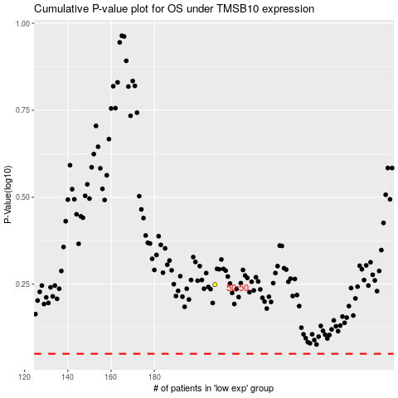

 |  |  |  |  |  | cases_OS | p_OS | rank | exp
 |  |  |  |  |  |  | cases_RFS | p_RFS | rank | exp

