TMSB15A _multivariate
Reported by Tex Li-Hsing Chi. tex@gate.sinica.edu.tw 2019-08-15

Table 2. The clinicopathological features of HNSCC cohort and TMSB15A expression. (Chi square test)
Cutoff at -0.225 (30.7%)
 |  | TMSB15A expression |  | TMSB15A expression |  | (Optimised)
 | Features | Low | (%) | High | (%) | Case no | P-value | Remark | Matthews
Gender | Female | 86 | 20.7 | 220 | 53 | 415 | 0.057 | 0 | 0
2 | Male | 42 | 10.1 | 67 | 16.1
Age at diagnosis | <=65y | 75 | 18.1 | 199 | 48 | 415 | 0.0432 | 1 | 0
4 | >65y | 53 | 12.8 | 88 | 21.2
Clinical T Status | T1+T2 | 52 | 12.5 | 97 | 23.4 | 415 | 0.2194 | 0 | 0
6 | T3+T4 | 76 | 18.3 | 190 | 45.8
Clinical N Status | N0 | 71 | 17.1 | 145 | 34.9 | 415 | 0.4093 | 0 | 0
8 | N1-3 | 57 | 13.7 | 142 | 34.2
Clinical M Status | M0 | 127 | 30.6 | 285 | 68.7 | 415 | 1 | 0 | 0
10 | M1 | 1 | 0.2 | 2 | 0.5
Clinical Stage | Stage I+II | 41 | 9.9 | 61 | 14.7 | 415 | 0.0256 | 1 | 0
12 | Stage III+IV | 87 | 21 | 226 | 54.5
Surgical Margin status | Negative | 98 | 23.6 | 220 | 53 | 415 | 1 | 0 | 0
14 | Positive | 30 | 7.2 | 67 | 16.1
Tobacco Exposure | Low | 64 | 15.4 | 97 | 23.4 | 415 | 0.0022 | 1 | 0
16 | High | 64 | 15.4 | 190 | 45.8

Table 3. Univariate/Multivariate Cox's proportional hazards regression analyses on OS time of TMSB15A gene expression in HNSCC

 |  | Univariate |  |  |  | Multivariate
 | Features | HR | CI95%(L) | CI95%(H) | P-value | HR | CI95%(L) | CI95%(H) | P-value
1 | Female | 1 |  |  |  | 1
Gender | Male | 1.157 | 0.843 | 1.587 | 0.367 | 1.171 | 0.835 | 1.643 | 0.361
11 | <=65y | 1 |  |  |  | 1
Age at diagnosis | >65y | 1.329 | 0.99 | 1.784 | 0.058 | 1.364 | 1.003 | 1.855 | 0.048
12 | T1+T2 | 1 |  |  |  | 1
Clinical T Status | T3+T4 | 1.409 | 1.028 | 1.931 | 0.033 | 2.129 | 1.125 | 4.028 | 0.02
13 | N0 | 1 |  |  |  | 1
Clinical N Status | N1-3 | 1.185 | 0.89 | 1.577 | 0.246 | 1.204 | 0.843 | 1.719 | 0.308
14 | M0 | 1 |  |  |  | 1
Clinical M Status | M1 | 4.097 | 1.009 | 16.644 | 0.049 | 9.401 | 2.051 | 43.086 | 0.004
15 | Stage I+II | 1 |  |  |  | 1
Clinical Stage | Stage III+IV | 1.245 | 0.882 | 1.759 | 0.213 | 0.553 | 0.256 | 1.193 | 0.131
16 | Negative | 1 |  |  |  | 1
Surgical Margin status | Positive | 1.591 | 1.155 | 2.191 | 0.004 | 1.635 | 1.183 | 2.259 | 0.003
17 | Low | 1 |  |  |  | 1
Tobacco Exposure | High | 1.364 | 1.008 | 1.844 | 0.044 | 1.522 | 1.099 | 2.107 | 0.011
18 | Low | 1 |  |  |  | 1
RNAseq(z-score) | High | 0.729 | 0.542 | 0.98 | 0.036 | 0.722 | 0.531 | 0.982 | 0.038

Table 4. Univariate/Multivariate Cox's proportional hazards regression analyses on RFS time of TMSB15A gene expression in HNSCC

 |  | Univariate |  |  |  | Multivariate
 | Features | HR | CI95%(L) | CI95%(H) | P-value | HR | CI95%(L) | CI95%(H) | P-value
1 | Female | 1 |  |  |  | 1
Gender | Male | 1.157 | 0.843 | 1.587 | 0.367 | 1.171 | 0.835 | 1.643 | 0.361
11 | <=65y | 1 |  |  |  | 1
Age at diagnosis | >65y | 1.329 | 0.99 | 1.784 | 0.058 | 1.364 | 1.003 | 1.855 | 0.048
12 | T1+T2 | 1 |  |  |  | 1
Clinical T Status | T3+T4 | 1.409 | 1.028 | 1.931 | 0.033 | 2.129 | 1.125 | 4.028 | 0.02
13 | N0 | 1 |  |  |  | 1
Clinical N Status | N1-3 | 1.185 | 0.89 | 1.577 | 0.246 | 1.204 | 0.843 | 1.719 | 0.308
14 | M0 | 1 |  |  |  | 1
Clinical M Status | M1 | 4.097 | 1.009 | 16.644 | 0.049 | 9.401 | 2.051 | 43.086 | 0.004
15 | Stage I+II | 1 |  |  |  | 1
Clinical Stage | Stage III+IV | 1.245 | 0.882 | 1.759 | 0.213 | 0.553 | 0.256 | 1.193 | 0.131
16 | Negative | 1 |  |  |  | 1
Surgical Margin status | Positive | 1.591 | 1.155 | 2.191 | 0.004 | 1.635 | 1.183 | 2.259 | 0.003
17 | Low | 1 |  |  |  | 1
Tobacco Exposure | High | 1.364 | 1.008 | 1.844 | 0.044 | 1.522 | 1.099 | 2.107 | 0.011
18 | Low | 1 |  |  |  | 1
RNAseq(z-score) | High | 0.729 | 0.542 | 0.98 | 0.036 | 0.722 | 0.531 | 0.982 | 0.038

Kaplan-Meier survival estimate: Cutoff at -0.225 (30.7%)



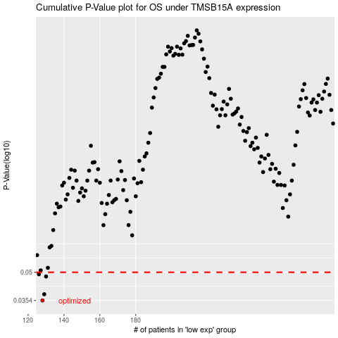

 |  |  |  |  |  | cases_OS | p_OS | rank | exp
 |  |  |  |  |  | 128 | 0.0354 | 246 | -0.2245835638
 |  |  |  |  |  | 129 | 0.0382 | 83 | -0.22412540687
 |  |  |  |  |  | 130 | 0.0475 | 331 | -0.224077089
 |  |  |  |  |  | 126 | 0.0488 | 27 | -0.22505552584
 |  |  |  |  |  |  | cases_RFS | p_RFS | rank | exp
 |  |  |  |  |  |  | 127 | 0.0354 | 99 | -0.22462584194
 |  |  |  |  |  |  | 128 | 0.0382 | 246 | -0.2245835638
 |  |  |  |  |  |  | 129 | 0.0475 | 83 | -0.22412540687
 |  |  |  |  |  |  | 125 | 0.0488 | 404 | -0.22568279531

