TMSB15B _multivariate
Reported by Tex Li-Hsing Chi. tex@gate.sinica.edu.tw 2019-08-15

Table 2. The clinicopathological features of HNSCC cohort and TMSB15B expression. (Chi square test)
Cutoff at -0.296 (49.8%)
 |  | TMSB15B expression |  | TMSB15B expression |  | (Optimised)
 | Features | Low | (%) | High | (%) | Case no | P-value | Remark | Matthews
Gender | Female | 150 | 36.1 | 156 | 37.6 | 415 | 0.6344 | 0 | 0
2 | Male | 57 | 13.7 | 52 | 12.5
Age at diagnosis | <=65y | 125 | 30.1 | 149 | 35.9 | 415 | 0.0206 | 1 | 0
4 | >65y | 82 | 19.8 | 59 | 14.2
Clinical T Status | T1+T2 | 69 | 16.6 | 80 | 19.3 | 415 | 0.3239 | 0 | 0
6 | T3+T4 | 138 | 33.3 | 128 | 30.8
Clinical N Status | N0 | 101 | 24.3 | 115 | 27.7 | 415 | 0.2201 | 0 | 0
8 | N1-3 | 106 | 25.5 | 93 | 22.4
Clinical M Status | M0 | 204 | 49.2 | 208 | 50.1 | 415 | 0.1232 | 0 | 0
10 | M1 | 3 | 0.7 | 0 | 0
Clinical Stage | Stage I+II | 42 | 10.1 | 60 | 14.5 | 415 | 0.0561 | 0 | 0
12 | Stage III+IV | 165 | 39.8 | 148 | 35.7
Surgical Margin status | Negative | 157 | 37.8 | 161 | 38.8 | 415 | 0.729 | 0 | 0
14 | Positive | 50 | 12 | 47 | 11.3
Tobacco Exposure | Low | 85 | 20.5 | 76 | 18.3 | 415 | 0.3655 | 0 | 0
16 | High | 122 | 29.4 | 132 | 31.8

Table 3. Univariate/Multivariate Cox's proportional hazards regression analyses on OS time of TMSB15B gene expression in HNSCC

 |  | Univariate |  |  |  | Multivariate
 | Features | HR | CI95%(L) | CI95%(H) | P-value | HR | CI95%(L) | CI95%(H) | P-value
1 | Female | 1 |  |  |  | 1
Gender | Male | 1.157 | 0.843 | 1.587 | 0.367 | 1.193 | 0.853 | 1.67 | 0.302
11 | <=65y | 1 |  |  |  | 1
Age at diagnosis | >65y | 1.329 | 0.99 | 1.784 | 0.058 | 1.369 | 1.005 | 1.865 | 0.046
12 | T1+T2 | 1 |  |  |  | 1
Clinical T Status | T3+T4 | 1.409 | 1.028 | 1.931 | 0.033 | 2.214 | 1.171 | 4.186 | 0.014
13 | N0 | 1 |  |  |  | 1
Clinical N Status | N1-3 | 1.185 | 0.89 | 1.577 | 0.246 | 1.226 | 0.859 | 1.751 | 0.262
14 | M0 | 1 |  |  |  | 1
Clinical M Status | M1 | 4.097 | 1.009 | 16.644 | 0.049 | 8.855 | 1.922 | 40.789 | 0.005
15 | Stage I+II | 1 |  |  |  | 1
Clinical Stage | Stage III+IV | 1.245 | 0.882 | 1.759 | 0.213 | 0.497 | 0.231 | 1.068 | 0.073
16 | Negative | 1 |  |  |  | 1
Surgical Margin status | Positive | 1.591 | 1.155 | 2.191 | 0.004 | 1.672 | 1.21 | 2.31 | 0.002
17 | Low | 1 |  |  |  | 1
Tobacco Exposure | High | 1.364 | 1.008 | 1.844 | 0.044 | 1.47 | 1.065 | 2.03 | 0.019
18 | Low | 1 |  |  |  | 1
RNAseq(z-score) | High | 0.811 | 0.608 | 1.082 | 0.154 | 0.865 | 0.644 | 1.162 | 0.336

Table 4. Univariate/Multivariate Cox's proportional hazards regression analyses on RFS time of TMSB15B gene expression in HNSCC

 |  | Univariate |  |  |  | Multivariate
 | Features | HR | CI95%(L) | CI95%(H) | P-value | HR | CI95%(L) | CI95%(H) | P-value
1 | Female | 1 |  |  |  | 1
Gender | Male | 1.157 | 0.843 | 1.587 | 0.367 | 1.193 | 0.853 | 1.67 | 0.302
11 | <=65y | 1 |  |  |  | 1
Age at diagnosis | >65y | 1.329 | 0.99 | 1.784 | 0.058 | 1.369 | 1.005 | 1.865 | 0.046
12 | T1+T2 | 1 |  |  |  | 1
Clinical T Status | T3+T4 | 1.409 | 1.028 | 1.931 | 0.033 | 2.214 | 1.171 | 4.186 | 0.014
13 | N0 | 1 |  |  |  | 1
Clinical N Status | N1-3 | 1.185 | 0.89 | 1.577 | 0.246 | 1.226 | 0.859 | 1.751 | 0.262
14 | M0 | 1 |  |  |  | 1
Clinical M Status | M1 | 4.097 | 1.009 | 16.644 | 0.049 | 8.855 | 1.922 | 40.789 | 0.005
15 | Stage I+II | 1 |  |  |  | 1
Clinical Stage | Stage III+IV | 1.245 | 0.882 | 1.759 | 0.213 | 0.497 | 0.231 | 1.068 | 0.073
16 | Negative | 1 |  |  |  | 1
Surgical Margin status | Positive | 1.591 | 1.155 | 2.191 | 0.004 | 1.672 | 1.21 | 2.31 | 0.002
17 | Low | 1 |  |  |  | 1
Tobacco Exposure | High | 1.364 | 1.008 | 1.844 | 0.044 | 1.47 | 1.065 | 2.03 | 0.019
18 | Low | 1 |  |  |  | 1
RNAseq(z-score) | High | 0.811 | 0.608 | 1.082 | 0.154 | 0.865 | 0.644 | 1.162 | 0.336

Kaplan-Meier survival estimate: Cutoff at -0.296 (49.8%)



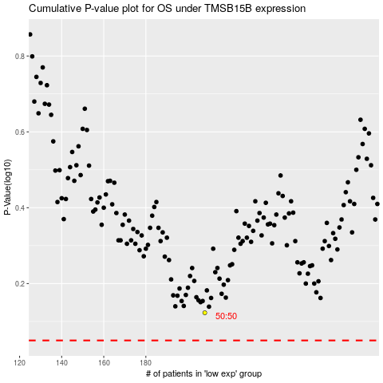

 |  |  |  |  |  | cases_OS | p_OS | rank | exp
 |  |  |  |  |  |  | cases_RFS | p_RFS | rank | exp

