TMTC2 _multivariate
Reported by Tex Li-Hsing Chi. tex@gate.sinica.edu.tw 2019-08-15

Table 2. The clinicopathological features of HNSCC cohort and TMTC2 expression. (Chi square test)
Cutoff at -0.362 (48.1%)
 |  | TMTC2 expression |  | TMTC2 expression |  | (Optimised)
 | Features | Low | (%) | High | (%) | Case no | P-value | Remark | Matthews
Gender | Female | 148 | 35.7 | 158 | 38.1 | 415 | 0.9946 | 0 | 0
2 | Male | 52 | 12.5 | 57 | 13.7
Age at diagnosis | <=65y | 138 | 33.3 | 136 | 32.8 | 415 | 0.2581 | 0 | 0
4 | >65y | 62 | 14.9 | 79 | 19
Clinical T Status | T1+T2 | 72 | 17.3 | 77 | 18.6 | 415 | 1 | 0 | 0
6 | T3+T4 | 128 | 30.8 | 138 | 33.3
Clinical N Status | N0 | 100 | 24.1 | 116 | 28 | 415 | 0.4794 | 0 | 0
8 | N1-3 | 100 | 24.1 | 99 | 23.9
Clinical M Status | M0 | 198 | 47.7 | 214 | 51.6 | 415 | 0.611 | 0 | 0
10 | M1 | 2 | 0.5 | 1 | 0.2
Clinical Stage | Stage I+II | 52 | 12.5 | 50 | 12 | 415 | 0.5929 | 0 | 0
12 | Stage III+IV | 148 | 35.7 | 165 | 39.8
Surgical Margin status | Negative | 156 | 37.6 | 162 | 39 | 415 | 0.5625 | 0 | 0
14 | Positive | 44 | 10.6 | 53 | 12.8
Tobacco Exposure | Low | 76 | 18.3 | 85 | 20.5 | 415 | 0.7632 | 0 | 0
16 | High | 124 | 29.9 | 130 | 31.3

Table 3. Univariate/Multivariate Cox's proportional hazards regression analyses on OS time of TMTC2 gene expression in HNSCC

 |  | Univariate |  |  |  | Multivariate
 | Features | HR | CI95%(L) | CI95%(H) | P-value | HR | CI95%(L) | CI95%(H) | P-value
1 | Female | 1 |  |  |  | 1
Gender | Male | 1.157 | 0.843 | 1.587 | 0.367 | 1.188 | 0.848 | 1.664 | 0.317
11 | <=65y | 1 |  |  |  | 1
Age at diagnosis | >65y | 1.329 | 0.99 | 1.784 | 0.058 | 1.412 | 1.037 | 1.923 | 0.028
12 | T1+T2 | 1 |  |  |  | 1
Clinical T Status | T3+T4 | 1.409 | 1.028 | 1.931 | 0.033 | 2.096 | 1.106 | 3.973 | 0.023
13 | N0 | 1 |  |  |  | 1
Clinical N Status | N1-3 | 1.185 | 0.89 | 1.577 | 0.246 | 1.208 | 0.846 | 1.726 | 0.299
14 | M0 | 1 |  |  |  | 1
Clinical M Status | M1 | 4.097 | 1.009 | 16.644 | 0.049 | 8.253 | 1.791 | 38.03 | 0.007
15 | Stage I+II | 1 |  |  |  | 1
Clinical Stage | Stage III+IV | 1.245 | 0.882 | 1.759 | 0.213 | 0.554 | 0.256 | 1.197 | 0.133
16 | Negative | 1 |  |  |  | 1
Surgical Margin status | Positive | 1.591 | 1.155 | 2.191 | 0.004 | 1.677 | 1.214 | 2.317 | 0.002
17 | Low | 1 |  |  |  | 1
Tobacco Exposure | High | 1.364 | 1.008 | 1.844 | 0.044 | 1.469 | 1.065 | 2.027 | 0.019
18 | Low | 1 |  |  |  | 1
RNAseq(z-score) | High | 0.746 | 0.559 | 0.996 | 0.047 | 0.743 | 0.554 | 0.996 | 0.047

Table 4. Univariate/Multivariate Cox's proportional hazards regression analyses on RFS time of TMTC2 gene expression in HNSCC

 |  | Univariate |  |  |  | Multivariate
 | Features | HR | CI95%(L) | CI95%(H) | P-value | HR | CI95%(L) | CI95%(H) | P-value
1 | Female | 1 |  |  |  | 1
Gender | Male | 1.157 | 0.843 | 1.587 | 0.367 | 1.188 | 0.848 | 1.664 | 0.317
11 | <=65y | 1 |  |  |  | 1
Age at diagnosis | >65y | 1.329 | 0.99 | 1.784 | 0.058 | 1.412 | 1.037 | 1.923 | 0.028
12 | T1+T2 | 1 |  |  |  | 1
Clinical T Status | T3+T4 | 1.409 | 1.028 | 1.931 | 0.033 | 2.096 | 1.106 | 3.973 | 0.023
13 | N0 | 1 |  |  |  | 1
Clinical N Status | N1-3 | 1.185 | 0.89 | 1.577 | 0.246 | 1.208 | 0.846 | 1.726 | 0.299
14 | M0 | 1 |  |  |  | 1
Clinical M Status | M1 | 4.097 | 1.009 | 16.644 | 0.049 | 8.253 | 1.791 | 38.03 | 0.007
15 | Stage I+II | 1 |  |  |  | 1
Clinical Stage | Stage III+IV | 1.245 | 0.882 | 1.759 | 0.213 | 0.554 | 0.256 | 1.197 | 0.133
16 | Negative | 1 |  |  |  | 1
Surgical Margin status | Positive | 1.591 | 1.155 | 2.191 | 0.004 | 1.677 | 1.214 | 2.317 | 0.002
17 | Low | 1 |  |  |  | 1
Tobacco Exposure | High | 1.364 | 1.008 | 1.844 | 0.044 | 1.469 | 1.065 | 2.027 | 0.019
18 | Low | 1 |  |  |  | 1
RNAseq(z-score) | High | 0.746 | 0.559 | 0.996 | 0.047 | 0.743 | 0.554 | 0.996 | 0.047

Kaplan-Meier survival estimate: Cutoff at -0.362 (48.1%)



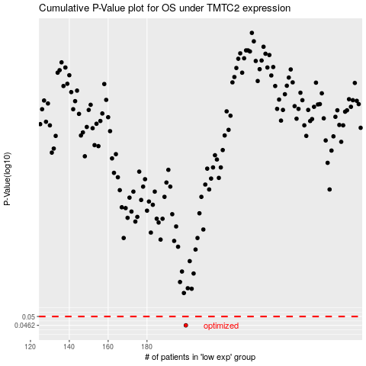

 |  |  |  |  |  | cases_OS | p_OS | rank | exp
 |  |  |  |  |  | 200 | 0.0462 | 57 | -0.36152326386
 |  |  |  |  |  |  | cases_RFS | p_RFS | rank | exp
 |  |  |  |  |  |  | 199 | 0.0462 | 355 | -0.36325846127

