TMTC3 _multivariate
Reported by Tex Li-Hsing Chi. tex@gate.sinica.edu.tw 2019-08-15

Table 2. The clinicopathological features of HNSCC cohort and TMTC3 expression. (Chi square test)
Cutoff at -0.101 (49.8%)
 |  | TMTC3 expression |  | TMTC3 expression |  | (Optimised)
 | Features | Low | (%) | High | (%) | Case no | P-value | Remark | Matthews
Gender | Female | 150 | 36.1 | 156 | 37.6 | 415 | 0.6344 | 0 | 0
2 | Male | 57 | 13.7 | 52 | 12.5
Age at diagnosis | <=65y | 135 | 32.5 | 139 | 33.5 | 415 | 0.8084 | 0 | 0
4 | >65y | 72 | 17.3 | 69 | 16.6
Clinical T Status | T1+T2 | 70 | 16.9 | 79 | 19 | 415 | 0.4343 | 0 | 0
6 | T3+T4 | 137 | 33 | 129 | 31.1
Clinical N Status | N0 | 103 | 24.8 | 113 | 27.2 | 415 | 0.4047 | 0 | 0
8 | N1-3 | 104 | 25.1 | 95 | 22.9
Clinical M Status | M0 | 204 | 49.2 | 208 | 50.1 | 415 | 0.1232 | 0 | 0
10 | M1 | 3 | 0.7 | 0 | 0
Clinical Stage | Stage I+II | 45 | 10.8 | 57 | 13.7 | 415 | 0.2202 | 0 | 0
12 | Stage III+IV | 162 | 39 | 151 | 36.4
Surgical Margin status | Negative | 156 | 37.6 | 162 | 39 | 415 | 0.5636 | 0 | 0
14 | Positive | 51 | 12.3 | 46 | 11.1
Tobacco Exposure | Low | 88 | 21.2 | 73 | 17.6 | 415 | 0.1314 | 0 | 0
16 | High | 119 | 28.7 | 135 | 32.5

Table 3. Univariate/Multivariate Cox's proportional hazards regression analyses on OS time of TMTC3 gene expression in HNSCC

 |  | Univariate |  |  |  | Multivariate
 | Features | HR | CI95%(L) | CI95%(H) | P-value | HR | CI95%(L) | CI95%(H) | P-value
1 | Female | 1 |  |  |  | 1
Gender | Male | 1.157 | 0.843 | 1.587 | 0.367 | 1.196 | 0.854 | 1.673 | 0.297
11 | <=65y | 1 |  |  |  | 1
Age at diagnosis | >65y | 1.329 | 0.99 | 1.784 | 0.058 | 1.388 | 1.021 | 1.888 | 0.036
12 | T1+T2 | 1 |  |  |  | 1
Clinical T Status | T3+T4 | 1.409 | 1.028 | 1.931 | 0.033 | 2.195 | 1.161 | 4.151 | 0.016
13 | N0 | 1 |  |  |  | 1
Clinical N Status | N1-3 | 1.185 | 0.89 | 1.577 | 0.246 | 1.239 | 0.868 | 1.768 | 0.237
14 | M0 | 1 |  |  |  | 1
Clinical M Status | M1 | 4.097 | 1.009 | 16.644 | 0.049 | 9.132 | 1.973 | 42.254 | 0.005
15 | Stage I+II | 1 |  |  |  | 1
Clinical Stage | Stage III+IV | 1.245 | 0.882 | 1.759 | 0.213 | 0.506 | 0.236 | 1.086 | 0.081
16 | Negative | 1 |  |  |  | 1
Surgical Margin status | Positive | 1.591 | 1.155 | 2.191 | 0.004 | 1.665 | 1.204 | 2.302 | 0.002
17 | Low | 1 |  |  |  | 1
Tobacco Exposure | High | 1.364 | 1.008 | 1.844 | 0.044 | 1.46 | 1.058 | 2.015 | 0.021
18 | Low | 1 |  |  |  | 1
RNAseq(z-score) | High | 0.902 | 0.677 | 1.202 | 0.482 | 0.95 | 0.709 | 1.275 | 0.734

Table 4. Univariate/Multivariate Cox's proportional hazards regression analyses on RFS time of TMTC3 gene expression in HNSCC

 |  | Univariate |  |  |  | Multivariate
 | Features | HR | CI95%(L) | CI95%(H) | P-value | HR | CI95%(L) | CI95%(H) | P-value
1 | Female | 1 |  |  |  | 1
Gender | Male | 1.157 | 0.843 | 1.587 | 0.367 | 1.196 | 0.854 | 1.673 | 0.297
11 | <=65y | 1 |  |  |  | 1
Age at diagnosis | >65y | 1.329 | 0.99 | 1.784 | 0.058 | 1.388 | 1.021 | 1.888 | 0.036
12 | T1+T2 | 1 |  |  |  | 1
Clinical T Status | T3+T4 | 1.409 | 1.028 | 1.931 | 0.033 | 2.195 | 1.161 | 4.151 | 0.016
13 | N0 | 1 |  |  |  | 1
Clinical N Status | N1-3 | 1.185 | 0.89 | 1.577 | 0.246 | 1.239 | 0.868 | 1.768 | 0.237
14 | M0 | 1 |  |  |  | 1
Clinical M Status | M1 | 4.097 | 1.009 | 16.644 | 0.049 | 9.132 | 1.973 | 42.254 | 0.005
15 | Stage I+II | 1 |  |  |  | 1
Clinical Stage | Stage III+IV | 1.245 | 0.882 | 1.759 | 0.213 | 0.506 | 0.236 | 1.086 | 0.081
16 | Negative | 1 |  |  |  | 1
Surgical Margin status | Positive | 1.591 | 1.155 | 2.191 | 0.004 | 1.665 | 1.204 | 2.302 | 0.002
17 | Low | 1 |  |  |  | 1
Tobacco Exposure | High | 1.364 | 1.008 | 1.844 | 0.044 | 1.46 | 1.058 | 2.015 | 0.021
18 | Low | 1 |  |  |  | 1
RNAseq(z-score) | High | 0.902 | 0.677 | 1.202 | 0.482 | 0.95 | 0.709 | 1.275 | 0.734

Kaplan-Meier survival estimate: Cutoff at -0.101 (49.8%)



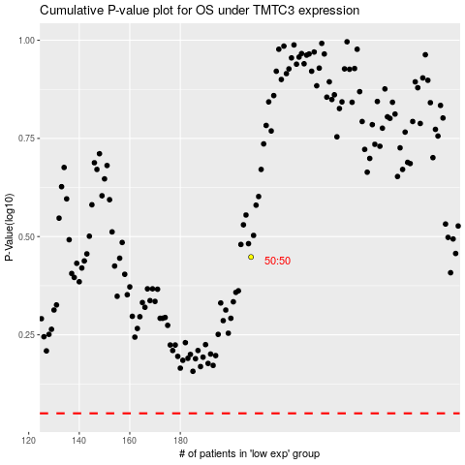

 |  |  |  |  |  | cases_OS | p_OS | rank | exp
 |  |  |  |  |  |  | cases_RFS | p_RFS | rank | exp

