TMUB1 _multivariate
Reported by Tex Li-Hsing Chi. tex@gate.sinica.edu.tw 2019-08-15

Table 2. The clinicopathological features of HNSCC cohort and TMUB1 expression. (Chi square test)
Cutoff at -0.163 (50.0%)
 |  | TMUB1 expression |  | TMUB1 expression |  | (Optimised)
 | Features | Low | (%) | High | (%) | Case no | P-value | Remark | Matthews
Gender | Female | 152 | 36.6 | 154 | 37.1 | 415 | 0.9766 | 0 | 0
2 | Male | 55 | 13.3 | 54 | 13
Age at diagnosis | <=65y | 135 | 32.5 | 139 | 33.5 | 415 | 0.8084 | 0 | 0
4 | >65y | 72 | 17.3 | 69 | 16.6
Clinical T Status | T1+T2 | 82 | 19.8 | 67 | 16.1 | 415 | 0.1417 | 0 | 0
6 | T3+T4 | 125 | 30.1 | 141 | 34
Clinical N Status | N0 | 110 | 26.5 | 106 | 25.5 | 415 | 0.7294 | 0 | 0
8 | N1-3 | 97 | 23.4 | 102 | 24.6
Clinical M Status | M0 | 207 | 49.9 | 205 | 49.4 | 415 | 0.2482 | 0 | 0
10 | M1 | 0 | 0 | 3 | 0.7
Clinical Stage | Stage I+II | 56 | 13.5 | 46 | 11.1 | 415 | 0.2918 | 0 | 0
12 | Stage III+IV | 151 | 36.4 | 162 | 39
Surgical Margin status | Negative | 156 | 37.6 | 162 | 39 | 415 | 0.5636 | 0 | 0
14 | Positive | 51 | 12.3 | 46 | 11.1
Tobacco Exposure | Low | 82 | 19.8 | 79 | 19 | 415 | 0.763 | 0 | 0
16 | High | 125 | 30.1 | 129 | 31.1

Table 3. Univariate/Multivariate Cox's proportional hazards regression analyses on OS time of TMUB1 gene expression in HNSCC

 |  | Univariate |  |  |  | Multivariate
 | Features | HR | CI95%(L) | CI95%(H) | P-value | HR | CI95%(L) | CI95%(H) | P-value
1 | Female | 1 |  |  |  | 1
Gender | Male | 1.157 | 0.843 | 1.587 | 0.367 | 1.203 | 0.861 | 1.68 | 0.279
11 | <=65y | 1 |  |  |  | 1
Age at diagnosis | >65y | 1.329 | 0.99 | 1.784 | 0.058 | 1.379 | 1.013 | 1.877 | 0.041
12 | T1+T2 | 1 |  |  |  | 1
Clinical T Status | T3+T4 | 1.409 | 1.028 | 1.931 | 0.033 | 2.28 | 1.203 | 4.32 | 0.012
13 | N0 | 1 |  |  |  | 1
Clinical N Status | N1-3 | 1.185 | 0.89 | 1.577 | 0.246 | 1.239 | 0.868 | 1.768 | 0.237
14 | M0 | 1 |  |  |  | 1
Clinical M Status | M1 | 4.097 | 1.009 | 16.644 | 0.049 | 10.916 | 2.349 | 50.721 | 0.002
15 | Stage I+II | 1 |  |  |  | 1
Clinical Stage | Stage III+IV | 1.245 | 0.882 | 1.759 | 0.213 | 0.49 | 0.228 | 1.053 | 0.068
16 | Negative | 1 |  |  |  | 1
Surgical Margin status | Positive | 1.591 | 1.155 | 2.191 | 0.004 | 1.676 | 1.212 | 2.316 | 0.002
17 | Low | 1 |  |  |  | 1
Tobacco Exposure | High | 1.364 | 1.008 | 1.844 | 0.044 | 1.469 | 1.066 | 2.025 | 0.019
18 | Low | 1 |  |  |  | 1
RNAseq(z-score) | High | 0.854 | 0.639 | 1.141 | 0.285 | 0.8 | 0.597 | 1.073 | 0.136

Table 4. Univariate/Multivariate Cox's proportional hazards regression analyses on RFS time of TMUB1 gene expression in HNSCC

 |  | Univariate |  |  |  | Multivariate
 | Features | HR | CI95%(L) | CI95%(H) | P-value | HR | CI95%(L) | CI95%(H) | P-value
1 | Female | 1 |  |  |  | 1
Gender | Male | 1.157 | 0.843 | 1.587 | 0.367 | 1.203 | 0.861 | 1.68 | 0.279
11 | <=65y | 1 |  |  |  | 1
Age at diagnosis | >65y | 1.329 | 0.99 | 1.784 | 0.058 | 1.379 | 1.013 | 1.877 | 0.041
12 | T1+T2 | 1 |  |  |  | 1
Clinical T Status | T3+T4 | 1.409 | 1.028 | 1.931 | 0.033 | 2.28 | 1.203 | 4.32 | 0.012
13 | N0 | 1 |  |  |  | 1
Clinical N Status | N1-3 | 1.185 | 0.89 | 1.577 | 0.246 | 1.239 | 0.868 | 1.768 | 0.237
14 | M0 | 1 |  |  |  | 1
Clinical M Status | M1 | 4.097 | 1.009 | 16.644 | 0.049 | 10.916 | 2.349 | 50.721 | 0.002
15 | Stage I+II | 1 |  |  |  | 1
Clinical Stage | Stage III+IV | 1.245 | 0.882 | 1.759 | 0.213 | 0.49 | 0.228 | 1.053 | 0.068
16 | Negative | 1 |  |  |  | 1
Surgical Margin status | Positive | 1.591 | 1.155 | 2.191 | 0.004 | 1.676 | 1.212 | 2.316 | 0.002
17 | Low | 1 |  |  |  | 1
Tobacco Exposure | High | 1.364 | 1.008 | 1.844 | 0.044 | 1.469 | 1.066 | 2.025 | 0.019
18 | Low | 1 |  |  |  | 1
RNAseq(z-score) | High | 0.854 | 0.639 | 1.141 | 0.285 | 0.8 | 0.597 | 1.073 | 0.136

Kaplan-Meier survival estimate: Cutoff at -0.163 (50.0%)



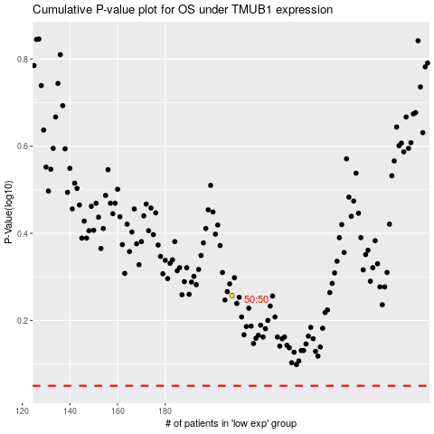

 |  |  |  |  |  | cases_OS | p_OS | rank | exp
 |  |  |  |  |  |  | cases_RFS | p_RFS | rank | exp

