TMX3 _multivariate
Reported by Tex Li-Hsing Chi. tex@gate.sinica.edu.tw 2019-08-15

Table 2. The clinicopathological features of HNSCC cohort and TMX3 expression. (Chi square test)
Cutoff at -0.11 (49.8%)
 |  | TMX3 expression |  | TMX3 expression |  | (Optimised)
 | Features | Low | (%) | High | (%) | Case no | P-value | Remark | Matthews
Gender | Female | 150 | 36.1 | 156 | 37.6 | 415 | 0.6344 | 0 | 0
2 | Male | 57 | 13.7 | 52 | 12.5
Age at diagnosis | <=65y | 140 | 33.7 | 134 | 32.3 | 415 | 0.5574 | 0 | 0
4 | >65y | 67 | 16.1 | 74 | 17.8
Clinical T Status | T1+T2 | 62 | 14.9 | 87 | 21 | 415 | 0.0156 | 1 | 0
6 | T3+T4 | 145 | 34.9 | 121 | 29.2
Clinical N Status | N0 | 100 | 24.1 | 116 | 28 | 415 | 0.1548 | 0 | 0
8 | N1-3 | 107 | 25.8 | 92 | 22.2
Clinical M Status | M0 | 204 | 49.2 | 208 | 50.1 | 415 | 0.1232 | 0 | 0
10 | M1 | 3 | 0.7 | 0 | 0
Clinical Stage | Stage I+II | 41 | 9.9 | 61 | 14.7 | 415 | 0.0325 | 1 | 0
12 | Stage III+IV | 166 | 40 | 147 | 35.4
Surgical Margin status | Negative | 165 | 39.8 | 153 | 36.9 | 415 | 0.1639 | 0 | 0
14 | Positive | 42 | 10.1 | 55 | 13.3
Tobacco Exposure | Low | 74 | 17.8 | 87 | 21 | 415 | 0.227 | 0 | 0
16 | High | 133 | 32 | 121 | 29.2

Table 3. Univariate/Multivariate Cox's proportional hazards regression analyses on OS time of TMX3 gene expression in HNSCC

 |  | Univariate |  |  |  | Multivariate
 | Features | HR | CI95%(L) | CI95%(H) | P-value | HR | CI95%(L) | CI95%(H) | P-value
1 | Female | 1 |  |  |  | 1
Gender | Male | 1.157 | 0.843 | 1.587 | 0.367 | 1.205 | 0.861 | 1.687 | 0.277
11 | <=65y | 1 |  |  |  | 1
Age at diagnosis | >65y | 1.329 | 0.99 | 1.784 | 0.058 | 1.392 | 1.024 | 1.893 | 0.035
12 | T1+T2 | 1 |  |  |  | 1
Clinical T Status | T3+T4 | 1.409 | 1.028 | 1.931 | 0.033 | 2.218 | 1.166 | 4.22 | 0.015
13 | N0 | 1 |  |  |  | 1
Clinical N Status | N1-3 | 1.185 | 0.89 | 1.577 | 0.246 | 1.242 | 0.871 | 1.773 | 0.232
14 | M0 | 1 |  |  |  | 1
Clinical M Status | M1 | 4.097 | 1.009 | 16.644 | 0.049 | 9.577 | 2.056 | 44.616 | 0.004
15 | Stage I+II | 1 |  |  |  | 1
Clinical Stage | Stage III+IV | 1.245 | 0.882 | 1.759 | 0.213 | 0.503 | 0.234 | 1.081 | 0.078
16 | Negative | 1 |  |  |  | 1
Surgical Margin status | Positive | 1.591 | 1.155 | 2.191 | 0.004 | 1.669 | 1.208 | 2.308 | 0.002
17 | Low | 1 |  |  |  | 1
Tobacco Exposure | High | 1.364 | 1.008 | 1.844 | 0.044 | 1.458 | 1.055 | 2.015 | 0.022
18 | Low | 1 |  |  |  | 1
RNAseq(z-score) | High | 0.898 | 0.674 | 1.197 | 0.465 | 1.025 | 0.759 | 1.384 | 0.874

Table 4. Univariate/Multivariate Cox's proportional hazards regression analyses on RFS time of TMX3 gene expression in HNSCC

 |  | Univariate |  |  |  | Multivariate
 | Features | HR | CI95%(L) | CI95%(H) | P-value | HR | CI95%(L) | CI95%(H) | P-value
1 | Female | 1 |  |  |  | 1
Gender | Male | 1.157 | 0.843 | 1.587 | 0.367 | 1.205 | 0.861 | 1.687 | 0.277
11 | <=65y | 1 |  |  |  | 1
Age at diagnosis | >65y | 1.329 | 0.99 | 1.784 | 0.058 | 1.392 | 1.024 | 1.893 | 0.035
12 | T1+T2 | 1 |  |  |  | 1
Clinical T Status | T3+T4 | 1.409 | 1.028 | 1.931 | 0.033 | 2.218 | 1.166 | 4.22 | 0.015
13 | N0 | 1 |  |  |  | 1
Clinical N Status | N1-3 | 1.185 | 0.89 | 1.577 | 0.246 | 1.242 | 0.871 | 1.773 | 0.232
14 | M0 | 1 |  |  |  | 1
Clinical M Status | M1 | 4.097 | 1.009 | 16.644 | 0.049 | 9.577 | 2.056 | 44.616 | 0.004
15 | Stage I+II | 1 |  |  |  | 1
Clinical Stage | Stage III+IV | 1.245 | 0.882 | 1.759 | 0.213 | 0.503 | 0.234 | 1.081 | 0.078
16 | Negative | 1 |  |  |  | 1
Surgical Margin status | Positive | 1.591 | 1.155 | 2.191 | 0.004 | 1.669 | 1.208 | 2.308 | 0.002
17 | Low | 1 |  |  |  | 1
Tobacco Exposure | High | 1.364 | 1.008 | 1.844 | 0.044 | 1.458 | 1.055 | 2.015 | 0.022
18 | Low | 1 |  |  |  | 1
RNAseq(z-score) | High | 0.898 | 0.674 | 1.197 | 0.465 | 1.025 | 0.759 | 1.384 | 0.874

Kaplan-Meier survival estimate: Cutoff at -0.11 (49.8%)



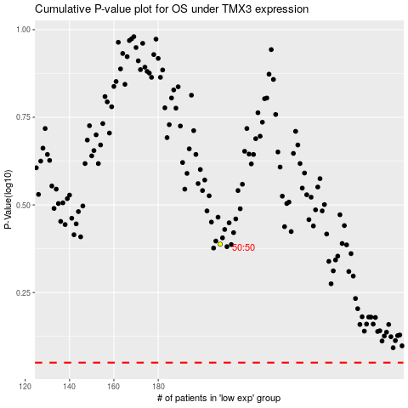

 |  |  |  |  |  | cases_OS | p_OS | rank | exp
 |  |  |  |  |  |  | cases_RFS | p_RFS | rank | exp

