TMX4 _multivariate
Reported by Tex Li-Hsing Chi. tex@gate.sinica.edu.tw 2019-08-15

Table 2. The clinicopathological features of HNSCC cohort and TMX4 expression. (Chi square test)
Cutoff at 0.099 (69.8%)
 |  | TMX4 expression |  | TMX4 expression |  | (Optimised)
 | Features | Low | (%) | High | (%) | Case no | P-value | Remark | Matthews
Gender | Female | 217 | 52.3 | 89 | 21.4 | 415 | 0.5164 | 0 | 0
2 | Male | 73 | 17.6 | 36 | 8.7
Age at diagnosis | <=65y | 182 | 43.9 | 92 | 22.2 | 415 | 0.0427 | 1 | 0
4 | >65y | 108 | 26 | 33 | 8
Clinical T Status | T1+T2 | 105 | 25.3 | 44 | 10.6 | 415 | 0.9325 | 0 | 0
6 | T3+T4 | 185 | 44.6 | 81 | 19.5
Clinical N Status | N0 | 160 | 38.6 | 56 | 13.5 | 415 | 0.0667 | 0 | 0
8 | N1-3 | 130 | 31.3 | 69 | 16.6
Clinical M Status | M0 | 288 | 69.4 | 124 | 29.9 | 415 | 1 | 0 | 0
10 | M1 | 2 | 0.5 | 1 | 0.2
Clinical Stage | Stage I+II | 75 | 18.1 | 27 | 6.5 | 415 | 0.4232 | 0 | 0
12 | Stage III+IV | 215 | 51.8 | 98 | 23.6
Surgical Margin status | Negative | 225 | 54.2 | 93 | 22.4 | 415 | 0.5276 | 0 | 0
14 | Positive | 65 | 15.7 | 32 | 7.7
Tobacco Exposure | Low | 117 | 28.2 | 44 | 10.6 | 415 | 0.3798 | 0 | 0
16 | High | 173 | 41.7 | 81 | 19.5

Table 3. Univariate/Multivariate Cox's proportional hazards regression analyses on OS time of TMX4 gene expression in HNSCC

 |  | Univariate |  |  |  | Multivariate
 | Features | HR | CI95%(L) | CI95%(H) | P-value | HR | CI95%(L) | CI95%(H) | P-value
1 | Female | 1 |  |  |  | 1
Gender | Male | 1.157 | 0.843 | 1.587 | 0.367 | 1.175 | 0.844 | 1.637 | 0.34
11 | <=65y | 1 |  |  |  | 1
Age at diagnosis | >65y | 1.329 | 0.99 | 1.784 | 0.058 | 1.435 | 1.057 | 1.948 | 0.021
12 | T1+T2 | 1 |  |  |  | 1
Clinical T Status | T3+T4 | 1.409 | 1.028 | 1.931 | 0.033 | 2.357 | 1.244 | 4.469 | 0.009
13 | N0 | 1 |  |  |  | 1
Clinical N Status | N1-3 | 1.185 | 0.89 | 1.577 | 0.246 | 1.196 | 0.837 | 1.708 | 0.326
14 | M0 | 1 |  |  |  | 1
Clinical M Status | M1 | 4.097 | 1.009 | 16.644 | 0.049 | 9.528 | 2.074 | 43.782 | 0.004
15 | Stage I+II | 1 |  |  |  | 1
Clinical Stage | Stage III+IV | 1.245 | 0.882 | 1.759 | 0.213 | 0.48 | 0.224 | 1.03 | 0.06
16 | Negative | 1 |  |  |  | 1
Surgical Margin status | Positive | 1.591 | 1.155 | 2.191 | 0.004 | 1.709 | 1.235 | 2.363 | 0.001
17 | Low | 1 |  |  |  | 1
Tobacco Exposure | High | 1.364 | 1.008 | 1.844 | 0.044 | 1.458 | 1.061 | 2.004 | 0.02
18 | Low | 1 |  |  |  | 1
RNAseq(z-score) | High | 1.535 | 1.138 | 2.069 | 0.005 | 1.617 | 1.195 | 2.189 | 0.002

Table 4. Univariate/Multivariate Cox's proportional hazards regression analyses on RFS time of TMX4 gene expression in HNSCC

 |  | Univariate |  |  |  | Multivariate
 | Features | HR | CI95%(L) | CI95%(H) | P-value | HR | CI95%(L) | CI95%(H) | P-value
1 | Female | 1 |  |  |  | 1
Gender | Male | 1.157 | 0.843 | 1.587 | 0.367 | 1.175 | 0.844 | 1.637 | 0.34
11 | <=65y | 1 |  |  |  | 1
Age at diagnosis | >65y | 1.329 | 0.99 | 1.784 | 0.058 | 1.435 | 1.057 | 1.948 | 0.021
12 | T1+T2 | 1 |  |  |  | 1
Clinical T Status | T3+T4 | 1.409 | 1.028 | 1.931 | 0.033 | 2.357 | 1.244 | 4.469 | 0.009
13 | N0 | 1 |  |  |  | 1
Clinical N Status | N1-3 | 1.185 | 0.89 | 1.577 | 0.246 | 1.196 | 0.837 | 1.708 | 0.326
14 | M0 | 1 |  |  |  | 1
Clinical M Status | M1 | 4.097 | 1.009 | 16.644 | 0.049 | 9.528 | 2.074 | 43.782 | 0.004
15 | Stage I+II | 1 |  |  |  | 1
Clinical Stage | Stage III+IV | 1.245 | 0.882 | 1.759 | 0.213 | 0.48 | 0.224 | 1.03 | 0.06
16 | Negative | 1 |  |  |  | 1
Surgical Margin status | Positive | 1.591 | 1.155 | 2.191 | 0.004 | 1.709 | 1.235 | 2.363 | 0.001
17 | Low | 1 |  |  |  | 1
Tobacco Exposure | High | 1.364 | 1.008 | 1.844 | 0.044 | 1.458 | 1.061 | 2.004 | 0.02
18 | Low | 1 |  |  |  | 1
RNAseq(z-score) | High | 1.535 | 1.138 | 2.069 | 0.005 | 1.617 | 1.195 | 2.189 | 0.002

Kaplan-Meier survival estimate: Cutoff at 0.099 (69.8%)

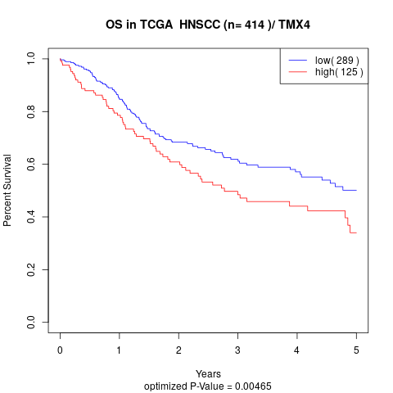

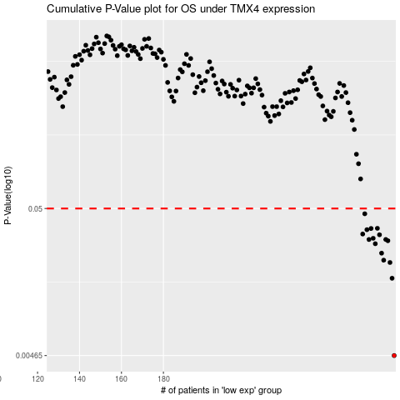

 |  |  |  |  |  | cases_OS | p_OS | rank | exp
 |  |  |  |  |  | 290 | 0.00465 | 77 | 0.099457905846
 |  |  |  |  |  | 289 | 0.0162 | 271 | 0.096689684427
 |  |  |  |  |  | 288 | 0.0209 | 31 | 0.091794292089
 |  |  |  |  |  | 285 | 0.0217 | 68 | 0.085241778842
 |  |  |  |  |  | 284 | 0.0243 | 415 | 0.079270452501
 |  |  |  |  |  | 281 | 0.0283 | 236 | 0.06791006051
 |  |  |  |  |  | 287 | 0.0297 | 140 | 0.089034660962
 |  |  |  |  |  | 278 | 0.0303 | 87 | 0.053976339338
 |  |  |  |  |  | 286 | 0.0303 | 154 | 0.086908832276
 |  |  |  |  |  | 280 | 0.0309 | 146 | 0.063298416237
 |  |  |  |  |  | 283 | 0.0327 | 127 | 0.076877787887
 |  |  |  |  |  | 275 | 0.0331 | 196 | 0.03298596219
 |  |  |  |  |  | 277 | 0.0355 | 294 | 0.051973459198
 |  |  |  |  |  | 279 | 0.0362 | 9 | 0.062075105045
 |  |  |  |  |  | 282 | 0.0363 | 318 | 0.074108761128
 |  |  |  |  |  | 276 | 0.0459 | 75 | 0.042080933258
 |  |  |  |  |  |  | cases_RFS | p_RFS | rank | exp
 |  |  |  |  |  |  | 289 | 0.00465 | 271 | 0.096689684427
 |  |  |  |  |  |  | 288 | 0.0162 | 31 | 0.091794292089
 |  |  |  |  |  |  | 287 | 0.0209 | 140 | 0.089034660962
 |  |  |  |  |  |  | 284 | 0.0217 | 415 | 0.079270452501
 |  |  |  |  |  |  | 283 | 0.0243 | 127 | 0.076877787887
 |  |  |  |  |  |  | 280 | 0.0283 | 146 | 0.063298416237
 |  |  |  |  |  |  | 286 | 0.0297 | 154 | 0.086908832276
 |  |  |  |  |  |  | 285 | 0.0303 | 68 | 0.085241778842
 |  |  |  |  |  |  | 277 | 0.0303 | 294 | 0.051973459198
 |  |  |  |  |  |  | 279 | 0.0309 | 9 | 0.062075105045
 |  |  |  |  |  |  | 282 | 0.0327 | 318 | 0.074108761128
 |  |  |  |  |  |  | 274 | 0.0331 | 245 | 0.032505174316
 |  |  |  |  |  |  | 276 | 0.0355 | 75 | 0.042080933258
 |  |  |  |  |  |  | 278 | 0.0362 | 87 | 0.053976339338
 |  |  |  |  |  |  | 281 | 0.0363 | 236 | 0.06791006051
 |  |  |  |  |  |  | 275 | 0.0459 | 196 | 0.03298596219

