TNC _multivariate
Reported by Tex Li-Hsing Chi. tex@gate.sinica.edu.tw 2019-08-15

Table 2. The clinicopathological features of HNSCC cohort and TNC expression. (Chi square test)
Cutoff at -0.215 (50.0%)
 |  | TNC expression |  | TNC expression |  | (Optimised)
 | Features | Low | (%) | High | (%) | Case no | P-value | Remark | Matthews
Gender | Female | 159 | 38.3 | 147 | 35.4 | 415 | 0.1905 | 0 | 0
2 | Male | 48 | 11.6 | 61 | 14.7
Age at diagnosis | <=65y | 133 | 32 | 141 | 34 | 415 | 0.5111 | 0 | 0
4 | >65y | 74 | 17.8 | 67 | 16.1
Clinical T Status | T1+T2 | 73 | 17.6 | 76 | 18.3 | 415 | 0.8666 | 0 | 0
6 | T3+T4 | 134 | 32.3 | 132 | 31.8
Clinical N Status | N0 | 106 | 25.5 | 110 | 26.5 | 415 | 0.8075 | 0 | 0
8 | N1-3 | 101 | 24.3 | 98 | 23.6
Clinical M Status | M0 | 205 | 49.4 | 207 | 49.9 | 415 | 0.6232 | 0 | 0
10 | M1 | 2 | 0.5 | 1 | 0.2
Clinical Stage | Stage I+II | 41 | 9.9 | 61 | 14.7 | 415 | 0.0325 | 1 | 0
12 | Stage III+IV | 166 | 40 | 147 | 35.4
Surgical Margin status | Negative | 151 | 36.4 | 167 | 40.2 | 415 | 0.0828 | 0 | 0
14 | Positive | 56 | 13.5 | 41 | 9.9
Tobacco Exposure | Low | 80 | 19.3 | 81 | 19.5 | 415 | 1 | 0 | 0
16 | High | 127 | 30.6 | 127 | 30.6

Table 3. Univariate/Multivariate Cox's proportional hazards regression analyses on OS time of TNC gene expression in HNSCC

 |  | Univariate |  |  |  | Multivariate
 | Features | HR | CI95%(L) | CI95%(H) | P-value | HR | CI95%(L) | CI95%(H) | P-value
1 | Female | 1 |  |  |  | 1
Gender | Male | 1.157 | 0.843 | 1.587 | 0.367 | 1.218 | 0.871 | 1.703 | 0.249
11 | <=65y | 1 |  |  |  | 1
Age at diagnosis | >65y | 1.329 | 0.99 | 1.784 | 0.058 | 1.393 | 1.024 | 1.893 | 0.035
12 | T1+T2 | 1 |  |  |  | 1
Clinical T Status | T3+T4 | 1.409 | 1.028 | 1.931 | 0.033 | 2.106 | 1.109 | 3.998 | 0.023
13 | N0 | 1 |  |  |  | 1
Clinical N Status | N1-3 | 1.185 | 0.89 | 1.577 | 0.246 | 1.235 | 0.866 | 1.762 | 0.244
14 | M0 | 1 |  |  |  | 1
Clinical M Status | M1 | 4.097 | 1.009 | 16.644 | 0.049 | 9.16 | 1.997 | 42.014 | 0.004
15 | Stage I+II | 1 |  |  |  | 1
Clinical Stage | Stage III+IV | 1.245 | 0.882 | 1.759 | 0.213 | 0.545 | 0.252 | 1.181 | 0.124
16 | Negative | 1 |  |  |  | 1
Surgical Margin status | Positive | 1.591 | 1.155 | 2.191 | 0.004 | 1.701 | 1.23 | 2.354 | 0.001
17 | Low | 1 |  |  |  | 1
Tobacco Exposure | High | 1.364 | 1.008 | 1.844 | 0.044 | 1.444 | 1.047 | 1.992 | 0.025
18 | Low | 1 |  |  |  | 1
RNAseq(z-score) | High | 1.162 | 0.872 | 1.549 | 0.304 | 1.206 | 0.898 | 1.62 | 0.212

Table 4. Univariate/Multivariate Cox's proportional hazards regression analyses on RFS time of TNC gene expression in HNSCC

 |  | Univariate |  |  |  | Multivariate
 | Features | HR | CI95%(L) | CI95%(H) | P-value | HR | CI95%(L) | CI95%(H) | P-value
1 | Female | 1 |  |  |  | 1
Gender | Male | 1.157 | 0.843 | 1.587 | 0.367 | 1.218 | 0.871 | 1.703 | 0.249
11 | <=65y | 1 |  |  |  | 1
Age at diagnosis | >65y | 1.329 | 0.99 | 1.784 | 0.058 | 1.393 | 1.024 | 1.893 | 0.035
12 | T1+T2 | 1 |  |  |  | 1
Clinical T Status | T3+T4 | 1.409 | 1.028 | 1.931 | 0.033 | 2.106 | 1.109 | 3.998 | 0.023
13 | N0 | 1 |  |  |  | 1
Clinical N Status | N1-3 | 1.185 | 0.89 | 1.577 | 0.246 | 1.235 | 0.866 | 1.762 | 0.244
14 | M0 | 1 |  |  |  | 1
Clinical M Status | M1 | 4.097 | 1.009 | 16.644 | 0.049 | 9.16 | 1.997 | 42.014 | 0.004
15 | Stage I+II | 1 |  |  |  | 1
Clinical Stage | Stage III+IV | 1.245 | 0.882 | 1.759 | 0.213 | 0.545 | 0.252 | 1.181 | 0.124
16 | Negative | 1 |  |  |  | 1
Surgical Margin status | Positive | 1.591 | 1.155 | 2.191 | 0.004 | 1.701 | 1.23 | 2.354 | 0.001
17 | Low | 1 |  |  |  | 1
Tobacco Exposure | High | 1.364 | 1.008 | 1.844 | 0.044 | 1.444 | 1.047 | 1.992 | 0.025
18 | Low | 1 |  |  |  | 1
RNAseq(z-score) | High | 1.162 | 0.872 | 1.549 | 0.304 | 1.206 | 0.898 | 1.62 | 0.212

Kaplan-Meier survival estimate: Cutoff at -0.215 (50.0%)



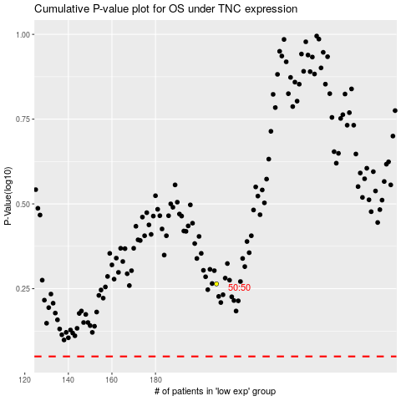

 |  |  |  |  |  | cases_OS | p_OS | rank | exp
 |  |  |  |  |  |  | cases_RFS | p_RFS | rank | exp

