TNF _multivariate
Reported by Tex Li-Hsing Chi. tex@gate.sinica.edu.tw 2019-08-15

Table 2. The clinicopathological features of HNSCC cohort and TNF expression. (Chi square test)
Cutoff at -0.248 (55.8%)
 |  | TNF expression |  | TNF expression |  | (Optimised)
 | Features | Low | (%) | High | (%) | Case no | P-value | Remark | Matthews
Gender | Female | 177 | 42.7 | 129 | 31.1 | 415 | 0.2221 | 0 | 0
2 | Male | 55 | 13.3 | 54 | 13
Age at diagnosis | <=65y | 150 | 36.1 | 124 | 29.9 | 415 | 0.5764 | 0 | 0
4 | >65y | 82 | 19.8 | 59 | 14.2
Clinical T Status | T1+T2 | 74 | 17.8 | 75 | 18.1 | 415 | 0.0698 | 0 | 0
6 | T3+T4 | 158 | 38.1 | 108 | 26
Clinical N Status | N0 | 120 | 28.9 | 96 | 23.1 | 415 | 0.9603 | 0 | 0
8 | N1-3 | 112 | 27 | 87 | 21
Clinical M Status | M0 | 230 | 55.4 | 182 | 43.9 | 415 | 1 | 0 | 0
10 | M1 | 2 | 0.5 | 1 | 0.2
Clinical Stage | Stage I+II | 50 | 12 | 52 | 12.5 | 415 | 0.1342 | 0 | 0
12 | Stage III+IV | 182 | 43.9 | 131 | 31.6
Surgical Margin status | Negative | 176 | 42.4 | 142 | 34.2 | 415 | 0.7266 | 0 | 0
14 | Positive | 56 | 13.5 | 41 | 9.9
Tobacco Exposure | Low | 88 | 21.2 | 73 | 17.6 | 415 | 0.6864 | 0 | 0
16 | High | 144 | 34.7 | 110 | 26.5

Table 3. Univariate/Multivariate Cox's proportional hazards regression analyses on OS time of TNF gene expression in HNSCC

 |  | Univariate |  |  |  | Multivariate
 | Features | HR | CI95%(L) | CI95%(H) | P-value | HR | CI95%(L) | CI95%(H) | P-value
1 | Female | 1 |  |  |  | 1
Gender | Male | 1.157 | 0.843 | 1.587 | 0.367 | 1.248 | 0.892 | 1.746 | 0.196
11 | <=65y | 1 |  |  |  | 1
Age at diagnosis | >65y | 1.329 | 0.99 | 1.784 | 0.058 | 1.382 | 1.017 | 1.878 | 0.039
12 | T1+T2 | 1 |  |  |  | 1
Clinical T Status | T3+T4 | 1.409 | 1.028 | 1.931 | 0.033 | 2.143 | 1.134 | 4.051 | 0.019
13 | N0 | 1 |  |  |  | 1
Clinical N Status | N1-3 | 1.185 | 0.89 | 1.577 | 0.246 | 1.244 | 0.872 | 1.775 | 0.228
14 | M0 | 1 |  |  |  | 1
Clinical M Status | M1 | 4.097 | 1.009 | 16.644 | 0.049 | 9.154 | 1.997 | 41.961 | 0.004
15 | Stage I+II | 1 |  |  |  | 1
Clinical Stage | Stage III+IV | 1.245 | 0.882 | 1.759 | 0.213 | 0.494 | 0.23 | 1.061 | 0.071
16 | Negative | 1 |  |  |  | 1
Surgical Margin status | Positive | 1.591 | 1.155 | 2.191 | 0.004 | 1.699 | 1.229 | 2.347 | 0.001
17 | Low | 1 |  |  |  | 1
Tobacco Exposure | High | 1.364 | 1.008 | 1.844 | 0.044 | 1.467 | 1.065 | 2.021 | 0.019
18 | Low | 1 |  |  |  | 1
RNAseq(z-score) | High | 0.724 | 0.538 | 0.972 | 0.032 | 0.726 | 0.537 | 0.98 | 0.036

Table 4. Univariate/Multivariate Cox's proportional hazards regression analyses on RFS time of TNF gene expression in HNSCC

 |  | Univariate |  |  |  | Multivariate
 | Features | HR | CI95%(L) | CI95%(H) | P-value | HR | CI95%(L) | CI95%(H) | P-value
1 | Female | 1 |  |  |  | 1
Gender | Male | 1.157 | 0.843 | 1.587 | 0.367 | 1.248 | 0.892 | 1.746 | 0.196
11 | <=65y | 1 |  |  |  | 1
Age at diagnosis | >65y | 1.329 | 0.99 | 1.784 | 0.058 | 1.382 | 1.017 | 1.878 | 0.039
12 | T1+T2 | 1 |  |  |  | 1
Clinical T Status | T3+T4 | 1.409 | 1.028 | 1.931 | 0.033 | 2.143 | 1.134 | 4.051 | 0.019
13 | N0 | 1 |  |  |  | 1
Clinical N Status | N1-3 | 1.185 | 0.89 | 1.577 | 0.246 | 1.244 | 0.872 | 1.775 | 0.228
14 | M0 | 1 |  |  |  | 1
Clinical M Status | M1 | 4.097 | 1.009 | 16.644 | 0.049 | 9.154 | 1.997 | 41.961 | 0.004
15 | Stage I+II | 1 |  |  |  | 1
Clinical Stage | Stage III+IV | 1.245 | 0.882 | 1.759 | 0.213 | 0.494 | 0.23 | 1.061 | 0.071
16 | Negative | 1 |  |  |  | 1
Surgical Margin status | Positive | 1.591 | 1.155 | 2.191 | 0.004 | 1.699 | 1.229 | 2.347 | 0.001
17 | Low | 1 |  |  |  | 1
Tobacco Exposure | High | 1.364 | 1.008 | 1.844 | 0.044 | 1.467 | 1.065 | 2.021 | 0.019
18 | Low | 1 |  |  |  | 1
RNAseq(z-score) | High | 0.724 | 0.538 | 0.972 | 0.032 | 0.726 | 0.537 | 0.98 | 0.036

Kaplan-Meier survival estimate: Cutoff at -0.248 (55.8%)

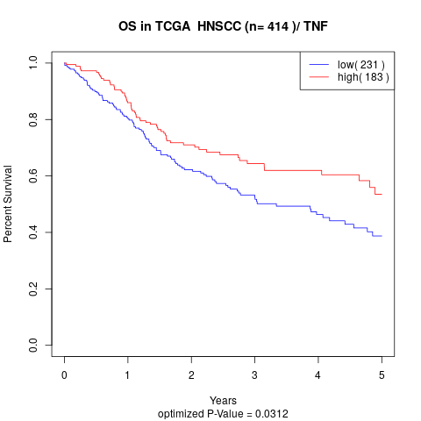

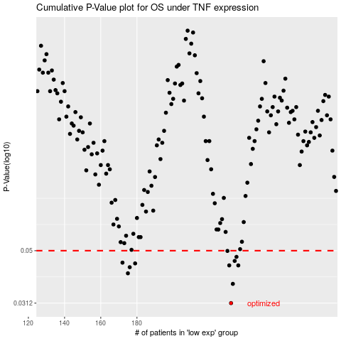

 |  |  |  |  |  | cases_OS | p_OS | rank | exp
 |  |  |  |  |  | 232 | 0.0312 | 288 | -0.24811591403
 |  |  |  |  |  | 233 | 0.0371 | 126 | -0.23854908677
 |  |  |  |  |  | 175 | 0.0408 | 246 | -0.3913987494
 |  |  |  |  |  | 176 | 0.0431 | 303 | -0.39026154431
 |  |  |  |  |  | 231 | 0.0438 | 115 | -0.25179144672
 |  |  |  |  |  | 236 | 0.0438 | 317 | -0.23201838254
 |  |  |  |  |  | 179 | 0.0446 | 183 | -0.38902778406
 |  |  |  |  |  | 172 | 0.0449 | 17 | -0.40118658067
 |  |  |  |  |  | 234 | 0.0456 | 94 | -0.23794329261
 |  |  |  |  |  | 235 | 0.0473 | 7 | -0.23594352818
 |  |  |  |  |  | 230 | 0.0499 | 366 | -0.26289958026
 |  |  |  |  |  |  | cases_RFS | p_RFS | rank | exp
 |  |  |  |  |  |  | 231 | 0.0312 | 115 | -0.25179144672
 |  |  |  |  |  |  | 232 | 0.0371 | 288 | -0.24811591403
 |  |  |  |  |  |  | 174 | 0.0408 | 99 | -0.3918278834
 |  |  |  |  |  |  | 175 | 0.0431 | 246 | -0.3913987494
 |  |  |  |  |  |  | 235 | 0.0438 | 7 | -0.23594352818
 |  |  |  |  |  |  | 230 | 0.0438 | 366 | -0.26289958026
 |  |  |  |  |  |  | 178 | 0.0446 | 52 | -0.38954274486
 |  |  |  |  |  |  | 171 | 0.0449 | 338 | -0.40358687017
 |  |  |  |  |  |  | 233 | 0.0456 | 126 | -0.23854908677
 |  |  |  |  |  |  | 234 | 0.0473 | 94 | -0.23794329261
 |  |  |  |  |  |  | 229 | 0.0499 | 323 | -0.26547080814

