TNFAIP3 _multivariate
Reported by Tex Li-Hsing Chi. tex@gate.sinica.edu.tw 2019-08-15

Table 2. The clinicopathological features of HNSCC cohort and TNFAIP3 expression. (Chi square test)
Cutoff at -0.203 (50.0%)
 |  | TNFAIP3 expression |  | TNFAIP3 expression |  | (Optimised)
 | Features | Low | (%) | High | (%) | Case no | P-value | Remark | Matthews
Gender | Female | 154 | 37.1 | 152 | 36.6 | 415 | 0.8463 | 0 | 0
2 | Male | 53 | 12.8 | 56 | 13.5
Age at diagnosis | <=65y | 132 | 31.8 | 142 | 34.2 | 415 | 0.3874 | 0 | 0
4 | >65y | 75 | 18.1 | 66 | 15.9
Clinical T Status | T1+T2 | 79 | 19 | 70 | 16.9 | 415 | 0.3924 | 0 | 0
6 | T3+T4 | 128 | 30.8 | 138 | 33.3
Clinical N Status | N0 | 119 | 28.7 | 97 | 23.4 | 415 | 0.0345 | 1 | 0
8 | N1-3 | 88 | 21.2 | 111 | 26.7
Clinical M Status | M0 | 206 | 49.6 | 206 | 49.6 | 415 | 1 | 0 | 0
10 | M1 | 1 | 0.2 | 2 | 0.5
Clinical Stage | Stage I+II | 59 | 14.2 | 43 | 10.4 | 415 | 0.0822 | 0 | 0
12 | Stage III+IV | 148 | 35.7 | 165 | 39.8
Surgical Margin status | Negative | 156 | 37.6 | 162 | 39 | 415 | 0.5636 | 0 | 0
14 | Positive | 51 | 12.3 | 46 | 11.1
Tobacco Exposure | Low | 84 | 20.2 | 77 | 18.6 | 415 | 0.4816 | 0 | 0
16 | High | 123 | 29.6 | 131 | 31.6

Table 3. Univariate/Multivariate Cox's proportional hazards regression analyses on OS time of TNFAIP3 gene expression in HNSCC

 |  | Univariate |  |  |  | Multivariate
 | Features | HR | CI95%(L) | CI95%(H) | P-value | HR | CI95%(L) | CI95%(H) | P-value
1 | Female | 1 |  |  |  | 1
Gender | Male | 1.157 | 0.843 | 1.587 | 0.367 | 1.203 | 0.862 | 1.679 | 0.277
11 | <=65y | 1 |  |  |  | 1
Age at diagnosis | >65y | 1.329 | 0.99 | 1.784 | 0.058 | 1.393 | 1.024 | 1.893 | 0.034
12 | T1+T2 | 1 |  |  |  | 1
Clinical T Status | T3+T4 | 1.409 | 1.028 | 1.931 | 0.033 | 2.214 | 1.171 | 4.186 | 0.014
13 | N0 | 1 |  |  |  | 1
Clinical N Status | N1-3 | 1.185 | 0.89 | 1.577 | 0.246 | 1.226 | 0.858 | 1.752 | 0.262
14 | M0 | 1 |  |  |  | 1
Clinical M Status | M1 | 4.097 | 1.009 | 16.644 | 0.049 | 9.439 | 2.059 | 43.262 | 0.004
15 | Stage I+II | 1 |  |  |  | 1
Clinical Stage | Stage III+IV | 1.245 | 0.882 | 1.759 | 0.213 | 0.5 | 0.233 | 1.073 | 0.075
16 | Negative | 1 |  |  |  | 1
Surgical Margin status | Positive | 1.591 | 1.155 | 2.191 | 0.004 | 1.679 | 1.215 | 2.321 | 0.002
17 | Low | 1 |  |  |  | 1
Tobacco Exposure | High | 1.364 | 1.008 | 1.844 | 0.044 | 1.46 | 1.06 | 2.011 | 0.021
18 | Low | 1 |  |  |  | 1
RNAseq(z-score) | High | 1.094 | 0.821 | 1.457 | 0.541 | 1.126 | 0.842 | 1.505 | 0.423

Table 4. Univariate/Multivariate Cox's proportional hazards regression analyses on RFS time of TNFAIP3 gene expression in HNSCC

 |  | Univariate |  |  |  | Multivariate
 | Features | HR | CI95%(L) | CI95%(H) | P-value | HR | CI95%(L) | CI95%(H) | P-value
1 | Female | 1 |  |  |  | 1
Gender | Male | 1.157 | 0.843 | 1.587 | 0.367 | 1.203 | 0.862 | 1.679 | 0.277
11 | <=65y | 1 |  |  |  | 1
Age at diagnosis | >65y | 1.329 | 0.99 | 1.784 | 0.058 | 1.393 | 1.024 | 1.893 | 0.034
12 | T1+T2 | 1 |  |  |  | 1
Clinical T Status | T3+T4 | 1.409 | 1.028 | 1.931 | 0.033 | 2.214 | 1.171 | 4.186 | 0.014
13 | N0 | 1 |  |  |  | 1
Clinical N Status | N1-3 | 1.185 | 0.89 | 1.577 | 0.246 | 1.226 | 0.858 | 1.752 | 0.262
14 | M0 | 1 |  |  |  | 1
Clinical M Status | M1 | 4.097 | 1.009 | 16.644 | 0.049 | 9.439 | 2.059 | 43.262 | 0.004
15 | Stage I+II | 1 |  |  |  | 1
Clinical Stage | Stage III+IV | 1.245 | 0.882 | 1.759 | 0.213 | 0.5 | 0.233 | 1.073 | 0.075
16 | Negative | 1 |  |  |  | 1
Surgical Margin status | Positive | 1.591 | 1.155 | 2.191 | 0.004 | 1.679 | 1.215 | 2.321 | 0.002
17 | Low | 1 |  |  |  | 1
Tobacco Exposure | High | 1.364 | 1.008 | 1.844 | 0.044 | 1.46 | 1.06 | 2.011 | 0.021
18 | Low | 1 |  |  |  | 1
RNAseq(z-score) | High | 1.094 | 0.821 | 1.457 | 0.541 | 1.126 | 0.842 | 1.505 | 0.423

Kaplan-Meier survival estimate: Cutoff at -0.203 (50.0%)



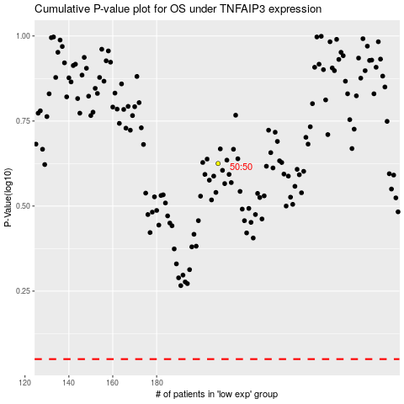

 |  |  |  |  |  | cases_OS | p_OS | rank | exp
 |  |  |  |  |  |  | cases_RFS | p_RFS | rank | exp

