TNFAIP8 _multivariate
Reported by Tex Li-Hsing Chi. tex@gate.sinica.edu.tw 2019-08-15

Table 2. The clinicopathological features of HNSCC cohort and TNFAIP8 expression. (Chi square test)
Cutoff at -0.14 (50.0%)
 |  | TNFAIP8 expression |  | TNFAIP8 expression |  | (Optimised)
 | Features | Low | (%) | High | (%) | Case no | P-value | Remark | Matthews
Gender | Female | 162 | 39 | 144 | 34.7 | 415 | 0.0479 | 1 | 0
2 | Male | 45 | 10.8 | 64 | 15.4
Age at diagnosis | <=65y | 138 | 33.3 | 136 | 32.8 | 415 | 0.8634 | 0 | 0
4 | >65y | 69 | 16.6 | 72 | 17.3
Clinical T Status | T1+T2 | 64 | 15.4 | 85 | 20.5 | 415 | 0.0445 | 1 | 0
6 | T3+T4 | 143 | 34.5 | 123 | 29.6
Clinical N Status | N0 | 109 | 26.3 | 107 | 25.8 | 415 | 0.8812 | 0 | 0
8 | N1-3 | 98 | 23.6 | 101 | 24.3
Clinical M Status | M0 | 205 | 49.4 | 207 | 49.9 | 415 | 0.6232 | 0 | 0
10 | M1 | 2 | 0.5 | 1 | 0.2
Clinical Stage | Stage I+II | 46 | 11.1 | 56 | 13.5 | 415 | 0.3182 | 0 | 0
12 | Stage III+IV | 161 | 38.8 | 152 | 36.6
Surgical Margin status | Negative | 163 | 39.3 | 155 | 37.3 | 415 | 0.3537 | 0 | 0
14 | Positive | 44 | 10.6 | 53 | 12.8
Tobacco Exposure | Low | 71 | 17.1 | 90 | 21.7 | 415 | 0.0698 | 0 | 0
16 | High | 136 | 32.8 | 118 | 28.4

Table 3. Univariate/Multivariate Cox's proportional hazards regression analyses on OS time of TNFAIP8 gene expression in HNSCC

 |  | Univariate |  |  |  | Multivariate
 | Features | HR | CI95%(L) | CI95%(H) | P-value | HR | CI95%(L) | CI95%(H) | P-value
1 | Female | 1 |  |  |  | 1
Gender | Male | 1.157 | 0.843 | 1.587 | 0.367 | 1.194 | 0.855 | 1.668 | 0.297
11 | <=65y | 1 |  |  |  | 1
Age at diagnosis | >65y | 1.329 | 0.99 | 1.784 | 0.058 | 1.401 | 1.03 | 1.905 | 0.032
12 | T1+T2 | 1 |  |  |  | 1
Clinical T Status | T3+T4 | 1.409 | 1.028 | 1.931 | 0.033 | 2.257 | 1.19 | 4.281 | 0.013
13 | N0 | 1 |  |  |  | 1
Clinical N Status | N1-3 | 1.185 | 0.89 | 1.577 | 0.246 | 1.24 | 0.87 | 1.768 | 0.235
14 | M0 | 1 |  |  |  | 1
Clinical M Status | M1 | 4.097 | 1.009 | 16.644 | 0.049 | 9.92 | 2.15 | 45.778 | 0.003
15 | Stage I+II | 1 |  |  |  | 1
Clinical Stage | Stage III+IV | 1.245 | 0.882 | 1.759 | 0.213 | 0.502 | 0.234 | 1.078 | 0.077
16 | Negative | 1 |  |  |  | 1
Surgical Margin status | Positive | 1.591 | 1.155 | 2.191 | 0.004 | 1.646 | 1.189 | 2.28 | 0.003
17 | Low | 1 |  |  |  | 1
Tobacco Exposure | High | 1.364 | 1.008 | 1.844 | 0.044 | 1.478 | 1.069 | 2.044 | 0.018
18 | Low | 1 |  |  |  | 1
RNAseq(z-score) | High | 1.038 | 0.78 | 1.383 | 0.797 | 1.119 | 0.83 | 1.51 | 0.46

Table 4. Univariate/Multivariate Cox's proportional hazards regression analyses on RFS time of TNFAIP8 gene expression in HNSCC

 |  | Univariate |  |  |  | Multivariate
 | Features | HR | CI95%(L) | CI95%(H) | P-value | HR | CI95%(L) | CI95%(H) | P-value
1 | Female | 1 |  |  |  | 1
Gender | Male | 1.157 | 0.843 | 1.587 | 0.367 | 1.194 | 0.855 | 1.668 | 0.297
11 | <=65y | 1 |  |  |  | 1
Age at diagnosis | >65y | 1.329 | 0.99 | 1.784 | 0.058 | 1.401 | 1.03 | 1.905 | 0.032
12 | T1+T2 | 1 |  |  |  | 1
Clinical T Status | T3+T4 | 1.409 | 1.028 | 1.931 | 0.033 | 2.257 | 1.19 | 4.281 | 0.013
13 | N0 | 1 |  |  |  | 1
Clinical N Status | N1-3 | 1.185 | 0.89 | 1.577 | 0.246 | 1.24 | 0.87 | 1.768 | 0.235
14 | M0 | 1 |  |  |  | 1
Clinical M Status | M1 | 4.097 | 1.009 | 16.644 | 0.049 | 9.92 | 2.15 | 45.778 | 0.003
15 | Stage I+II | 1 |  |  |  | 1
Clinical Stage | Stage III+IV | 1.245 | 0.882 | 1.759 | 0.213 | 0.502 | 0.234 | 1.078 | 0.077
16 | Negative | 1 |  |  |  | 1
Surgical Margin status | Positive | 1.591 | 1.155 | 2.191 | 0.004 | 1.646 | 1.189 | 2.28 | 0.003
17 | Low | 1 |  |  |  | 1
Tobacco Exposure | High | 1.364 | 1.008 | 1.844 | 0.044 | 1.478 | 1.069 | 2.044 | 0.018
18 | Low | 1 |  |  |  | 1
RNAseq(z-score) | High | 1.038 | 0.78 | 1.383 | 0.797 | 1.119 | 0.83 | 1.51 | 0.46

Kaplan-Meier survival estimate: Cutoff at -0.14 (50.0%)



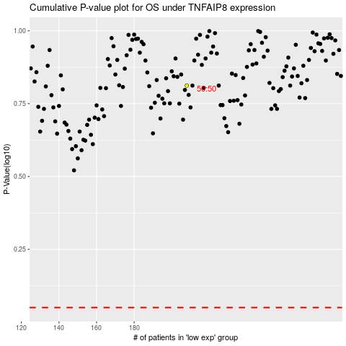

 |  |  |  |  |  | cases_OS | p_OS | rank | exp
 |  |  |  |  |  |  | cases_RFS | p_RFS | rank | exp

