TNFAIP8L1 _multivariate
Reported by Tex Li-Hsing Chi. tex@gate.sinica.edu.tw 2019-08-15

Table 2. The clinicopathological features of HNSCC cohort and TNFAIP8L1 expression. (Chi square test)
Cutoff at -0.433 (34.1%)
 |  | TNFAIP8L1 expression |  | TNFAIP8L1 expression |  | (Optimised)
 | Features | Low | (%) | High | (%) | Case no | P-value | Remark | Matthews
Gender | Female | 103 | 24.8 | 203 | 48.9 | 415 | 0.7772 | 0 | 0
2 | Male | 39 | 9.4 | 70 | 16.9
Age at diagnosis | <=65y | 87 | 21 | 187 | 45.1 | 415 | 0.1719 | 0 | 0
4 | >65y | 55 | 13.3 | 86 | 20.7
Clinical T Status | T1+T2 | 47 | 11.3 | 102 | 24.6 | 415 | 0.4525 | 0 | 0
6 | T3+T4 | 95 | 22.9 | 171 | 41.2
Clinical N Status | N0 | 73 | 17.6 | 143 | 34.5 | 415 | 0.9326 | 0 | 0
8 | N1-3 | 69 | 16.6 | 130 | 31.3
Clinical M Status | M0 | 140 | 33.7 | 272 | 65.5 | 415 | 0.2706 | 0 | 0
10 | M1 | 2 | 0.5 | 1 | 0.2
Clinical Stage | Stage I+II | 33 | 8 | 69 | 16.6 | 415 | 0.7363 | 0 | 0
12 | Stage III+IV | 109 | 26.3 | 204 | 49.2
Surgical Margin status | Negative | 106 | 25.5 | 212 | 51.1 | 415 | 0.5413 | 0 | 0
14 | Positive | 36 | 8.7 | 61 | 14.7
Tobacco Exposure | Low | 56 | 13.5 | 105 | 25.3 | 415 | 0.9155 | 0 | 0
16 | High | 86 | 20.7 | 168 | 40.5

Table 3. Univariate/Multivariate Cox's proportional hazards regression analyses on OS time of TNFAIP8L1 gene expression in HNSCC

 |  | Univariate |  |  |  | Multivariate
 | Features | HR | CI95%(L) | CI95%(H) | P-value | HR | CI95%(L) | CI95%(H) | P-value
1 | Female | 1 |  |  |  | 1
Gender | Male | 1.157 | 0.843 | 1.587 | 0.367 | 1.19 | 0.853 | 1.662 | 0.306
11 | <=65y | 1 |  |  |  | 1
Age at diagnosis | >65y | 1.329 | 0.99 | 1.784 | 0.058 | 1.387 | 1.02 | 1.886 | 0.037
12 | T1+T2 | 1 |  |  |  | 1
Clinical T Status | T3+T4 | 1.409 | 1.028 | 1.931 | 0.033 | 2.194 | 1.16 | 4.15 | 0.016
13 | N0 | 1 |  |  |  | 1
Clinical N Status | N1-3 | 1.185 | 0.89 | 1.577 | 0.246 | 1.256 | 0.881 | 1.792 | 0.208
14 | M0 | 1 |  |  |  | 1
Clinical M Status | M1 | 4.097 | 1.009 | 16.644 | 0.049 | 8.79 | 1.913 | 40.398 | 0.005
15 | Stage I+II | 1 |  |  |  | 1
Clinical Stage | Stage III+IV | 1.245 | 0.882 | 1.759 | 0.213 | 0.501 | 0.234 | 1.074 | 0.076
16 | Negative | 1 |  |  |  | 1
Surgical Margin status | Positive | 1.591 | 1.155 | 2.191 | 0.004 | 1.641 | 1.186 | 2.27 | 0.003
17 | Low | 1 |  |  |  | 1
Tobacco Exposure | High | 1.364 | 1.008 | 1.844 | 0.044 | 1.444 | 1.049 | 1.988 | 0.024
18 | Low | 1 |  |  |  | 1
RNAseq(z-score) | High | 0.743 | 0.552 | 1.001 | 0.051 | 0.786 | 0.583 | 1.061 | 0.115

Table 4. Univariate/Multivariate Cox's proportional hazards regression analyses on RFS time of TNFAIP8L1 gene expression in HNSCC

 |  | Univariate |  |  |  | Multivariate
 | Features | HR | CI95%(L) | CI95%(H) | P-value | HR | CI95%(L) | CI95%(H) | P-value
1 | Female | 1 |  |  |  | 1
Gender | Male | 1.157 | 0.843 | 1.587 | 0.367 | 1.19 | 0.853 | 1.662 | 0.306
11 | <=65y | 1 |  |  |  | 1
Age at diagnosis | >65y | 1.329 | 0.99 | 1.784 | 0.058 | 1.387 | 1.02 | 1.886 | 0.037
12 | T1+T2 | 1 |  |  |  | 1
Clinical T Status | T3+T4 | 1.409 | 1.028 | 1.931 | 0.033 | 2.194 | 1.16 | 4.15 | 0.016
13 | N0 | 1 |  |  |  | 1
Clinical N Status | N1-3 | 1.185 | 0.89 | 1.577 | 0.246 | 1.256 | 0.881 | 1.792 | 0.208
14 | M0 | 1 |  |  |  | 1
Clinical M Status | M1 | 4.097 | 1.009 | 16.644 | 0.049 | 8.79 | 1.913 | 40.398 | 0.005
15 | Stage I+II | 1 |  |  |  | 1
Clinical Stage | Stage III+IV | 1.245 | 0.882 | 1.759 | 0.213 | 0.501 | 0.234 | 1.074 | 0.076
16 | Negative | 1 |  |  |  | 1
Surgical Margin status | Positive | 1.591 | 1.155 | 2.191 | 0.004 | 1.641 | 1.186 | 2.27 | 0.003
17 | Low | 1 |  |  |  | 1
Tobacco Exposure | High | 1.364 | 1.008 | 1.844 | 0.044 | 1.444 | 1.049 | 1.988 | 0.024
18 | Low | 1 |  |  |  | 1
RNAseq(z-score) | High | 0.743 | 0.552 | 1.001 | 0.051 | 0.786 | 0.583 | 1.061 | 0.115

Kaplan-Meier survival estimate: Cutoff at -0.433 (34.1%)



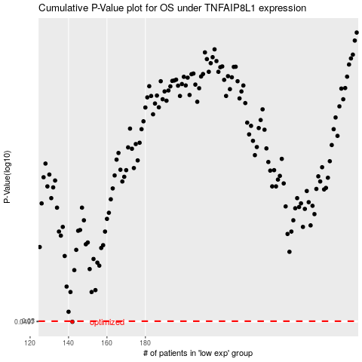

 |  |  |  |  |  | cases_OS | p_OS | rank | exp
 |  |  |  |  |  | 142 | 0.0497 | 230 | -0.43341576716
 |  |  |  |  |  |  | cases_RFS | p_RFS | rank | exp
 |  |  |  |  |  |  | 141 | 0.0497 | 364 | -0.43433752513

