TNFAIP8L2 _multivariate
Reported by Tex Li-Hsing Chi. tex@gate.sinica.edu.tw 2019-08-15

Table 2. The clinicopathological features of HNSCC cohort and TNFAIP8L2 expression. (Chi square test)
Cutoff at -0.59 (30.2%)
 |  | TNFAIP8L2 expression |  | TNFAIP8L2 expression |  | (Optimised)
 | Features | Low | (%) | High | (%) | Case no | P-value | Remark | Matthews
Gender | Female | 101 | 24.3 | 205 | 49.4 | 415 | 0.0428 | 1 | 0
2 | Male | 24 | 5.8 | 85 | 20.5
Age at diagnosis | <=65y | 87 | 21 | 187 | 45.1 | 415 | 0.3698 | 0 | 0
4 | >65y | 38 | 9.2 | 103 | 24.8
Clinical T Status | T1+T2 | 39 | 9.4 | 110 | 26.5 | 415 | 0.2302 | 0 | 0
6 | T3+T4 | 86 | 20.7 | 180 | 43.4
Clinical N Status | N0 | 74 | 17.8 | 142 | 34.2 | 415 | 0.0707 | 0 | 0
8 | N1-3 | 51 | 12.3 | 148 | 35.7
Clinical M Status | M0 | 125 | 30.1 | 287 | 69.2 | 415 | 0.5571 | 0 | 0
10 | M1 | 0 | 0 | 3 | 0.7
Clinical Stage | Stage I+II | 31 | 7.5 | 71 | 17.1 | 415 | 1 | 0 | 0
12 | Stage III+IV | 94 | 22.7 | 219 | 52.8
Surgical Margin status | Negative | 95 | 22.9 | 223 | 53.7 | 415 | 0.8995 | 0 | 0
14 | Positive | 30 | 7.2 | 67 | 16.1
Tobacco Exposure | Low | 40 | 9.6 | 121 | 29.2 | 415 | 0.0633 | 0 | 0
16 | High | 85 | 20.5 | 169 | 40.7

Table 3. Univariate/Multivariate Cox's proportional hazards regression analyses on OS time of TNFAIP8L2 gene expression in HNSCC

 |  | Univariate |  |  |  | Multivariate
 | Features | HR | CI95%(L) | CI95%(H) | P-value | HR | CI95%(L) | CI95%(H) | P-value
1 | Female | 1 |  |  |  | 1
Gender | Male | 1.157 | 0.843 | 1.587 | 0.367 | 1.232 | 0.882 | 1.722 | 0.221
11 | <=65y | 1 |  |  |  | 1
Age at diagnosis | >65y | 1.329 | 0.99 | 1.784 | 0.058 | 1.432 | 1.053 | 1.947 | 0.022
12 | T1+T2 | 1 |  |  |  | 1
Clinical T Status | T3+T4 | 1.409 | 1.028 | 1.931 | 0.033 | 2.151 | 1.139 | 4.065 | 0.018
13 | N0 | 1 |  |  |  | 1
Clinical N Status | N1-3 | 1.185 | 0.89 | 1.577 | 0.246 | 1.294 | 0.906 | 1.85 | 0.157
14 | M0 | 1 |  |  |  | 1
Clinical M Status | M1 | 4.097 | 1.009 | 16.644 | 0.049 | 10.349 | 2.252 | 47.56 | 0.003
15 | Stage I+II | 1 |  |  |  | 1
Clinical Stage | Stage III+IV | 1.245 | 0.882 | 1.759 | 0.213 | 0.509 | 0.237 | 1.092 | 0.083
16 | Negative | 1 |  |  |  | 1
Surgical Margin status | Positive | 1.591 | 1.155 | 2.191 | 0.004 | 1.682 | 1.217 | 2.323 | 0.002
17 | Low | 1 |  |  |  | 1
Tobacco Exposure | High | 1.364 | 1.008 | 1.844 | 0.044 | 1.395 | 1.011 | 1.926 | 0.043
18 | Low | 1 |  |  |  | 1
RNAseq(z-score) | High | 0.723 | 0.534 | 0.98 | 0.037 | 0.691 | 0.505 | 0.945 | 0.021

Table 4. Univariate/Multivariate Cox's proportional hazards regression analyses on RFS time of TNFAIP8L2 gene expression in HNSCC

 |  | Univariate |  |  |  | Multivariate
 | Features | HR | CI95%(L) | CI95%(H) | P-value | HR | CI95%(L) | CI95%(H) | P-value
1 | Female | 1 |  |  |  | 1
Gender | Male | 1.157 | 0.843 | 1.587 | 0.367 | 1.232 | 0.882 | 1.722 | 0.221
11 | <=65y | 1 |  |  |  | 1
Age at diagnosis | >65y | 1.329 | 0.99 | 1.784 | 0.058 | 1.432 | 1.053 | 1.947 | 0.022
12 | T1+T2 | 1 |  |  |  | 1
Clinical T Status | T3+T4 | 1.409 | 1.028 | 1.931 | 0.033 | 2.151 | 1.139 | 4.065 | 0.018
13 | N0 | 1 |  |  |  | 1
Clinical N Status | N1-3 | 1.185 | 0.89 | 1.577 | 0.246 | 1.294 | 0.906 | 1.85 | 0.157
14 | M0 | 1 |  |  |  | 1
Clinical M Status | M1 | 4.097 | 1.009 | 16.644 | 0.049 | 10.349 | 2.252 | 47.56 | 0.003
15 | Stage I+II | 1 |  |  |  | 1
Clinical Stage | Stage III+IV | 1.245 | 0.882 | 1.759 | 0.213 | 0.509 | 0.237 | 1.092 | 0.083
16 | Negative | 1 |  |  |  | 1
Surgical Margin status | Positive | 1.591 | 1.155 | 2.191 | 0.004 | 1.682 | 1.217 | 2.323 | 0.002
17 | Low | 1 |  |  |  | 1
Tobacco Exposure | High | 1.364 | 1.008 | 1.844 | 0.044 | 1.395 | 1.011 | 1.926 | 0.043
18 | Low | 1 |  |  |  | 1
RNAseq(z-score) | High | 0.723 | 0.534 | 0.98 | 0.037 | 0.691 | 0.505 | 0.945 | 0.021

Kaplan-Meier survival estimate: Cutoff at -0.59 (30.2%)



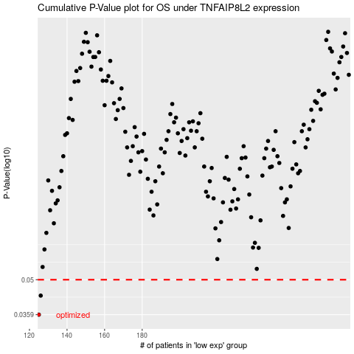

 |  |  |  |  |  | cases_OS | p_OS | rank | exp
 |  |  |  |  |  | 125 | 0.0359 | 156 | -0.58978342686
 |  |  |  |  |  | 126 | 0.043 | 189 | -0.58939054651
 |  |  |  |  |  |  | cases_RFS | p_RFS | rank | exp
 |  |  |  |  |  |  |  | 0.0359 | 88 | -0.60564761885
 |  |  |  |  |  |  | 125 | 0.043 | 156 | -0.58978342686

