TNFAIP8L3 _multivariate
Reported by Tex Li-Hsing Chi. tex@gate.sinica.edu.tw 2019-08-15

Table 2. The clinicopathological features of HNSCC cohort and TNFAIP8L3 expression. (Chi square test)
Cutoff at -0.219 (56.5%)
 |  | TNFAIP8L3 expression |  | TNFAIP8L3 expression |  | (Optimised)
 | Features | Low | (%) | High | (%) | Case no | P-value | Remark | Matthews
Gender | Female | 186 | 44.8 | 120 | 28.9 | 415 | 0.0036 | 1 | 0
2 | Male | 48 | 11.6 | 61 | 14.7
Age at diagnosis | <=65y | 152 | 36.6 | 122 | 29.4 | 415 | 0.6765 | 0 | 0
4 | >65y | 82 | 19.8 | 59 | 14.2
Clinical T Status | T1+T2 | 80 | 19.3 | 69 | 16.6 | 415 | 0.4683 | 0 | 0
6 | T3+T4 | 154 | 37.1 | 112 | 27
Clinical N Status | N0 | 117 | 28.2 | 99 | 23.9 | 415 | 0.395 | 0 | 0
8 | N1-3 | 117 | 28.2 | 82 | 19.8
Clinical M Status | M0 | 232 | 55.9 | 180 | 43.4 | 415 | 1 | 0 | 0
10 | M1 | 2 | 0.5 | 1 | 0.2
Clinical Stage | Stage I+II | 52 | 12.5 | 50 | 12 | 415 | 0.2491 | 0 | 0
12 | Stage III+IV | 182 | 43.9 | 131 | 31.6
Surgical Margin status | Negative | 176 | 42.4 | 142 | 34.2 | 415 | 0.4836 | 0 | 0
14 | Positive | 58 | 14 | 39 | 9.4
Tobacco Exposure | Low | 84 | 20.2 | 77 | 18.6 | 415 | 0.187 | 0 | 0
16 | High | 150 | 36.1 | 104 | 25.1

Table 3. Univariate/Multivariate Cox's proportional hazards regression analyses on OS time of TNFAIP8L3 gene expression in HNSCC

 |  | Univariate |  |  |  | Multivariate
 | Features | HR | CI95%(L) | CI95%(H) | P-value | HR | CI95%(L) | CI95%(H) | P-value
1 | Female | 1 |  |  |  | 1
Gender | Male | 1.157 | 0.843 | 1.587 | 0.367 | 1.275 | 0.909 | 1.79 | 0.159
11 | <=65y | 1 |  |  |  | 1
Age at diagnosis | >65y | 1.329 | 0.99 | 1.784 | 0.058 | 1.365 | 1.004 | 1.855 | 0.047
12 | T1+T2 | 1 |  |  |  | 1
Clinical T Status | T3+T4 | 1.409 | 1.028 | 1.931 | 0.033 | 2.198 | 1.162 | 4.155 | 0.015
13 | N0 | 1 |  |  |  | 1
Clinical N Status | N1-3 | 1.185 | 0.89 | 1.577 | 0.246 | 1.207 | 0.844 | 1.725 | 0.302
14 | M0 | 1 |  |  |  | 1
Clinical M Status | M1 | 4.097 | 1.009 | 16.644 | 0.049 | 9.553 | 2.084 | 43.79 | 0.004
15 | Stage I+II | 1 |  |  |  | 1
Clinical Stage | Stage III+IV | 1.245 | 0.882 | 1.759 | 0.213 | 0.512 | 0.238 | 1.1 | 0.086
16 | Negative | 1 |  |  |  | 1
Surgical Margin status | Positive | 1.591 | 1.155 | 2.191 | 0.004 | 1.662 | 1.203 | 2.298 | 0.002
17 | Low | 1 |  |  |  | 1
Tobacco Exposure | High | 1.364 | 1.008 | 1.844 | 0.044 | 1.462 | 1.061 | 2.014 | 0.02
18 | Low | 1 |  |  |  | 1
RNAseq(z-score) | High | 0.73 | 0.544 | 0.979 | 0.036 | 0.721 | 0.534 | 0.974 | 0.033

Table 4. Univariate/Multivariate Cox's proportional hazards regression analyses on RFS time of TNFAIP8L3 gene expression in HNSCC

 |  | Univariate |  |  |  | Multivariate
 | Features | HR | CI95%(L) | CI95%(H) | P-value | HR | CI95%(L) | CI95%(H) | P-value
1 | Female | 1 |  |  |  | 1
Gender | Male | 1.157 | 0.843 | 1.587 | 0.367 | 1.275 | 0.909 | 1.79 | 0.159
11 | <=65y | 1 |  |  |  | 1
Age at diagnosis | >65y | 1.329 | 0.99 | 1.784 | 0.058 | 1.365 | 1.004 | 1.855 | 0.047
12 | T1+T2 | 1 |  |  |  | 1
Clinical T Status | T3+T4 | 1.409 | 1.028 | 1.931 | 0.033 | 2.198 | 1.162 | 4.155 | 0.015
13 | N0 | 1 |  |  |  | 1
Clinical N Status | N1-3 | 1.185 | 0.89 | 1.577 | 0.246 | 1.207 | 0.844 | 1.725 | 0.302
14 | M0 | 1 |  |  |  | 1
Clinical M Status | M1 | 4.097 | 1.009 | 16.644 | 0.049 | 9.553 | 2.084 | 43.79 | 0.004
15 | Stage I+II | 1 |  |  |  | 1
Clinical Stage | Stage III+IV | 1.245 | 0.882 | 1.759 | 0.213 | 0.512 | 0.238 | 1.1 | 0.086
16 | Negative | 1 |  |  |  | 1
Surgical Margin status | Positive | 1.591 | 1.155 | 2.191 | 0.004 | 1.662 | 1.203 | 2.298 | 0.002
17 | Low | 1 |  |  |  | 1
Tobacco Exposure | High | 1.364 | 1.008 | 1.844 | 0.044 | 1.462 | 1.061 | 2.014 | 0.02
18 | Low | 1 |  |  |  | 1
RNAseq(z-score) | High | 0.73 | 0.544 | 0.979 | 0.036 | 0.721 | 0.534 | 0.974 | 0.033

Kaplan-Meier survival estimate: Cutoff at -0.219 (56.5%)



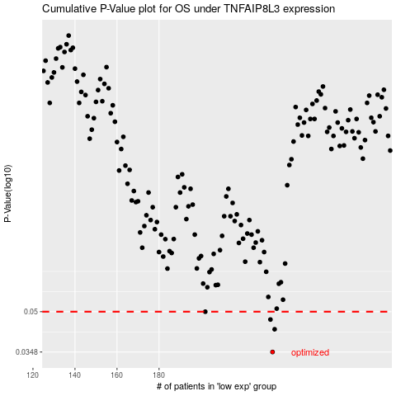

 |  |  |  |  |  | cases_OS | p_OS | rank | exp
 |  |  |  |  |  | 234 | 0.0348 | 30 | -0.21894631292
 |  |  |  |  |  | 235 | 0.0427 | 160 | -0.2175019444
 |  |  |  |  |  | 233 | 0.0466 | 88 | -0.23012857428
 |  |  |  |  |  | 202 | 0.05 | 151 | -0.34441312945
 |  |  |  |  |  |  | cases_RFS | p_RFS | rank | exp
 |  |  |  |  |  |  | 233 | 0.0348 | 88 | -0.23012857428
 |  |  |  |  |  |  | 234 | 0.0427 | 30 | -0.21894631292
 |  |  |  |  |  |  | 232 | 0.0466 | 265 | -0.23957604744
 |  |  |  |  |  |  | 201 | 0.05 | 54 | -0.34715720879

