TNFRSF10A _multivariate
Reported by Tex Li-Hsing Chi. tex@gate.sinica.edu.tw 2019-08-15

Table 2. The clinicopathological features of HNSCC cohort and TNFRSF10A expression. (Chi square test)
Cutoff at -0.187 (49.8%)
 |  | TNFRSF10A expression |  | TNFRSF10A expression |  | (Optimised)
 | Features | Low | (%) | High | (%) | Case no | P-value | Remark | Matthews
Gender | Female | 159 | 38.3 | 147 | 35.4 | 415 | 0.1905 | 0 | 0
2 | Male | 48 | 11.6 | 61 | 14.7
Age at diagnosis | <=65y | 146 | 35.2 | 128 | 30.8 | 415 | 0.0672 | 0 | 0
4 | >65y | 61 | 14.7 | 80 | 19.3
Clinical T Status | T1+T2 | 86 | 20.7 | 63 | 15.2 | 415 | 0.0221 | 1 | 0
6 | T3+T4 | 121 | 29.2 | 145 | 34.9
Clinical N Status | N0 | 114 | 27.5 | 102 | 24.6 | 415 | 0.2576 | 1 | 0
8 | N1-3 | 93 | 22.4 | 106 | 25.5
Clinical M Status | M0 | 204 | 49.2 | 208 | 50.1 | 415 | 0.1232 | 0 | 0
10 | M1 | 3 | 0.7 | 0 | 0
Clinical Stage | Stage I+II | 58 | 14 | 44 | 10.6 | 415 | 0.131 | 0 | 0
12 | Stage III+IV | 149 | 35.9 | 164 | 39.5
Surgical Margin status | Negative | 156 | 37.6 | 162 | 39 | 415 | 0.5636 | 0 | 0
14 | Positive | 51 | 12.3 | 46 | 11.1
Tobacco Exposure | Low | 80 | 19.3 | 81 | 19.5 | 415 | 1 | 0 | 0
16 | High | 127 | 30.6 | 127 | 30.6

Table 3. Univariate/Multivariate Cox's proportional hazards regression analyses on OS time of TNFRSF10A gene expression in HNSCC

 |  | Univariate |  |  |  | Multivariate
 | Features | HR | CI95%(L) | CI95%(H) | P-value | HR | CI95%(L) | CI95%(H) | P-value
1 | Female | 1 |  |  |  | 1
Gender | Male | 1.157 | 0.843 | 1.587 | 0.367 | 1.184 | 0.847 | 1.656 | 0.323
11 | <=65y | 1 |  |  |  | 1
Age at diagnosis | >65y | 1.329 | 0.99 | 1.784 | 0.058 | 1.364 | 1.001 | 1.858 | 0.049
12 | T1+T2 | 1 |  |  |  | 1
Clinical T Status | T3+T4 | 1.409 | 1.028 | 1.931 | 0.033 | 2.18 | 1.153 | 4.123 | 0.017
13 | N0 | 1 |  |  |  | 1
Clinical N Status | N1-3 | 1.185 | 0.89 | 1.577 | 0.246 | 1.233 | 0.864 | 1.759 | 0.249
14 | M0 | 1 |  |  |  | 1
Clinical M Status | M1 | 4.097 | 1.009 | 16.644 | 0.049 | 10.237 | 2.216 | 47.284 | 0.003
15 | Stage I+II | 1 |  |  |  | 1
Clinical Stage | Stage III+IV | 1.245 | 0.882 | 1.759 | 0.213 | 0.498 | 0.232 | 1.07 | 0.074
16 | Negative | 1 |  |  |  | 1
Surgical Margin status | Positive | 1.591 | 1.155 | 2.191 | 0.004 | 1.694 | 1.225 | 2.343 | 0.001
17 | Low | 1 |  |  |  | 1
Tobacco Exposure | High | 1.364 | 1.008 | 1.844 | 0.044 | 1.471 | 1.066 | 2.029 | 0.019
18 | Low | 1 |  |  |  | 1
RNAseq(z-score) | High | 1.208 | 0.906 | 1.61 | 0.198 | 1.186 | 0.881 | 1.595 | 0.26

Table 4. Univariate/Multivariate Cox's proportional hazards regression analyses on RFS time of TNFRSF10A gene expression in HNSCC

 |  | Univariate |  |  |  | Multivariate
 | Features | HR | CI95%(L) | CI95%(H) | P-value | HR | CI95%(L) | CI95%(H) | P-value
1 | Female | 1 |  |  |  | 1
Gender | Male | 1.157 | 0.843 | 1.587 | 0.367 | 1.184 | 0.847 | 1.656 | 0.323
11 | <=65y | 1 |  |  |  | 1
Age at diagnosis | >65y | 1.329 | 0.99 | 1.784 | 0.058 | 1.364 | 1.001 | 1.858 | 0.049
12 | T1+T2 | 1 |  |  |  | 1
Clinical T Status | T3+T4 | 1.409 | 1.028 | 1.931 | 0.033 | 2.18 | 1.153 | 4.123 | 0.017
13 | N0 | 1 |  |  |  | 1
Clinical N Status | N1-3 | 1.185 | 0.89 | 1.577 | 0.246 | 1.233 | 0.864 | 1.759 | 0.249
14 | M0 | 1 |  |  |  | 1
Clinical M Status | M1 | 4.097 | 1.009 | 16.644 | 0.049 | 10.237 | 2.216 | 47.284 | 0.003
15 | Stage I+II | 1 |  |  |  | 1
Clinical Stage | Stage III+IV | 1.245 | 0.882 | 1.759 | 0.213 | 0.498 | 0.232 | 1.07 | 0.074
16 | Negative | 1 |  |  |  | 1
Surgical Margin status | Positive | 1.591 | 1.155 | 2.191 | 0.004 | 1.694 | 1.225 | 2.343 | 0.001
17 | Low | 1 |  |  |  | 1
Tobacco Exposure | High | 1.364 | 1.008 | 1.844 | 0.044 | 1.471 | 1.066 | 2.029 | 0.019
18 | Low | 1 |  |  |  | 1
RNAseq(z-score) | High | 1.208 | 0.906 | 1.61 | 0.198 | 1.186 | 0.881 | 1.595 | 0.26

Kaplan-Meier survival estimate: Cutoff at -0.187 (49.8%)



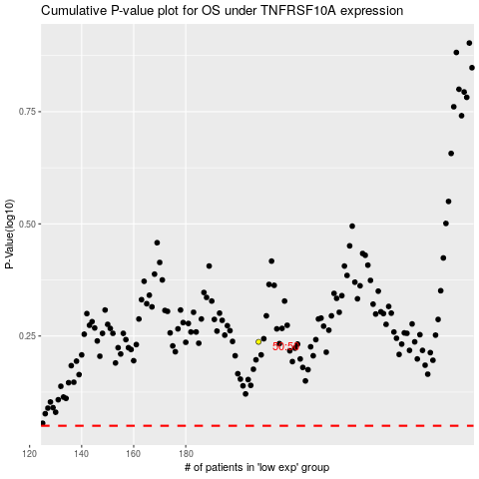

 |  |  |  |  |  | cases_OS | p_OS | rank | exp
 |  |  |  |  |  |  | cases_RFS | p_RFS | rank | exp

