TNFRSF10B _multivariate
Reported by Tex Li-Hsing Chi. tex@gate.sinica.edu.tw 2019-08-15

Table 2. The clinicopathological features of HNSCC cohort and TNFRSF10B expression. (Chi square test)
Cutoff at -0.148 (49.8%)
 |  | TNFRSF10B expression |  | TNFRSF10B expression |  | (Optimised)
 | Features | Low | (%) | High | (%) | Case no | P-value | Remark | Matthews
Gender | Female | 152 | 36.6 | 154 | 37.1 | 415 | 0.9766 | 0 | 0
2 | Male | 55 | 13.3 | 54 | 13
Age at diagnosis | <=65y | 136 | 32.8 | 138 | 33.3 | 415 | 0.9719 | 0 | 0
4 | >65y | 71 | 17.1 | 70 | 16.9
Clinical T Status | T1+T2 | 78 | 18.8 | 71 | 17.1 | 415 | 0.5152 | 0 | 0
6 | T3+T4 | 129 | 31.1 | 137 | 33
Clinical N Status | N0 | 111 | 26.7 | 105 | 25.3 | 415 | 0.5875 | 0 | 0
8 | N1-3 | 96 | 23.1 | 103 | 24.8
Clinical M Status | M0 | 204 | 49.2 | 208 | 50.1 | 415 | 0.1232 | 0 | 0
10 | M1 | 3 | 0.7 | 0 | 0
Clinical Stage | Stage I+II | 52 | 12.5 | 50 | 12 | 415 | 0.8871 | 0 | 0
12 | Stage III+IV | 155 | 37.3 | 158 | 38.1
Surgical Margin status | Negative | 163 | 39.3 | 155 | 37.3 | 415 | 0.3537 | 0 | 0
14 | Positive | 44 | 10.6 | 53 | 12.8
Tobacco Exposure | Low | 89 | 21.4 | 72 | 17.3 | 415 | 0.0872 | 0 | 0
16 | High | 118 | 28.4 | 136 | 32.8

Table 3. Univariate/Multivariate Cox's proportional hazards regression analyses on OS time of TNFRSF10B gene expression in HNSCC

 |  | Univariate |  |  |  | Multivariate
 | Features | HR | CI95%(L) | CI95%(H) | P-value | HR | CI95%(L) | CI95%(H) | P-value
1 | Female | 1 |  |  |  | 1
Gender | Male | 1.157 | 0.843 | 1.587 | 0.367 | 1.206 | 0.863 | 1.685 | 0.272
11 | <=65y | 1 |  |  |  | 1
Age at diagnosis | >65y | 1.329 | 0.99 | 1.784 | 0.058 | 1.394 | 1.025 | 1.896 | 0.034
12 | T1+T2 | 1 |  |  |  | 1
Clinical T Status | T3+T4 | 1.409 | 1.028 | 1.931 | 0.033 | 2.232 | 1.18 | 4.223 | 0.014
13 | N0 | 1 |  |  |  | 1
Clinical N Status | N1-3 | 1.185 | 0.89 | 1.577 | 0.246 | 1.238 | 0.868 | 1.765 | 0.24
14 | M0 | 1 |  |  |  | 1
Clinical M Status | M1 | 4.097 | 1.009 | 16.644 | 0.049 | 10.358 | 2.232 | 48.071 | 0.003
15 | Stage I+II | 1 |  |  |  | 1
Clinical Stage | Stage III+IV | 1.245 | 0.882 | 1.759 | 0.213 | 0.497 | 0.231 | 1.066 | 0.073
16 | Negative | 1 |  |  |  | 1
Surgical Margin status | Positive | 1.591 | 1.155 | 2.191 | 0.004 | 1.672 | 1.21 | 2.311 | 0.002
17 | Low | 1 |  |  |  | 1
Tobacco Exposure | High | 1.364 | 1.008 | 1.844 | 0.044 | 1.438 | 1.042 | 1.985 | 0.027
18 | Low | 1 |  |  |  | 1
RNAseq(z-score) | High | 1.165 | 0.871 | 1.558 | 0.302 | 1.164 | 0.868 | 1.562 | 0.311

Table 4. Univariate/Multivariate Cox's proportional hazards regression analyses on RFS time of TNFRSF10B gene expression in HNSCC

 |  | Univariate |  |  |  | Multivariate
 | Features | HR | CI95%(L) | CI95%(H) | P-value | HR | CI95%(L) | CI95%(H) | P-value
1 | Female | 1 |  |  |  | 1
Gender | Male | 1.157 | 0.843 | 1.587 | 0.367 | 1.206 | 0.863 | 1.685 | 0.272
11 | <=65y | 1 |  |  |  | 1
Age at diagnosis | >65y | 1.329 | 0.99 | 1.784 | 0.058 | 1.394 | 1.025 | 1.896 | 0.034
12 | T1+T2 | 1 |  |  |  | 1
Clinical T Status | T3+T4 | 1.409 | 1.028 | 1.931 | 0.033 | 2.232 | 1.18 | 4.223 | 0.014
13 | N0 | 1 |  |  |  | 1
Clinical N Status | N1-3 | 1.185 | 0.89 | 1.577 | 0.246 | 1.238 | 0.868 | 1.765 | 0.24
14 | M0 | 1 |  |  |  | 1
Clinical M Status | M1 | 4.097 | 1.009 | 16.644 | 0.049 | 10.358 | 2.232 | 48.071 | 0.003
15 | Stage I+II | 1 |  |  |  | 1
Clinical Stage | Stage III+IV | 1.245 | 0.882 | 1.759 | 0.213 | 0.497 | 0.231 | 1.066 | 0.073
16 | Negative | 1 |  |  |  | 1
Surgical Margin status | Positive | 1.591 | 1.155 | 2.191 | 0.004 | 1.672 | 1.21 | 2.311 | 0.002
17 | Low | 1 |  |  |  | 1
Tobacco Exposure | High | 1.364 | 1.008 | 1.844 | 0.044 | 1.438 | 1.042 | 1.985 | 0.027
18 | Low | 1 |  |  |  | 1
RNAseq(z-score) | High | 1.165 | 0.871 | 1.558 | 0.302 | 1.164 | 0.868 | 1.562 | 0.311

Kaplan-Meier survival estimate: Cutoff at -0.148 (49.8%)

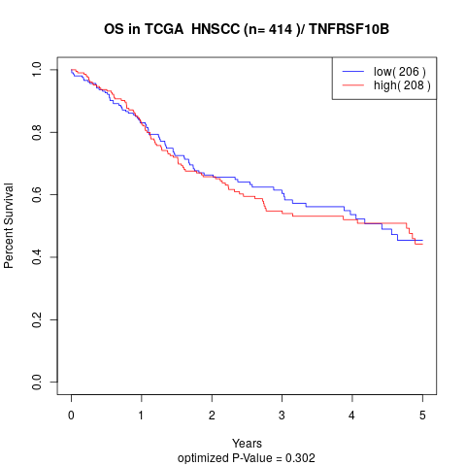

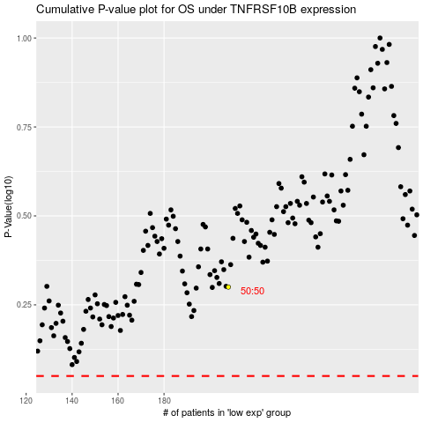

 |  |  |  |  |  | cases_OS | p_OS | rank | exp
 |  |  |  |  |  |  | cases_RFS | p_RFS | rank | exp

