TNFRSF10C _multivariate
Reported by Tex Li-Hsing Chi. tex@gate.sinica.edu.tw 2019-08-15

Table 2. The clinicopathological features of HNSCC cohort and TNFRSF10C expression. (Chi square test)
Cutoff at -0.309 (49.8%)
 |  | TNFRSF10C expression |  | TNFRSF10C expression |  | (Optimised)
 | Features | Low | (%) | High | (%) | Case no | P-value | Remark | Matthews
Gender | Female | 150 | 36.1 | 156 | 37.6 | 415 | 0.6344 | 0 | 0
2 | Male | 57 | 13.7 | 52 | 12.5
Age at diagnosis | <=65y | 137 | 33 | 137 | 33 | 415 | 1 | 0 | 0
4 | >65y | 70 | 16.9 | 71 | 17.1
Clinical T Status | T1+T2 | 75 | 18.1 | 74 | 17.8 | 415 | 0.9707 | 0 | 0
6 | T3+T4 | 132 | 31.8 | 134 | 32.3
Clinical N Status | N0 | 108 | 26 | 108 | 26 | 415 | 1 | 0 | 0
8 | N1-3 | 99 | 23.9 | 100 | 24.1
Clinical M Status | M0 | 204 | 49.2 | 208 | 50.1 | 415 | 0.1232 | 0 | 0
10 | M1 | 3 | 0.7 | 0 | 0
Clinical Stage | Stage I+II | 52 | 12.5 | 50 | 12 | 415 | 0.8871 | 0 | 0
12 | Stage III+IV | 155 | 37.3 | 158 | 38.1
Surgical Margin status | Negative | 155 | 37.3 | 163 | 39.3 | 415 | 0.4187 | 0 | 0
14 | Positive | 52 | 12.5 | 45 | 10.8
Tobacco Exposure | Low | 90 | 21.7 | 71 | 17.1 | 415 | 0.0559 | 0 | 0
16 | High | 117 | 28.2 | 137 | 33

Table 3. Univariate/Multivariate Cox's proportional hazards regression analyses on OS time of TNFRSF10C gene expression in HNSCC

 |  | Univariate |  |  |  | Multivariate
 | Features | HR | CI95%(L) | CI95%(H) | P-value | HR | CI95%(L) | CI95%(H) | P-value
1 | Female | 1 |  |  |  | 1
Gender | Male | 1.157 | 0.843 | 1.587 | 0.367 | 1.189 | 0.85 | 1.663 | 0.313
11 | <=65y | 1 |  |  |  | 1
Age at diagnosis | >65y | 1.329 | 0.99 | 1.784 | 0.058 | 1.396 | 1.027 | 1.898 | 0.033
12 | T1+T2 | 1 |  |  |  | 1
Clinical T Status | T3+T4 | 1.409 | 1.028 | 1.931 | 0.033 | 2.195 | 1.16 | 4.151 | 0.016
13 | N0 | 1 |  |  |  | 1
Clinical N Status | N1-3 | 1.185 | 0.89 | 1.577 | 0.246 | 1.239 | 0.868 | 1.766 | 0.238
14 | M0 | 1 |  |  |  | 1
Clinical M Status | M1 | 4.097 | 1.009 | 16.644 | 0.049 | 8.915 | 1.93 | 41.184 | 0.005
15 | Stage I+II | 1 |  |  |  | 1
Clinical Stage | Stage III+IV | 1.245 | 0.882 | 1.759 | 0.213 | 0.507 | 0.236 | 1.088 | 0.081
16 | Negative | 1 |  |  |  | 1
Surgical Margin status | Positive | 1.591 | 1.155 | 2.191 | 0.004 | 1.671 | 1.209 | 2.308 | 0.002
17 | Low | 1 |  |  |  | 1
Tobacco Exposure | High | 1.364 | 1.008 | 1.844 | 0.044 | 1.462 | 1.061 | 2.014 | 0.02
18 | Low | 1 |  |  |  | 1
RNAseq(z-score) | High | 0.891 | 0.668 | 1.188 | 0.431 | 0.905 | 0.676 | 1.213 | 0.504

Table 4. Univariate/Multivariate Cox's proportional hazards regression analyses on RFS time of TNFRSF10C gene expression in HNSCC

 |  | Univariate |  |  |  | Multivariate
 | Features | HR | CI95%(L) | CI95%(H) | P-value | HR | CI95%(L) | CI95%(H) | P-value
1 | Female | 1 |  |  |  | 1
Gender | Male | 1.157 | 0.843 | 1.587 | 0.367 | 1.189 | 0.85 | 1.663 | 0.313
11 | <=65y | 1 |  |  |  | 1
Age at diagnosis | >65y | 1.329 | 0.99 | 1.784 | 0.058 | 1.396 | 1.027 | 1.898 | 0.033
12 | T1+T2 | 1 |  |  |  | 1
Clinical T Status | T3+T4 | 1.409 | 1.028 | 1.931 | 0.033 | 2.195 | 1.16 | 4.151 | 0.016
13 | N0 | 1 |  |  |  | 1
Clinical N Status | N1-3 | 1.185 | 0.89 | 1.577 | 0.246 | 1.239 | 0.868 | 1.766 | 0.238
14 | M0 | 1 |  |  |  | 1
Clinical M Status | M1 | 4.097 | 1.009 | 16.644 | 0.049 | 8.915 | 1.93 | 41.184 | 0.005
15 | Stage I+II | 1 |  |  |  | 1
Clinical Stage | Stage III+IV | 1.245 | 0.882 | 1.759 | 0.213 | 0.507 | 0.236 | 1.088 | 0.081
16 | Negative | 1 |  |  |  | 1
Surgical Margin status | Positive | 1.591 | 1.155 | 2.191 | 0.004 | 1.671 | 1.209 | 2.308 | 0.002
17 | Low | 1 |  |  |  | 1
Tobacco Exposure | High | 1.364 | 1.008 | 1.844 | 0.044 | 1.462 | 1.061 | 2.014 | 0.02
18 | Low | 1 |  |  |  | 1
RNAseq(z-score) | High | 0.891 | 0.668 | 1.188 | 0.431 | 0.905 | 0.676 | 1.213 | 0.504

Kaplan-Meier survival estimate: Cutoff at -0.309 (49.8%)



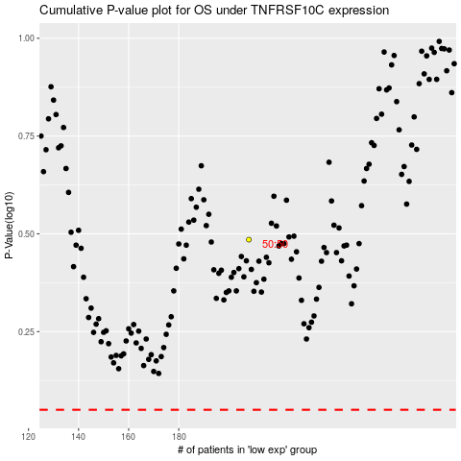

 |  |  |  |  |  | cases_OS | p_OS | rank | exp
 |  |  |  |  |  |  | cases_RFS | p_RFS | rank | exp

