TNFRSF10D _multivariate
Reported by Tex Li-Hsing Chi. tex@gate.sinica.edu.tw 2019-08-15

Table 2. The clinicopathological features of HNSCC cohort and TNFRSF10D expression. (Chi square test)
Cutoff at -0.348 (49.8%)
 |  | TNFRSF10D expression |  | TNFRSF10D expression |  | (Optimised)
 | Features | Low | (%) | High | (%) | Case no | P-value | Remark | Matthews
Gender | Female | 150 | 36.1 | 156 | 37.6 | 415 | 0.6344 | 0 | 0
2 | Male | 57 | 13.7 | 52 | 12.5
Age at diagnosis | <=65y | 134 | 32.3 | 140 | 33.7 | 415 | 0.6529 | 0 | 0
4 | >65y | 73 | 17.6 | 68 | 16.4
Clinical T Status | T1+T2 | 75 | 18.1 | 74 | 17.8 | 415 | 0.9707 | 0 | 0
6 | T3+T4 | 132 | 31.8 | 134 | 32.3
Clinical N Status | N0 | 98 | 23.6 | 118 | 28.4 | 415 | 0.0694 | 0 | 0
8 | N1-3 | 109 | 26.3 | 90 | 21.7
Clinical M Status | M0 | 204 | 49.2 | 208 | 50.1 | 415 | 0.1232 | 0 | 0
10 | M1 | 3 | 0.7 | 0 | 0
Clinical Stage | Stage I+II | 49 | 11.8 | 53 | 12.8 | 415 | 0.7535 | 0 | 0
12 | Stage III+IV | 158 | 38.1 | 155 | 37.3
Surgical Margin status | Negative | 157 | 37.8 | 161 | 38.8 | 415 | 0.729 | 0 | 0
14 | Positive | 50 | 12 | 47 | 11.3
Tobacco Exposure | Low | 89 | 21.4 | 72 | 17.3 | 415 | 0.0872 | 0 | 0
16 | High | 118 | 28.4 | 136 | 32.8

Table 3. Univariate/Multivariate Cox's proportional hazards regression analyses on OS time of TNFRSF10D gene expression in HNSCC

 |  | Univariate |  |  |  | Multivariate
 | Features | HR | CI95%(L) | CI95%(H) | P-value | HR | CI95%(L) | CI95%(H) | P-value
1 | Female | 1 |  |  |  | 1
Gender | Male | 1.157 | 0.843 | 1.587 | 0.367 | 1.196 | 0.856 | 1.672 | 0.295
11 | <=65y | 1 |  |  |  | 1
Age at diagnosis | >65y | 1.329 | 0.99 | 1.784 | 0.058 | 1.392 | 1.024 | 1.893 | 0.035
12 | T1+T2 | 1 |  |  |  | 1
Clinical T Status | T3+T4 | 1.409 | 1.028 | 1.931 | 0.033 | 2.178 | 1.148 | 4.129 | 0.017
13 | N0 | 1 |  |  |  | 1
Clinical N Status | N1-3 | 1.185 | 0.89 | 1.577 | 0.246 | 1.23 | 0.86 | 1.76 | 0.256
14 | M0 | 1 |  |  |  | 1
Clinical M Status | M1 | 4.097 | 1.009 | 16.644 | 0.049 | 9.065 | 1.955 | 42.03 | 0.005
15 | Stage I+II | 1 |  |  |  | 1
Clinical Stage | Stage III+IV | 1.245 | 0.882 | 1.759 | 0.213 | 0.512 | 0.238 | 1.104 | 0.088
16 | Negative | 1 |  |  |  | 1
Surgical Margin status | Positive | 1.591 | 1.155 | 2.191 | 0.004 | 1.663 | 1.202 | 2.3 | 0.002
17 | Low | 1 |  |  |  | 1
Tobacco Exposure | High | 1.364 | 1.008 | 1.844 | 0.044 | 1.465 | 1.06 | 2.025 | 0.021
18 | Low | 1 |  |  |  | 1
RNAseq(z-score) | High | 0.891 | 0.667 | 1.192 | 0.438 | 0.943 | 0.699 | 1.273 | 0.702

Table 4. Univariate/Multivariate Cox's proportional hazards regression analyses on RFS time of TNFRSF10D gene expression in HNSCC

 |  | Univariate |  |  |  | Multivariate
 | Features | HR | CI95%(L) | CI95%(H) | P-value | HR | CI95%(L) | CI95%(H) | P-value
1 | Female | 1 |  |  |  | 1
Gender | Male | 1.157 | 0.843 | 1.587 | 0.367 | 1.196 | 0.856 | 1.672 | 0.295
11 | <=65y | 1 |  |  |  | 1
Age at diagnosis | >65y | 1.329 | 0.99 | 1.784 | 0.058 | 1.392 | 1.024 | 1.893 | 0.035
12 | T1+T2 | 1 |  |  |  | 1
Clinical T Status | T3+T4 | 1.409 | 1.028 | 1.931 | 0.033 | 2.178 | 1.148 | 4.129 | 0.017
13 | N0 | 1 |  |  |  | 1
Clinical N Status | N1-3 | 1.185 | 0.89 | 1.577 | 0.246 | 1.23 | 0.86 | 1.76 | 0.256
14 | M0 | 1 |  |  |  | 1
Clinical M Status | M1 | 4.097 | 1.009 | 16.644 | 0.049 | 9.065 | 1.955 | 42.03 | 0.005
15 | Stage I+II | 1 |  |  |  | 1
Clinical Stage | Stage III+IV | 1.245 | 0.882 | 1.759 | 0.213 | 0.512 | 0.238 | 1.104 | 0.088
16 | Negative | 1 |  |  |  | 1
Surgical Margin status | Positive | 1.591 | 1.155 | 2.191 | 0.004 | 1.663 | 1.202 | 2.3 | 0.002
17 | Low | 1 |  |  |  | 1
Tobacco Exposure | High | 1.364 | 1.008 | 1.844 | 0.044 | 1.465 | 1.06 | 2.025 | 0.021
18 | Low | 1 |  |  |  | 1
RNAseq(z-score) | High | 0.891 | 0.667 | 1.192 | 0.438 | 0.943 | 0.699 | 1.273 | 0.702

Kaplan-Meier survival estimate: Cutoff at -0.348 (49.8%)



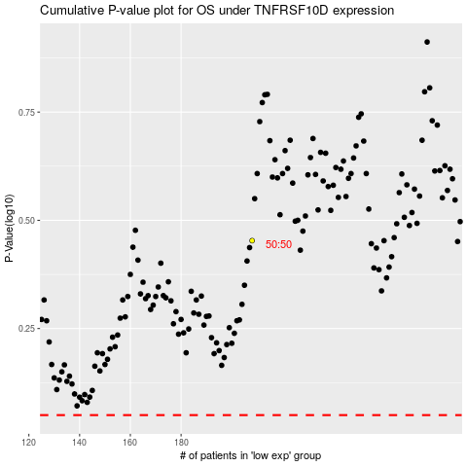

 |  |  |  |  |  | cases_OS | p_OS | rank | exp
 |  |  |  |  |  |  | cases_RFS | p_RFS | rank | exp

