TNFRSF11A _multivariate
Reported by Tex Li-Hsing Chi. tex@gate.sinica.edu.tw 2019-08-15

Table 2. The clinicopathological features of HNSCC cohort and TNFRSF11A expression. (Chi square test)
Cutoff at -0.272 (49.8%)
 |  | TNFRSF11A expression |  | TNFRSF11A expression |  | (Optimised)
 | Features | Low | (%) | High | (%) | Case no | P-value | Remark | Matthews
Gender | Female | 154 | 37.1 | 152 | 36.6 | 415 | 0.8463 | 0 | 0
2 | Male | 53 | 12.8 | 56 | 13.5
Age at diagnosis | <=65y | 140 | 33.7 | 134 | 32.3 | 415 | 0.5574 | 0 | 0
4 | >65y | 67 | 16.1 | 74 | 17.8
Clinical T Status | T1+T2 | 70 | 16.9 | 79 | 19 | 415 | 0.4343 | 0 | 0
6 | T3+T4 | 137 | 33 | 129 | 31.1
Clinical N Status | N0 | 109 | 26.3 | 107 | 25.8 | 415 | 0.8812 | 0 | 0
8 | N1-3 | 98 | 23.6 | 101 | 24.3
Clinical M Status | M0 | 205 | 49.4 | 207 | 49.9 | 415 | 0.6232 | 0 | 0
10 | M1 | 2 | 0.5 | 1 | 0.2
Clinical Stage | Stage I+II | 50 | 12 | 52 | 12.5 | 415 | 0.9315 | 0 | 0
12 | Stage III+IV | 157 | 37.8 | 156 | 37.6
Surgical Margin status | Negative | 158 | 38.1 | 160 | 38.6 | 415 | 0.9081 | 0 | 0
14 | Positive | 49 | 11.8 | 48 | 11.6
Tobacco Exposure | Low | 85 | 20.5 | 76 | 18.3 | 415 | 0.3655 | 0 | 0
16 | High | 122 | 29.4 | 132 | 31.8

Table 3. Univariate/Multivariate Cox's proportional hazards regression analyses on OS time of TNFRSF11A gene expression in HNSCC

 |  | Univariate |  |  |  | Multivariate
 | Features | HR | CI95%(L) | CI95%(H) | P-value | HR | CI95%(L) | CI95%(H) | P-value
1 | Female | 1 |  |  |  | 1
Gender | Male | 1.157 | 0.843 | 1.587 | 0.367 | 1.203 | 0.86 | 1.681 | 0.28
11 | <=65y | 1 |  |  |  | 1
Age at diagnosis | >65y | 1.329 | 0.99 | 1.784 | 0.058 | 1.391 | 1.022 | 1.892 | 0.036
12 | T1+T2 | 1 |  |  |  | 1
Clinical T Status | T3+T4 | 1.409 | 1.028 | 1.931 | 0.033 | 2.207 | 1.165 | 4.18 | 0.015
13 | N0 | 1 |  |  |  | 1
Clinical N Status | N1-3 | 1.185 | 0.89 | 1.577 | 0.246 | 1.241 | 0.87 | 1.771 | 0.234
14 | M0 | 1 |  |  |  | 1
Clinical M Status | M1 | 4.097 | 1.009 | 16.644 | 0.049 | 9.435 | 2.054 | 43.335 | 0.004
15 | Stage I+II | 1 |  |  |  | 1
Clinical Stage | Stage III+IV | 1.245 | 0.882 | 1.759 | 0.213 | 0.504 | 0.234 | 1.082 | 0.079
16 | Negative | 1 |  |  |  | 1
Surgical Margin status | Positive | 1.591 | 1.155 | 2.191 | 0.004 | 1.673 | 1.21 | 2.312 | 0.002
17 | Low | 1 |  |  |  | 1
Tobacco Exposure | High | 1.364 | 1.008 | 1.844 | 0.044 | 1.451 | 1.052 | 2.002 | 0.023
18 | Low | 1 |  |  |  | 1
RNAseq(z-score) | High | 0.989 | 0.743 | 1.318 | 0.942 | 1.012 | 0.757 | 1.352 | 0.937

Table 4. Univariate/Multivariate Cox's proportional hazards regression analyses on RFS time of TNFRSF11A gene expression in HNSCC

 |  | Univariate |  |  |  | Multivariate
 | Features | HR | CI95%(L) | CI95%(H) | P-value | HR | CI95%(L) | CI95%(H) | P-value
1 | Female | 1 |  |  |  | 1
Gender | Male | 1.157 | 0.843 | 1.587 | 0.367 | 1.203 | 0.86 | 1.681 | 0.28
11 | <=65y | 1 |  |  |  | 1
Age at diagnosis | >65y | 1.329 | 0.99 | 1.784 | 0.058 | 1.391 | 1.022 | 1.892 | 0.036
12 | T1+T2 | 1 |  |  |  | 1
Clinical T Status | T3+T4 | 1.409 | 1.028 | 1.931 | 0.033 | 2.207 | 1.165 | 4.18 | 0.015
13 | N0 | 1 |  |  |  | 1
Clinical N Status | N1-3 | 1.185 | 0.89 | 1.577 | 0.246 | 1.241 | 0.87 | 1.771 | 0.234
14 | M0 | 1 |  |  |  | 1
Clinical M Status | M1 | 4.097 | 1.009 | 16.644 | 0.049 | 9.435 | 2.054 | 43.335 | 0.004
15 | Stage I+II | 1 |  |  |  | 1
Clinical Stage | Stage III+IV | 1.245 | 0.882 | 1.759 | 0.213 | 0.504 | 0.234 | 1.082 | 0.079
16 | Negative | 1 |  |  |  | 1
Surgical Margin status | Positive | 1.591 | 1.155 | 2.191 | 0.004 | 1.673 | 1.21 | 2.312 | 0.002
17 | Low | 1 |  |  |  | 1
Tobacco Exposure | High | 1.364 | 1.008 | 1.844 | 0.044 | 1.451 | 1.052 | 2.002 | 0.023
18 | Low | 1 |  |  |  | 1
RNAseq(z-score) | High | 0.989 | 0.743 | 1.318 | 0.942 | 1.012 | 0.757 | 1.352 | 0.937

Kaplan-Meier survival estimate: Cutoff at -0.272 (49.8%)



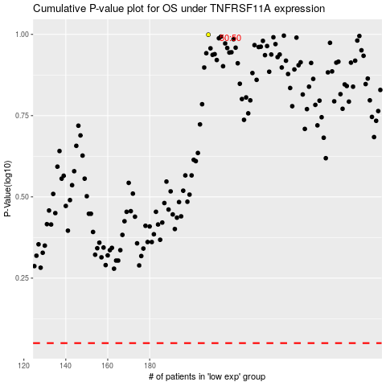

 |  |  |  |  |  | cases_OS | p_OS | rank | exp
 |  |  |  |  |  |  | cases_RFS | p_RFS | rank | exp

