TNFRSF14 _multivariate
Reported by Tex Li-Hsing Chi. tex@gate.sinica.edu.tw 2019-08-15

Table 2. The clinicopathological features of HNSCC cohort and TNFRSF14 expression. (Chi square test)
Cutoff at -0.173 (54.8%)
 |  | TNFRSF14 expression |  | TNFRSF14 expression |  | (Optimised)
 | Features | Low | (%) | High | (%) | Case no | P-value | Remark | Matthews
Gender | Female | 174 | 41.9 | 132 | 31.8 | 415 | 0.2274 | 0 | 0
2 | Male | 54 | 13 | 55 | 13.3
Age at diagnosis | <=65y | 162 | 39 | 112 | 27 | 415 | 0.0224 | 1 | 0
4 | >65y | 66 | 15.9 | 75 | 18.1
Clinical T Status | T1+T2 | 69 | 16.6 | 80 | 19.3 | 415 | 0.011 | 1 | 0
6 | T3+T4 | 159 | 38.3 | 107 | 25.8
Clinical N Status | N0 | 116 | 28 | 100 | 24.1 | 415 | 0.6683 | 0 | 0
8 | N1-3 | 112 | 27 | 87 | 21
Clinical M Status | M0 | 226 | 54.5 | 186 | 44.8 | 415 | 1 | 0 | 0
10 | M1 | 2 | 0.5 | 1 | 0.2
Clinical Stage | Stage I+II | 48 | 11.6 | 54 | 13 | 415 | 0.0841 | 0 | 0
12 | Stage III+IV | 180 | 43.4 | 133 | 32
Surgical Margin status | Negative | 176 | 42.4 | 142 | 34.2 | 415 | 0.8159 | 0 | 0
14 | Positive | 52 | 12.5 | 45 | 10.8
Tobacco Exposure | Low | 79 | 19 | 82 | 19.8 | 415 | 0.0683 | 0 | 0
16 | High | 149 | 35.9 | 105 | 25.3

Table 3. Univariate/Multivariate Cox's proportional hazards regression analyses on OS time of TNFRSF14 gene expression in HNSCC

 |  | Univariate |  |  |  | Multivariate
 | Features | HR | CI95%(L) | CI95%(H) | P-value | HR | CI95%(L) | CI95%(H) | P-value
1 | Female | 1 |  |  |  | 1
Gender | Male | 1.157 | 0.843 | 1.587 | 0.367 | 1.217 | 0.871 | 1.701 | 0.25
11 | <=65y | 1 |  |  |  | 1
Age at diagnosis | >65y | 1.329 | 0.99 | 1.784 | 0.058 | 1.485 | 1.089 | 2.025 | 0.013
12 | T1+T2 | 1 |  |  |  | 1
Clinical T Status | T3+T4 | 1.409 | 1.028 | 1.931 | 0.033 | 2.11 | 1.116 | 3.991 | 0.022
13 | N0 | 1 |  |  |  | 1
Clinical N Status | N1-3 | 1.185 | 0.89 | 1.577 | 0.246 | 1.269 | 0.889 | 1.813 | 0.19
14 | M0 | 1 |  |  |  | 1
Clinical M Status | M1 | 4.097 | 1.009 | 16.644 | 0.049 | 8.399 | 1.827 | 38.608 | 0.006
15 | Stage I+II | 1 |  |  |  | 1
Clinical Stage | Stage III+IV | 1.245 | 0.882 | 1.759 | 0.213 | 0.5 | 0.233 | 1.074 | 0.076
16 | Negative | 1 |  |  |  | 1
Surgical Margin status | Positive | 1.591 | 1.155 | 2.191 | 0.004 | 1.685 | 1.219 | 2.329 | 0.002
17 | Low | 1 |  |  |  | 1
Tobacco Exposure | High | 1.364 | 1.008 | 1.844 | 0.044 | 1.41 | 1.022 | 1.946 | 0.036
18 | Low | 1 |  |  |  | 1
RNAseq(z-score) | High | 0.688 | 0.511 | 0.927 | 0.014 | 0.684 | 0.503 | 0.93 | 0.016

Table 4. Univariate/Multivariate Cox's proportional hazards regression analyses on RFS time of TNFRSF14 gene expression in HNSCC

 |  | Univariate |  |  |  | Multivariate
 | Features | HR | CI95%(L) | CI95%(H) | P-value | HR | CI95%(L) | CI95%(H) | P-value
1 | Female | 1 |  |  |  | 1
Gender | Male | 1.157 | 0.843 | 1.587 | 0.367 | 1.217 | 0.871 | 1.701 | 0.25
11 | <=65y | 1 |  |  |  | 1
Age at diagnosis | >65y | 1.329 | 0.99 | 1.784 | 0.058 | 1.485 | 1.089 | 2.025 | 0.013
12 | T1+T2 | 1 |  |  |  | 1
Clinical T Status | T3+T4 | 1.409 | 1.028 | 1.931 | 0.033 | 2.11 | 1.116 | 3.991 | 0.022
13 | N0 | 1 |  |  |  | 1
Clinical N Status | N1-3 | 1.185 | 0.89 | 1.577 | 0.246 | 1.269 | 0.889 | 1.813 | 0.19
14 | M0 | 1 |  |  |  | 1
Clinical M Status | M1 | 4.097 | 1.009 | 16.644 | 0.049 | 8.399 | 1.827 | 38.608 | 0.006
15 | Stage I+II | 1 |  |  |  | 1
Clinical Stage | Stage III+IV | 1.245 | 0.882 | 1.759 | 0.213 | 0.5 | 0.233 | 1.074 | 0.076
16 | Negative | 1 |  |  |  | 1
Surgical Margin status | Positive | 1.591 | 1.155 | 2.191 | 0.004 | 1.685 | 1.219 | 2.329 | 0.002
17 | Low | 1 |  |  |  | 1
Tobacco Exposure | High | 1.364 | 1.008 | 1.844 | 0.044 | 1.41 | 1.022 | 1.946 | 0.036
18 | Low | 1 |  |  |  | 1
RNAseq(z-score) | High | 0.688 | 0.511 | 0.927 | 0.014 | 0.684 | 0.503 | 0.93 | 0.016

Kaplan-Meier survival estimate: Cutoff at -0.173 (54.8%)

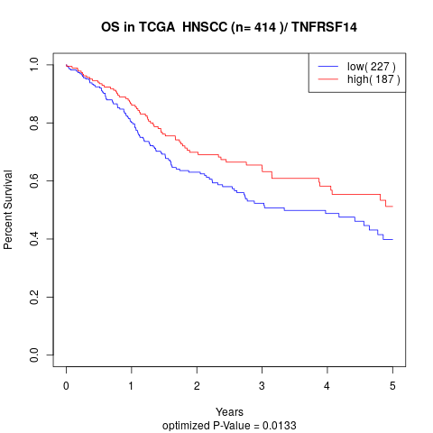

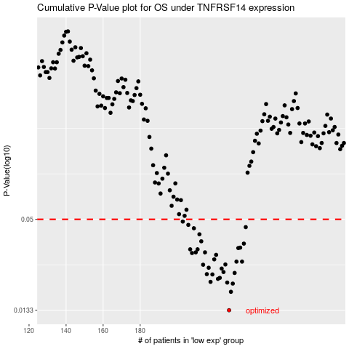

 |  |  |  |  |  | cases_OS | p_OS | rank | exp
 |  |  |  |  |  | 228 | 0.0133 | 73 | -0.17330535656
 |  |  |  |  |  | 229 | 0.0174 | 307 | -0.1713825586
 |  |  |  |  |  | 230 | 0.0196 | 187 | -0.17025449668
 |  |  |  |  |  | 227 | 0.0199 | 297 | -0.17800564291
 |  |  |  |  |  | 218 | 0.0201 | 352 | -0.24299958654
 |  |  |  |  |  | 222 | 0.021 | 259 | -0.23006357958
 |  |  |  |  |  | 223 | 0.0213 | 104 | -0.22855024271
 |  |  |  |  |  | 219 | 0.0224 | 328 | -0.24039191209
 |  |  |  |  |  | 216 | 0.0225 | 318 | -0.25268392055
 |  |  |  |  |  | 231 | 0.0229 | 311 | -0.16953078612
 |  |  |  |  |  | 225 | 0.0232 | 346 | -0.21337429279
 |  |  |  |  |  | 224 | 0.0244 | 212 | -0.22384910473
 |  |  |  |  |  | 217 | 0.0247 | 215 | -0.25190383244
 |  |  |  |  |  | 214 | 0.0258 | 407 | -0.26303047783
 |  |  |  |  |  | 226 | 0.0259 | 185 | -0.19883961618
 |  |  |  |  |  | 235 | 0.027 | 41 | -0.14014803505
 |  |  |  |  |  | 232 | 0.027 | 89 | -0.168669964
 |  |  |  |  |  | 220 | 0.0279 | 197 | -0.24026263548
 |  |  |  |  |  | 221 | 0.0298 | 276 | -0.23745244471
 |  |  |  |  |  | 208 | 0.0306 | 131 | -0.29745024761
 |  |  |  |  |  | 210 | 0.0309 | 27 | -0.28447131877
 |  |  |  |  |  | 215 | 0.0309 | 364 | -0.25983194626
 |  |  |  |  |  | 207 | 0.0323 | 218 | -0.30444259634
 |  |  |  |  |  | 211 | 0.0323 | 402 | -0.27476978194
 |  |  |  |  |  | 233 | 0.0329 | 358 | -0.16323591792
 |  |  |  |  |  | 234 | 0.0331 | 56 | -0.14471035822
 |  |  |  |  |  | 236 | 0.0351 | 71 | -0.13867199934
 |  |  |  |  |  | 213 | 0.0363 | 264 | -0.26363087316
 |  |  |  |  |  | 212 | 0.0402 | 256 | -0.27064553445
 |  |  |  |  |  | 209 | 0.0439 | 216 | -0.28687324072
 |  |  |  |  |  | 237 | 0.0446 | 271 | -0.13506928674
 |  |  |  |  |  | 206 | 0.0461 | 247 | -0.3094894939
 |  |  |  |  |  | 203 | 0.0484 | 343 | -0.31800028924
 |  |  |  |  |  |  | cases_RFS | p_RFS | rank | exp
 |  |  |  |  |  |  | 227 | 0.0133 | 297 | -0.17800564291
 |  |  |  |  |  |  | 228 | 0.0174 | 73 | -0.17330535656
 |  |  |  |  |  |  | 229 | 0.0196 | 307 | -0.1713825586
 |  |  |  |  |  |  | 226 | 0.0199 | 185 | -0.19883961618
 |  |  |  |  |  |  | 217 | 0.0201 | 215 | -0.25190383244
 |  |  |  |  |  |  | 221 | 0.021 | 276 | -0.23745244471
 |  |  |  |  |  |  | 222 | 0.0213 | 259 | -0.23006357958
 |  |  |  |  |  |  | 218 | 0.0224 | 352 | -0.24299958654
 |  |  |  |  |  |  | 215 | 0.0225 | 364 | -0.25983194626
 |  |  |  |  |  |  | 230 | 0.0229 | 187 | -0.17025449668
 |  |  |  |  |  |  | 224 | 0.0232 | 212 | -0.22384910473
 |  |  |  |  |  |  | 223 | 0.0244 | 104 | -0.22855024271
 |  |  |  |  |  |  | 216 | 0.0247 | 318 | -0.25268392055
 |  |  |  |  |  |  | 213 | 0.0258 | 264 | -0.26363087316
 |  |  |  |  |  |  | 225 | 0.0259 | 346 | -0.21337429279
 |  |  |  |  |  |  | 234 | 0.027 | 56 | -0.14471035822
 |  |  |  |  |  |  | 231 | 0.027 | 311 | -0.16953078612
 |  |  |  |  |  |  | 219 | 0.0279 | 328 | -0.24039191209
 |  |  |  |  |  |  | 220 | 0.0298 | 197 | -0.24026263548
 |  |  |  |  |  |  | 207 | 0.0306 | 218 | -0.30444259634
 |  |  |  |  |  |  | 209 | 0.0309 | 216 | -0.28687324072
 |  |  |  |  |  |  | 214 | 0.0309 | 407 | -0.26303047783
 |  |  |  |  |  |  | 210 | 0.0323 | 27 | -0.28447131877
 |  |  |  |  |  |  | 206 | 0.0323 | 247 | -0.3094894939
 |  |  |  |  |  |  | 232 | 0.0329 | 89 | -0.168669964
 |  |  |  |  |  |  | 233 | 0.0331 | 358 | -0.16323591792
 |  |  |  |  |  |  | 235 | 0.0351 | 41 | -0.14014803505
 |  |  |  |  |  |  | 212 | 0.0363 | 256 | -0.27064553445
 |  |  |  |  |  |  | 211 | 0.0402 | 402 | -0.27476978194
 |  |  |  |  |  |  | 208 | 0.0439 | 131 | -0.29745024761
 |  |  |  |  |  |  | 236 | 0.0446 | 71 | -0.13867199934
 |  |  |  |  |  |  | 205 | 0.0461 | 77 | -0.31277727573
 |  |  |  |  |  |  | 202 | 0.0484 | 287 | -0.31872246688

