TNFRSF1B _multivariate
Reported by Tex Li-Hsing Chi. tex@gate.sinica.edu.tw 2019-08-15

Table 2. The clinicopathological features of HNSCC cohort and TNFRSF1B expression. (Chi square test)
Cutoff at -0.63 (30.2%)
 |  | TNFRSF1B expression |  | TNFRSF1B expression |  | (Optimised)
 | Features | Low | (%) | High | (%) | Case no | P-value | Remark | Matthews
Gender | Female | 96 | 23.1 | 210 | 50.6 | 415 | 0.418 | 0 | 0
2 | Male | 29 | 7 | 80 | 19.3
Age at diagnosis | <=65y | 87 | 21 | 187 | 45.1 | 415 | 0.3698 | 0 | 0
4 | >65y | 38 | 9.2 | 103 | 24.8
Clinical T Status | T1+T2 | 42 | 10.1 | 107 | 25.8 | 415 | 0.5956 | 0 | 0
6 | T3+T4 | 83 | 20 | 183 | 44.1
Clinical N Status | N0 | 70 | 16.9 | 146 | 35.2 | 415 | 0.3417 | 0 | 0
8 | N1-3 | 55 | 13.3 | 144 | 34.7
Clinical M Status | M0 | 125 | 30.1 | 287 | 69.2 | 415 | 0.5571 | 0 | 0
10 | M1 | 0 | 0 | 3 | 0.7
Clinical Stage | Stage I+II | 32 | 7.7 | 70 | 16.9 | 415 | 0.8469 | 0 | 0
12 | Stage III+IV | 93 | 22.4 | 220 | 53
Surgical Margin status | Negative | 92 | 22.2 | 226 | 54.5 | 415 | 0.3765 | 0 | 0
14 | Positive | 33 | 8 | 64 | 15.4
Tobacco Exposure | Low | 51 | 12.3 | 110 | 26.5 | 415 | 0.585 | 0 | 0
16 | High | 74 | 17.8 | 180 | 43.4

Table 3. Univariate/Multivariate Cox's proportional hazards regression analyses on OS time of TNFRSF1B gene expression in HNSCC

 |  | Univariate |  |  |  | Multivariate
 | Features | HR | CI95%(L) | CI95%(H) | P-value | HR | CI95%(L) | CI95%(H) | P-value
1 | Female | 1 |  |  |  | 1
Gender | Male | 1.157 | 0.843 | 1.587 | 0.367 | 1.216 | 0.87 | 1.698 | 0.252
11 | <=65y | 1 |  |  |  | 1
Age at diagnosis | >65y | 1.329 | 0.99 | 1.784 | 0.058 | 1.421 | 1.047 | 1.928 | 0.024
12 | T1+T2 | 1 |  |  |  | 1
Clinical T Status | T3+T4 | 1.409 | 1.028 | 1.931 | 0.033 | 2.17 | 1.148 | 4.102 | 0.017
13 | N0 | 1 |  |  |  | 1
Clinical N Status | N1-3 | 1.185 | 0.89 | 1.577 | 0.246 | 1.267 | 0.889 | 1.808 | 0.191
14 | M0 | 1 |  |  |  | 1
Clinical M Status | M1 | 4.097 | 1.009 | 16.644 | 0.049 | 10.628 | 2.31 | 48.906 | 0.002
15 | Stage I+II | 1 |  |  |  | 1
Clinical Stage | Stage III+IV | 1.245 | 0.882 | 1.759 | 0.213 | 0.508 | 0.237 | 1.088 | 0.081
16 | Negative | 1 |  |  |  | 1
Surgical Margin status | Positive | 1.591 | 1.155 | 2.191 | 0.004 | 1.677 | 1.213 | 2.318 | 0.002
17 | Low | 1 |  |  |  | 1
Tobacco Exposure | High | 1.364 | 1.008 | 1.844 | 0.044 | 1.46 | 1.06 | 2.011 | 0.021
18 | Low | 1 |  |  |  | 1
RNAseq(z-score) | High | 0.704 | 0.522 | 0.949 | 0.021 | 0.673 | 0.498 | 0.909 | 0.01

Table 4. Univariate/Multivariate Cox's proportional hazards regression analyses on RFS time of TNFRSF1B gene expression in HNSCC

 |  | Univariate |  |  |  | Multivariate
 | Features | HR | CI95%(L) | CI95%(H) | P-value | HR | CI95%(L) | CI95%(H) | P-value
1 | Female | 1 |  |  |  | 1
Gender | Male | 1.157 | 0.843 | 1.587 | 0.367 | 1.216 | 0.87 | 1.698 | 0.252
11 | <=65y | 1 |  |  |  | 1
Age at diagnosis | >65y | 1.329 | 0.99 | 1.784 | 0.058 | 1.421 | 1.047 | 1.928 | 0.024
12 | T1+T2 | 1 |  |  |  | 1
Clinical T Status | T3+T4 | 1.409 | 1.028 | 1.931 | 0.033 | 2.17 | 1.148 | 4.102 | 0.017
13 | N0 | 1 |  |  |  | 1
Clinical N Status | N1-3 | 1.185 | 0.89 | 1.577 | 0.246 | 1.267 | 0.889 | 1.808 | 0.191
14 | M0 | 1 |  |  |  | 1
Clinical M Status | M1 | 4.097 | 1.009 | 16.644 | 0.049 | 10.628 | 2.31 | 48.906 | 0.002
15 | Stage I+II | 1 |  |  |  | 1
Clinical Stage | Stage III+IV | 1.245 | 0.882 | 1.759 | 0.213 | 0.508 | 0.237 | 1.088 | 0.081
16 | Negative | 1 |  |  |  | 1
Surgical Margin status | Positive | 1.591 | 1.155 | 2.191 | 0.004 | 1.677 | 1.213 | 2.318 | 0.002
17 | Low | 1 |  |  |  | 1
Tobacco Exposure | High | 1.364 | 1.008 | 1.844 | 0.044 | 1.46 | 1.06 | 2.011 | 0.021
18 | Low | 1 |  |  |  | 1
RNAseq(z-score) | High | 0.704 | 0.522 | 0.949 | 0.021 | 0.673 | 0.498 | 0.909 | 0.01

Kaplan-Meier survival estimate: Cutoff at -0.63 (30.2%)

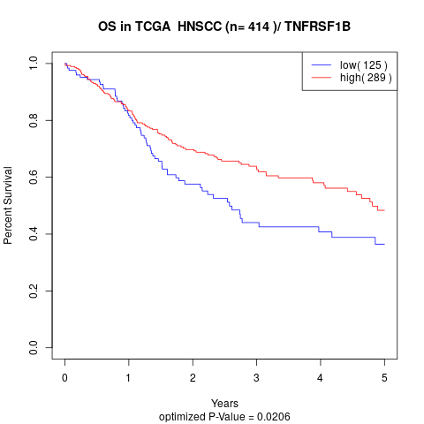

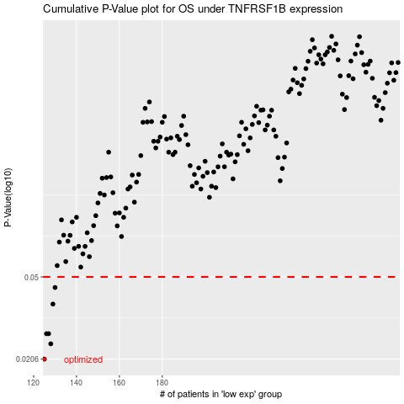

 |  |  |  |  |  | cases_OS | p_OS | rank | exp
 |  |  |  |  |  | 125 | 0.0206 | 14 | -0.62982092977
 |  |  |  |  |  | 128 | 0.0243 | 131 | -0.62615374741
 |  |  |  |  |  | 127 | 0.0271 | 226 | -0.62708118244
 |  |  |  |  |  | 126 | 0.0271 | 333 | -0.62893219491
 |  |  |  |  |  | 129 | 0.0373 | 335 | -0.626136575
 |  |  |  |  |  | 130 | 0.0446 | 150 | -0.62198844049
 |  |  |  |  |  |  | cases_RFS | p_RFS | rank | exp
 |  |  |  |  |  |  |  | 0.0206 | 37 | -0.63188323765
 |  |  |  |  |  |  | 127 | 0.0243 | 226 | -0.62708118244
 |  |  |  |  |  |  | 125 | 0.0271 | 14 | -0.62982092977
 |  |  |  |  |  |  | 126 | 0.0271 | 333 | -0.62893219491
 |  |  |  |  |  |  | 128 | 0.0373 | 131 | -0.62615374741
 |  |  |  |  |  |  | 129 | 0.0446 | 335 | -0.626136575

