TNFRSF21 _multivariate
Reported by Tex Li-Hsing Chi. tex@gate.sinica.edu.tw 2019-08-15

Table 2. The clinicopathological features of HNSCC cohort and TNFRSF21 expression. (Chi square test)
Cutoff at -0.183 (50.0%)
 |  | TNFRSF21 expression |  | TNFRSF21 expression |  | (Optimised)
 | Features | Low | (%) | High | (%) | Case no | P-value | Remark | Matthews
Gender | Female | 155 | 37.3 | 151 | 36.4 | 415 | 0.6768 | 0 | 0
2 | Male | 52 | 12.5 | 57 | 13.7
Age at diagnosis | <=65y | 134 | 32.3 | 140 | 33.7 | 415 | 0.6529 | 0 | 0
4 | >65y | 73 | 17.6 | 68 | 16.4
Clinical T Status | T1+T2 | 70 | 16.9 | 79 | 19 | 415 | 0.4343 | 0 | 0
6 | T3+T4 | 137 | 33 | 129 | 31.1
Clinical N Status | N0 | 108 | 26 | 108 | 26 | 415 | 1 | 0 | 0
8 | N1-3 | 99 | 23.9 | 100 | 24.1
Clinical M Status | M0 | 204 | 49.2 | 208 | 50.1 | 415 | 0.1232 | 0 | 0
10 | M1 | 3 | 0.7 | 0 | 0
Clinical Stage | Stage I+II | 43 | 10.4 | 59 | 14.2 | 415 | 0.0925 | 0 | 0
12 | Stage III+IV | 164 | 39.5 | 149 | 35.9
Surgical Margin status | Negative | 157 | 37.8 | 161 | 38.8 | 415 | 0.729 | 0 | 0
14 | Positive | 50 | 12 | 47 | 11.3
Tobacco Exposure | Low | 65 | 15.7 | 96 | 23.1 | 415 | 0.0025 | 1 | 0
16 | High | 142 | 34.2 | 112 | 27

Table 3. Univariate/Multivariate Cox's proportional hazards regression analyses on OS time of TNFRSF21 gene expression in HNSCC

 |  | Univariate |  |  |  | Multivariate
 | Features | HR | CI95%(L) | CI95%(H) | P-value | HR | CI95%(L) | CI95%(H) | P-value
1 | Female | 1 |  |  |  | 1
Gender | Male | 1.157 | 0.843 | 1.587 | 0.367 | 1.201 | 0.86 | 1.679 | 0.282
11 | <=65y | 1 |  |  |  | 1
Age at diagnosis | >65y | 1.329 | 0.99 | 1.784 | 0.058 | 1.39 | 1.021 | 1.894 | 0.037
12 | T1+T2 | 1 |  |  |  | 1
Clinical T Status | T3+T4 | 1.409 | 1.028 | 1.931 | 0.033 | 2.205 | 1.164 | 4.178 | 0.015
13 | N0 | 1 |  |  |  | 1
Clinical N Status | N1-3 | 1.185 | 0.89 | 1.577 | 0.246 | 1.241 | 0.87 | 1.771 | 0.234
14 | M0 | 1 |  |  |  | 1
Clinical M Status | M1 | 4.097 | 1.009 | 16.644 | 0.049 | 9.375 | 2.036 | 43.165 | 0.004
15 | Stage I+II | 1 |  |  |  | 1
Clinical Stage | Stage III+IV | 1.245 | 0.882 | 1.759 | 0.213 | 0.504 | 0.234 | 1.083 | 0.079
16 | Negative | 1 |  |  |  | 1
Surgical Margin status | Positive | 1.591 | 1.155 | 2.191 | 0.004 | 1.671 | 1.209 | 2.309 | 0.002
17 | Low | 1 |  |  |  | 1
Tobacco Exposure | High | 1.364 | 1.008 | 1.844 | 0.044 | 1.451 | 1.05 | 2.005 | 0.024
18 | Low | 1 |  |  |  | 1
RNAseq(z-score) | High | 0.91 | 0.684 | 1.212 | 0.52 | 0.992 | 0.74 | 1.329 | 0.955

Table 4. Univariate/Multivariate Cox's proportional hazards regression analyses on RFS time of TNFRSF21 gene expression in HNSCC

 |  | Univariate |  |  |  | Multivariate
 | Features | HR | CI95%(L) | CI95%(H) | P-value | HR | CI95%(L) | CI95%(H) | P-value
1 | Female | 1 |  |  |  | 1
Gender | Male | 1.157 | 0.843 | 1.587 | 0.367 | 1.201 | 0.86 | 1.679 | 0.282
11 | <=65y | 1 |  |  |  | 1
Age at diagnosis | >65y | 1.329 | 0.99 | 1.784 | 0.058 | 1.39 | 1.021 | 1.894 | 0.037
12 | T1+T2 | 1 |  |  |  | 1
Clinical T Status | T3+T4 | 1.409 | 1.028 | 1.931 | 0.033 | 2.205 | 1.164 | 4.178 | 0.015
13 | N0 | 1 |  |  |  | 1
Clinical N Status | N1-3 | 1.185 | 0.89 | 1.577 | 0.246 | 1.241 | 0.87 | 1.771 | 0.234
14 | M0 | 1 |  |  |  | 1
Clinical M Status | M1 | 4.097 | 1.009 | 16.644 | 0.049 | 9.375 | 2.036 | 43.165 | 0.004
15 | Stage I+II | 1 |  |  |  | 1
Clinical Stage | Stage III+IV | 1.245 | 0.882 | 1.759 | 0.213 | 0.504 | 0.234 | 1.083 | 0.079
16 | Negative | 1 |  |  |  | 1
Surgical Margin status | Positive | 1.591 | 1.155 | 2.191 | 0.004 | 1.671 | 1.209 | 2.309 | 0.002
17 | Low | 1 |  |  |  | 1
Tobacco Exposure | High | 1.364 | 1.008 | 1.844 | 0.044 | 1.451 | 1.05 | 2.005 | 0.024
18 | Low | 1 |  |  |  | 1
RNAseq(z-score) | High | 0.91 | 0.684 | 1.212 | 0.52 | 0.992 | 0.74 | 1.329 | 0.955

Kaplan-Meier survival estimate: Cutoff at -0.183 (50.0%)



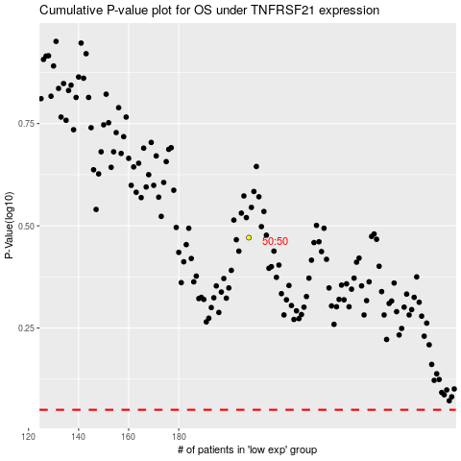

 |  |  |  |  |  | cases_OS | p_OS | rank | exp
 |  |  |  |  |  |  | cases_RFS | p_RFS | rank | exp

