TNFRSF6B _multivariate
Reported by Tex Li-Hsing Chi. tex@gate.sinica.edu.tw 2019-08-15

Table 2. The clinicopathological features of HNSCC cohort and TNFRSF6B expression. (Chi square test)
Cutoff at -0.263 (50.0%)
 |  | TNFRSF6B expression |  | TNFRSF6B expression |  | (Optimised)
 | Features | Low | (%) | High | (%) | Case no | P-value | Remark | Matthews
Gender | Female | 157 | 37.8 | 149 | 35.9 | 415 | 0.3881 | 0 | 0
2 | Male | 50 | 12 | 59 | 14.2
Age at diagnosis | <=65y | 139 | 33.5 | 135 | 32.5 | 415 | 0.7044 | 0 | 0
4 | >65y | 68 | 16.4 | 73 | 17.6
Clinical T Status | T1+T2 | 80 | 19.3 | 69 | 16.6 | 415 | 0.2891 | 0 | 0
6 | T3+T4 | 127 | 30.6 | 139 | 33.5
Clinical N Status | N0 | 115 | 27.7 | 101 | 24.3 | 415 | 0.184 | 1 | 0
8 | N1-3 | 92 | 22.2 | 107 | 25.8
Clinical M Status | M0 | 207 | 49.9 | 205 | 49.4 | 415 | 0.2482 | 0 | 0
10 | M1 | 0 | 0 | 3 | 0.7
Clinical Stage | Stage I+II | 55 | 13.3 | 47 | 11.3 | 415 | 0.4087 | 0 | 0
12 | Stage III+IV | 152 | 36.6 | 161 | 38.8
Surgical Margin status | Negative | 159 | 38.3 | 159 | 38.3 | 415 | 1 | 0 | 0
14 | Positive | 48 | 11.6 | 49 | 11.8
Tobacco Exposure | Low | 71 | 17.1 | 90 | 21.7 | 415 | 0.0698 | 0 | 0
16 | High | 136 | 32.8 | 118 | 28.4

Table 3. Univariate/Multivariate Cox's proportional hazards regression analyses on OS time of TNFRSF6B gene expression in HNSCC

 |  | Univariate |  |  |  | Multivariate
 | Features | HR | CI95%(L) | CI95%(H) | P-value | HR | CI95%(L) | CI95%(H) | P-value
1 | Female | 1 |  |  |  | 1
Gender | Male | 1.157 | 0.843 | 1.587 | 0.367 | 1.196 | 0.855 | 1.673 | 0.295
11 | <=65y | 1 |  |  |  | 1
Age at diagnosis | >65y | 1.329 | 0.99 | 1.784 | 0.058 | 1.391 | 1.023 | 1.891 | 0.035
12 | T1+T2 | 1 |  |  |  | 1
Clinical T Status | T3+T4 | 1.409 | 1.028 | 1.931 | 0.033 | 2.161 | 1.138 | 4.105 | 0.019
13 | N0 | 1 |  |  |  | 1
Clinical N Status | N1-3 | 1.185 | 0.89 | 1.577 | 0.246 | 1.231 | 0.861 | 1.758 | 0.255
14 | M0 | 1 |  |  |  | 1
Clinical M Status | M1 | 4.097 | 1.009 | 16.644 | 0.049 | 8.917 | 1.919 | 41.442 | 0.005
15 | Stage I+II | 1 |  |  |  | 1
Clinical Stage | Stage III+IV | 1.245 | 0.882 | 1.759 | 0.213 | 0.517 | 0.239 | 1.117 | 0.093
16 | Negative | 1 |  |  |  | 1
Surgical Margin status | Positive | 1.591 | 1.155 | 2.191 | 0.004 | 1.665 | 1.205 | 2.301 | 0.002
17 | Low | 1 |  |  |  | 1
Tobacco Exposure | High | 1.364 | 1.008 | 1.844 | 0.044 | 1.465 | 1.061 | 2.022 | 0.02
18 | Low | 1 |  |  |  | 1
RNAseq(z-score) | High | 1.153 | 0.865 | 1.535 | 0.331 | 1.078 | 0.804 | 1.446 | 0.616

Table 4. Univariate/Multivariate Cox's proportional hazards regression analyses on RFS time of TNFRSF6B gene expression in HNSCC

 |  | Univariate |  |  |  | Multivariate
 | Features | HR | CI95%(L) | CI95%(H) | P-value | HR | CI95%(L) | CI95%(H) | P-value
1 | Female | 1 |  |  |  | 1
Gender | Male | 1.157 | 0.843 | 1.587 | 0.367 | 1.196 | 0.855 | 1.673 | 0.295
11 | <=65y | 1 |  |  |  | 1
Age at diagnosis | >65y | 1.329 | 0.99 | 1.784 | 0.058 | 1.391 | 1.023 | 1.891 | 0.035
12 | T1+T2 | 1 |  |  |  | 1
Clinical T Status | T3+T4 | 1.409 | 1.028 | 1.931 | 0.033 | 2.161 | 1.138 | 4.105 | 0.019
13 | N0 | 1 |  |  |  | 1
Clinical N Status | N1-3 | 1.185 | 0.89 | 1.577 | 0.246 | 1.231 | 0.861 | 1.758 | 0.255
14 | M0 | 1 |  |  |  | 1
Clinical M Status | M1 | 4.097 | 1.009 | 16.644 | 0.049 | 8.917 | 1.919 | 41.442 | 0.005
15 | Stage I+II | 1 |  |  |  | 1
Clinical Stage | Stage III+IV | 1.245 | 0.882 | 1.759 | 0.213 | 0.517 | 0.239 | 1.117 | 0.093
16 | Negative | 1 |  |  |  | 1
Surgical Margin status | Positive | 1.591 | 1.155 | 2.191 | 0.004 | 1.665 | 1.205 | 2.301 | 0.002
17 | Low | 1 |  |  |  | 1
Tobacco Exposure | High | 1.364 | 1.008 | 1.844 | 0.044 | 1.465 | 1.061 | 2.022 | 0.02
18 | Low | 1 |  |  |  | 1
RNAseq(z-score) | High | 1.153 | 0.865 | 1.535 | 0.331 | 1.078 | 0.804 | 1.446 | 0.616

Kaplan-Meier survival estimate: Cutoff at -0.263 (50.0%)



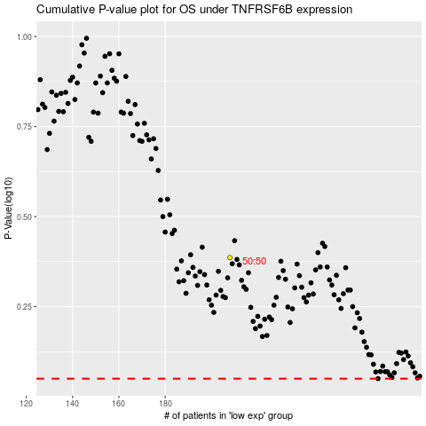

 |  |  |  |  |  | cases_OS | p_OS | rank | exp
 |  |  |  |  |  |  | cases_RFS | p_RFS | rank | exp

