TNFRSF9 _multivariate
Reported by Tex Li-Hsing Chi. tex@gate.sinica.edu.tw 2019-08-15

Table 2. The clinicopathological features of HNSCC cohort and TNFRSF9 expression. (Chi square test)
Cutoff at -0.249 (49.8%)
 |  | TNFRSF9 expression |  | TNFRSF9 expression |  | (Optimised)
 | Features | Low | (%) | High | (%) | Case no | P-value | Remark | Matthews
Gender | Female | 163 | 39.3 | 143 | 34.5 | 415 | 0.0277 | 1 | 0
2 | Male | 44 | 10.6 | 65 | 15.7
Age at diagnosis | <=65y | 142 | 34.2 | 132 | 31.8 | 415 | 0.3167 | 0 | 0
4 | >65y | 65 | 15.7 | 76 | 18.3
Clinical T Status | T1+T2 | 65 | 15.7 | 84 | 20.2 | 415 | 0.0711 | 0 | 0
6 | T3+T4 | 142 | 34.2 | 124 | 29.9
Clinical N Status | N0 | 110 | 26.5 | 106 | 25.5 | 415 | 0.7294 | 0 | 0
8 | N1-3 | 97 | 23.4 | 102 | 24.6
Clinical M Status | M0 | 204 | 49.2 | 208 | 50.1 | 415 | 0.1232 | 0 | 0
10 | M1 | 3 | 0.7 | 0 | 0
Clinical Stage | Stage I+II | 44 | 10.6 | 58 | 14 | 415 | 0.1459 | 0 | 0
12 | Stage III+IV | 163 | 39.3 | 150 | 36.1
Surgical Margin status | Negative | 155 | 37.3 | 163 | 39.3 | 415 | 0.4187 | 0 | 0
14 | Positive | 52 | 12.5 | 45 | 10.8
Tobacco Exposure | Low | 71 | 17.1 | 90 | 21.7 | 415 | 0.0698 | 0 | 0
16 | High | 136 | 32.8 | 118 | 28.4

Table 3. Univariate/Multivariate Cox's proportional hazards regression analyses on OS time of TNFRSF9 gene expression in HNSCC

 |  | Univariate |  |  |  | Multivariate
 | Features | HR | CI95%(L) | CI95%(H) | P-value | HR | CI95%(L) | CI95%(H) | P-value
1 | Female | 1 |  |  |  | 1
Gender | Male | 1.157 | 0.843 | 1.587 | 0.367 | 1.213 | 0.867 | 1.697 | 0.259
11 | <=65y | 1 |  |  |  | 1
Age at diagnosis | >65y | 1.329 | 0.99 | 1.784 | 0.058 | 1.392 | 1.024 | 1.891 | 0.035
12 | T1+T2 | 1 |  |  |  | 1
Clinical T Status | T3+T4 | 1.409 | 1.028 | 1.931 | 0.033 | 2.188 | 1.158 | 4.137 | 0.016
13 | N0 | 1 |  |  |  | 1
Clinical N Status | N1-3 | 1.185 | 0.89 | 1.577 | 0.246 | 1.254 | 0.878 | 1.791 | 0.214
14 | M0 | 1 |  |  |  | 1
Clinical M Status | M1 | 4.097 | 1.009 | 16.644 | 0.049 | 8.872 | 1.919 | 41.012 | 0.005
15 | Stage I+II | 1 |  |  |  | 1
Clinical Stage | Stage III+IV | 1.245 | 0.882 | 1.759 | 0.213 | 0.5 | 0.233 | 1.073 | 0.075
16 | Negative | 1 |  |  |  | 1
Surgical Margin status | Positive | 1.591 | 1.155 | 2.191 | 0.004 | 1.663 | 1.203 | 2.299 | 0.002
17 | Low | 1 |  |  |  | 1
Tobacco Exposure | High | 1.364 | 1.008 | 1.844 | 0.044 | 1.435 | 1.04 | 1.982 | 0.028
18 | Low | 1 |  |  |  | 1
RNAseq(z-score) | High | 0.851 | 0.638 | 1.135 | 0.272 | 0.9 | 0.67 | 1.209 | 0.484

Table 4. Univariate/Multivariate Cox's proportional hazards regression analyses on RFS time of TNFRSF9 gene expression in HNSCC

 |  | Univariate |  |  |  | Multivariate
 | Features | HR | CI95%(L) | CI95%(H) | P-value | HR | CI95%(L) | CI95%(H) | P-value
1 | Female | 1 |  |  |  | 1
Gender | Male | 1.157 | 0.843 | 1.587 | 0.367 | 1.213 | 0.867 | 1.697 | 0.259
11 | <=65y | 1 |  |  |  | 1
Age at diagnosis | >65y | 1.329 | 0.99 | 1.784 | 0.058 | 1.392 | 1.024 | 1.891 | 0.035
12 | T1+T2 | 1 |  |  |  | 1
Clinical T Status | T3+T4 | 1.409 | 1.028 | 1.931 | 0.033 | 2.188 | 1.158 | 4.137 | 0.016
13 | N0 | 1 |  |  |  | 1
Clinical N Status | N1-3 | 1.185 | 0.89 | 1.577 | 0.246 | 1.254 | 0.878 | 1.791 | 0.214
14 | M0 | 1 |  |  |  | 1
Clinical M Status | M1 | 4.097 | 1.009 | 16.644 | 0.049 | 8.872 | 1.919 | 41.012 | 0.005
15 | Stage I+II | 1 |  |  |  | 1
Clinical Stage | Stage III+IV | 1.245 | 0.882 | 1.759 | 0.213 | 0.5 | 0.233 | 1.073 | 0.075
16 | Negative | 1 |  |  |  | 1
Surgical Margin status | Positive | 1.591 | 1.155 | 2.191 | 0.004 | 1.663 | 1.203 | 2.299 | 0.002
17 | Low | 1 |  |  |  | 1
Tobacco Exposure | High | 1.364 | 1.008 | 1.844 | 0.044 | 1.435 | 1.04 | 1.982 | 0.028
18 | Low | 1 |  |  |  | 1
RNAseq(z-score) | High | 0.851 | 0.638 | 1.135 | 0.272 | 0.9 | 0.67 | 1.209 | 0.484

Kaplan-Meier survival estimate: Cutoff at -0.249 (49.8%)



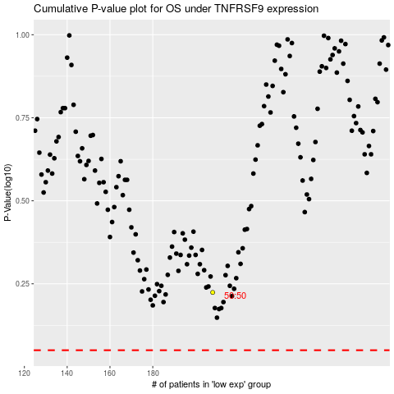

 |  |  |  |  |  | cases_OS | p_OS | rank | exp
 |  |  |  |  |  |  | cases_RFS | p_RFS | rank | exp

