TNFSF13 _multivariate
Reported by Tex Li-Hsing Chi. tex@gate.sinica.edu.tw 2019-08-15

Table 2. The clinicopathological features of HNSCC cohort and TNFSF13 expression. (Chi square test)
Cutoff at -0.248 (49.8%)
 |  | TNFSF13 expression |  | TNFSF13 expression |  | (Optimised)
 | Features | Low | (%) | High | (%) | Case no | P-value | Remark | Matthews
Gender | Female | 161 | 38.8 | 145 | 34.9 | 415 | 0.0792 | 0 | 0
2 | Male | 46 | 11.1 | 63 | 15.2
Age at diagnosis | <=65y | 142 | 34.2 | 132 | 31.8 | 415 | 0.3167 | 0 | 0
4 | >65y | 65 | 15.7 | 76 | 18.3
Clinical T Status | T1+T2 | 75 | 18.1 | 74 | 17.8 | 415 | 0.9707 | 0 | 0
6 | T3+T4 | 132 | 31.8 | 134 | 32.3
Clinical N Status | N0 | 109 | 26.3 | 107 | 25.8 | 415 | 0.8812 | 0 | 0
8 | N1-3 | 98 | 23.6 | 101 | 24.3
Clinical M Status | M0 | 206 | 49.6 | 206 | 49.6 | 415 | 1 | 0 | 0
10 | M1 | 1 | 0.2 | 2 | 0.5
Clinical Stage | Stage I+II | 54 | 13 | 48 | 11.6 | 415 | 0.5498 | 0 | 0
12 | Stage III+IV | 153 | 36.9 | 160 | 38.6
Surgical Margin status | Negative | 154 | 37.1 | 164 | 39.5 | 415 | 0.2984 | 0 | 0
14 | Positive | 53 | 12.8 | 44 | 10.6
Tobacco Exposure | Low | 75 | 18.1 | 86 | 20.7 | 415 | 0.3141 | 0 | 0
16 | High | 132 | 31.8 | 122 | 29.4

Table 3. Univariate/Multivariate Cox's proportional hazards regression analyses on OS time of TNFSF13 gene expression in HNSCC

 |  | Univariate |  |  |  | Multivariate
 | Features | HR | CI95%(L) | CI95%(H) | P-value | HR | CI95%(L) | CI95%(H) | P-value
1 | Female | 1 |  |  |  | 1
Gender | Male | 1.157 | 0.843 | 1.587 | 0.367 | 1.196 | 0.855 | 1.671 | 0.296
11 | <=65y | 1 |  |  |  | 1
Age at diagnosis | >65y | 1.329 | 0.99 | 1.784 | 0.058 | 1.393 | 1.024 | 1.893 | 0.034
12 | T1+T2 | 1 |  |  |  | 1
Clinical T Status | T3+T4 | 1.409 | 1.028 | 1.931 | 0.033 | 2.203 | 1.165 | 4.166 | 0.015
13 | N0 | 1 |  |  |  | 1
Clinical N Status | N1-3 | 1.185 | 0.89 | 1.577 | 0.246 | 1.242 | 0.871 | 1.772 | 0.232
14 | M0 | 1 |  |  |  | 1
Clinical M Status | M1 | 4.097 | 1.009 | 16.644 | 0.049 | 9.24 | 2.011 | 42.455 | 0.004
15 | Stage I+II | 1 |  |  |  | 1
Clinical Stage | Stage III+IV | 1.245 | 0.882 | 1.759 | 0.213 | 0.503 | 0.234 | 1.079 | 0.078
16 | Negative | 1 |  |  |  | 1
Surgical Margin status | Positive | 1.591 | 1.155 | 2.191 | 0.004 | 1.67 | 1.209 | 2.308 | 0.002
17 | Low | 1 |  |  |  | 1
Tobacco Exposure | High | 1.364 | 1.008 | 1.844 | 0.044 | 1.459 | 1.058 | 2.011 | 0.021
18 | Low | 1 |  |  |  | 1
RNAseq(z-score) | High | 1.062 | 0.797 | 1.415 | 0.68 | 1.062 | 0.795 | 1.418 | 0.685

Table 4. Univariate/Multivariate Cox's proportional hazards regression analyses on RFS time of TNFSF13 gene expression in HNSCC

 |  | Univariate |  |  |  | Multivariate
 | Features | HR | CI95%(L) | CI95%(H) | P-value | HR | CI95%(L) | CI95%(H) | P-value
1 | Female | 1 |  |  |  | 1
Gender | Male | 1.157 | 0.843 | 1.587 | 0.367 | 1.196 | 0.855 | 1.671 | 0.296
11 | <=65y | 1 |  |  |  | 1
Age at diagnosis | >65y | 1.329 | 0.99 | 1.784 | 0.058 | 1.393 | 1.024 | 1.893 | 0.034
12 | T1+T2 | 1 |  |  |  | 1
Clinical T Status | T3+T4 | 1.409 | 1.028 | 1.931 | 0.033 | 2.203 | 1.165 | 4.166 | 0.015
13 | N0 | 1 |  |  |  | 1
Clinical N Status | N1-3 | 1.185 | 0.89 | 1.577 | 0.246 | 1.242 | 0.871 | 1.772 | 0.232
14 | M0 | 1 |  |  |  | 1
Clinical M Status | M1 | 4.097 | 1.009 | 16.644 | 0.049 | 9.24 | 2.011 | 42.455 | 0.004
15 | Stage I+II | 1 |  |  |  | 1
Clinical Stage | Stage III+IV | 1.245 | 0.882 | 1.759 | 0.213 | 0.503 | 0.234 | 1.079 | 0.078
16 | Negative | 1 |  |  |  | 1
Surgical Margin status | Positive | 1.591 | 1.155 | 2.191 | 0.004 | 1.67 | 1.209 | 2.308 | 0.002
17 | Low | 1 |  |  |  | 1
Tobacco Exposure | High | 1.364 | 1.008 | 1.844 | 0.044 | 1.459 | 1.058 | 2.011 | 0.021
18 | Low | 1 |  |  |  | 1
RNAseq(z-score) | High | 1.062 | 0.797 | 1.415 | 0.68 | 1.062 | 0.795 | 1.418 | 0.685

Kaplan-Meier survival estimate: Cutoff at -0.248 (49.8%)



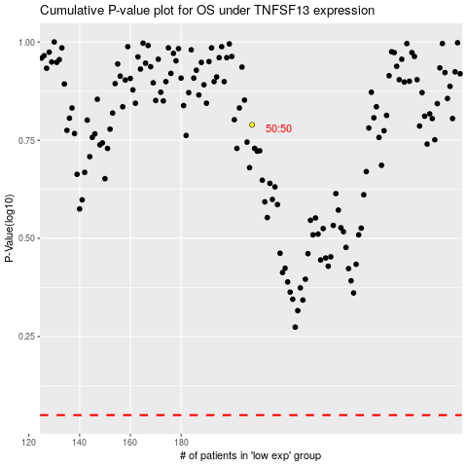

 |  |  |  |  |  | cases_OS | p_OS | rank | exp
 |  |  |  |  |  |  | cases_RFS | p_RFS | rank | exp

