TNFSF13B _multivariate
Reported by Tex Li-Hsing Chi. tex@gate.sinica.edu.tw 2019-08-15

Table 2. The clinicopathological features of HNSCC cohort and TNFSF13B expression. (Chi square test)
Cutoff at -0.303 (49.8%)
 |  | TNFSF13B expression |  | TNFSF13B expression |  | (Optimised)
 | Features | Low | (%) | High | (%) | Case no | P-value | Remark | Matthews
Gender | Female | 168 | 40.5 | 138 | 33.3 | 415 | 9e-04 | 1 | 0
2 | Male | 39 | 9.4 | 70 | 16.9
Age at diagnosis | <=65y | 139 | 33.5 | 135 | 32.5 | 415 | 0.7044 | 0 | 0
4 | >65y | 68 | 16.4 | 73 | 17.6
Clinical T Status | T1+T2 | 71 | 17.1 | 78 | 18.8 | 415 | 0.5638 | 0 | 0
6 | T3+T4 | 136 | 32.8 | 130 | 31.3
Clinical N Status | N0 | 119 | 28.7 | 97 | 23.4 | 415 | 0.0345 | 1 | 0
8 | N1-3 | 88 | 21.2 | 111 | 26.7
Clinical M Status | M0 | 205 | 49.4 | 207 | 49.9 | 415 | 0.6232 | 0 | 0
10 | M1 | 2 | 0.5 | 1 | 0.2
Clinical Stage | Stage I+II | 52 | 12.5 | 50 | 12 | 415 | 0.8871 | 0 | 0
12 | Stage III+IV | 155 | 37.3 | 158 | 38.1
Surgical Margin status | Negative | 154 | 37.1 | 164 | 39.5 | 415 | 0.2984 | 0 | 0
14 | Positive | 53 | 12.8 | 44 | 10.6
Tobacco Exposure | Low | 76 | 18.3 | 85 | 20.5 | 415 | 0.4207 | 0 | 0
16 | High | 131 | 31.6 | 123 | 29.6

Table 3. Univariate/Multivariate Cox's proportional hazards regression analyses on OS time of TNFSF13B gene expression in HNSCC

 |  | Univariate |  |  |  | Multivariate
 | Features | HR | CI95%(L) | CI95%(H) | P-value | HR | CI95%(L) | CI95%(H) | P-value
1 | Female | 1 |  |  |  | 1
Gender | Male | 1.157 | 0.843 | 1.587 | 0.367 | 1.201 | 0.857 | 1.684 | 0.288
11 | <=65y | 1 |  |  |  | 1
Age at diagnosis | >65y | 1.329 | 0.99 | 1.784 | 0.058 | 1.392 | 1.024 | 1.892 | 0.035
12 | T1+T2 | 1 |  |  |  | 1
Clinical T Status | T3+T4 | 1.409 | 1.028 | 1.931 | 0.033 | 2.203 | 1.165 | 4.167 | 0.015
13 | N0 | 1 |  |  |  | 1
Clinical N Status | N1-3 | 1.185 | 0.89 | 1.577 | 0.246 | 1.24 | 0.867 | 1.774 | 0.239
14 | M0 | 1 |  |  |  | 1
Clinical M Status | M1 | 4.097 | 1.009 | 16.644 | 0.049 | 9.411 | 2.051 | 43.182 | 0.004
15 | Stage I+II | 1 |  |  |  | 1
Clinical Stage | Stage III+IV | 1.245 | 0.882 | 1.759 | 0.213 | 0.505 | 0.235 | 1.083 | 0.079
16 | Negative | 1 |  |  |  | 1
Surgical Margin status | Positive | 1.591 | 1.155 | 2.191 | 0.004 | 1.672 | 1.21 | 2.31 | 0.002
17 | Low | 1 |  |  |  | 1
Tobacco Exposure | High | 1.364 | 1.008 | 1.844 | 0.044 | 1.453 | 1.053 | 2.006 | 0.023
18 | Low | 1 |  |  |  | 1
RNAseq(z-score) | High | 0.994 | 0.745 | 1.324 | 0.965 | 1.003 | 0.745 | 1.35 | 0.985

Table 4. Univariate/Multivariate Cox's proportional hazards regression analyses on RFS time of TNFSF13B gene expression in HNSCC

 |  | Univariate |  |  |  | Multivariate
 | Features | HR | CI95%(L) | CI95%(H) | P-value | HR | CI95%(L) | CI95%(H) | P-value
1 | Female | 1 |  |  |  | 1
Gender | Male | 1.157 | 0.843 | 1.587 | 0.367 | 1.201 | 0.857 | 1.684 | 0.288
11 | <=65y | 1 |  |  |  | 1
Age at diagnosis | >65y | 1.329 | 0.99 | 1.784 | 0.058 | 1.392 | 1.024 | 1.892 | 0.035
12 | T1+T2 | 1 |  |  |  | 1
Clinical T Status | T3+T4 | 1.409 | 1.028 | 1.931 | 0.033 | 2.203 | 1.165 | 4.167 | 0.015
13 | N0 | 1 |  |  |  | 1
Clinical N Status | N1-3 | 1.185 | 0.89 | 1.577 | 0.246 | 1.24 | 0.867 | 1.774 | 0.239
14 | M0 | 1 |  |  |  | 1
Clinical M Status | M1 | 4.097 | 1.009 | 16.644 | 0.049 | 9.411 | 2.051 | 43.182 | 0.004
15 | Stage I+II | 1 |  |  |  | 1
Clinical Stage | Stage III+IV | 1.245 | 0.882 | 1.759 | 0.213 | 0.505 | 0.235 | 1.083 | 0.079
16 | Negative | 1 |  |  |  | 1
Surgical Margin status | Positive | 1.591 | 1.155 | 2.191 | 0.004 | 1.672 | 1.21 | 2.31 | 0.002
17 | Low | 1 |  |  |  | 1
Tobacco Exposure | High | 1.364 | 1.008 | 1.844 | 0.044 | 1.453 | 1.053 | 2.006 | 0.023
18 | Low | 1 |  |  |  | 1
RNAseq(z-score) | High | 0.994 | 0.745 | 1.324 | 0.965 | 1.003 | 0.745 | 1.35 | 0.985

Kaplan-Meier survival estimate: Cutoff at -0.303 (49.8%)



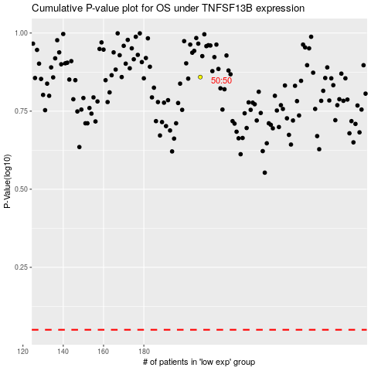

 |  |  |  |  |  | cases_OS | p_OS | rank | exp
 |  |  |  |  |  |  | cases_RFS | p_RFS | rank | exp

