TNFSF14 _multivariate
Reported by Tex Li-Hsing Chi. tex@gate.sinica.edu.tw 2019-08-15

Table 2. The clinicopathological features of HNSCC cohort and TNFSF14 expression. (Chi square test)
Cutoff at -0.31 (49.8%)
 |  | TNFSF14 expression |  | TNFSF14 expression |  | (Optimised)
 | Features | Low | (%) | High | (%) | Case no | P-value | Remark | Matthews
Gender | Female | 157 | 37.8 | 149 | 35.9 | 415 | 0.3881 | 0 | 0
2 | Male | 50 | 12 | 59 | 14.2
Age at diagnosis | <=65y | 138 | 33.3 | 136 | 32.8 | 415 | 0.8634 | 0 | 0
4 | >65y | 69 | 16.6 | 72 | 17.3
Clinical T Status | T1+T2 | 69 | 16.6 | 80 | 19.3 | 415 | 0.3239 | 0 | 0
6 | T3+T4 | 138 | 33.3 | 128 | 30.8
Clinical N Status | N0 | 115 | 27.7 | 101 | 24.3 | 415 | 0.184 | 1 | 0
8 | N1-3 | 92 | 22.2 | 107 | 25.8
Clinical M Status | M0 | 205 | 49.4 | 207 | 49.9 | 415 | 0.6232 | 0 | 0
10 | M1 | 2 | 0.5 | 1 | 0.2
Clinical Stage | Stage I+II | 49 | 11.8 | 53 | 12.8 | 415 | 0.7535 | 0 | 0
12 | Stage III+IV | 158 | 38.1 | 155 | 37.3
Surgical Margin status | Negative | 150 | 36.1 | 168 | 40.5 | 415 | 0.0492 | 1 | 0
14 | Positive | 57 | 13.7 | 40 | 9.6
Tobacco Exposure | Low | 74 | 17.8 | 87 | 21 | 415 | 0.227 | 0 | 0
16 | High | 133 | 32 | 121 | 29.2

Table 3. Univariate/Multivariate Cox's proportional hazards regression analyses on OS time of TNFSF14 gene expression in HNSCC

 |  | Univariate |  |  |  | Multivariate
 | Features | HR | CI95%(L) | CI95%(H) | P-value | HR | CI95%(L) | CI95%(H) | P-value
1 | Female | 1 |  |  |  | 1
Gender | Male | 1.157 | 0.843 | 1.587 | 0.367 | 1.201 | 0.861 | 1.677 | 0.281
11 | <=65y | 1 |  |  |  | 1
Age at diagnosis | >65y | 1.329 | 0.99 | 1.784 | 0.058 | 1.4 | 1.029 | 1.904 | 0.032
12 | T1+T2 | 1 |  |  |  | 1
Clinical T Status | T3+T4 | 1.409 | 1.028 | 1.931 | 0.033 | 2.314 | 1.221 | 4.388 | 0.01
13 | N0 | 1 |  |  |  | 1
Clinical N Status | N1-3 | 1.185 | 0.89 | 1.577 | 0.246 | 1.238 | 0.868 | 1.765 | 0.238
14 | M0 | 1 |  |  |  | 1
Clinical M Status | M1 | 4.097 | 1.009 | 16.644 | 0.049 | 10.151 | 2.208 | 46.67 | 0.003
15 | Stage I+II | 1 |  |  |  | 1
Clinical Stage | Stage III+IV | 1.245 | 0.882 | 1.759 | 0.213 | 0.495 | 0.23 | 1.065 | 0.072
16 | Negative | 1 |  |  |  | 1
Surgical Margin status | Positive | 1.591 | 1.155 | 2.191 | 0.004 | 1.73 | 1.249 | 2.397 | 0.001
17 | Low | 1 |  |  |  | 1
Tobacco Exposure | High | 1.364 | 1.008 | 1.844 | 0.044 | 1.481 | 1.075 | 2.04 | 0.016
18 | Low | 1 |  |  |  | 1
RNAseq(z-score) | High | 1.146 | 0.859 | 1.529 | 0.353 | 1.299 | 0.969 | 1.742 | 0.08

Table 4. Univariate/Multivariate Cox's proportional hazards regression analyses on RFS time of TNFSF14 gene expression in HNSCC

 |  | Univariate |  |  |  | Multivariate
 | Features | HR | CI95%(L) | CI95%(H) | P-value | HR | CI95%(L) | CI95%(H) | P-value
1 | Female | 1 |  |  |  | 1
Gender | Male | 1.157 | 0.843 | 1.587 | 0.367 | 1.201 | 0.861 | 1.677 | 0.281
11 | <=65y | 1 |  |  |  | 1
Age at diagnosis | >65y | 1.329 | 0.99 | 1.784 | 0.058 | 1.4 | 1.029 | 1.904 | 0.032
12 | T1+T2 | 1 |  |  |  | 1
Clinical T Status | T3+T4 | 1.409 | 1.028 | 1.931 | 0.033 | 2.314 | 1.221 | 4.388 | 0.01
13 | N0 | 1 |  |  |  | 1
Clinical N Status | N1-3 | 1.185 | 0.89 | 1.577 | 0.246 | 1.238 | 0.868 | 1.765 | 0.238
14 | M0 | 1 |  |  |  | 1
Clinical M Status | M1 | 4.097 | 1.009 | 16.644 | 0.049 | 10.151 | 2.208 | 46.67 | 0.003
15 | Stage I+II | 1 |  |  |  | 1
Clinical Stage | Stage III+IV | 1.245 | 0.882 | 1.759 | 0.213 | 0.495 | 0.23 | 1.065 | 0.072
16 | Negative | 1 |  |  |  | 1
Surgical Margin status | Positive | 1.591 | 1.155 | 2.191 | 0.004 | 1.73 | 1.249 | 2.397 | 0.001
17 | Low | 1 |  |  |  | 1
Tobacco Exposure | High | 1.364 | 1.008 | 1.844 | 0.044 | 1.481 | 1.075 | 2.04 | 0.016
18 | Low | 1 |  |  |  | 1
RNAseq(z-score) | High | 1.146 | 0.859 | 1.529 | 0.353 | 1.299 | 0.969 | 1.742 | 0.08

Kaplan-Meier survival estimate: Cutoff at -0.31 (49.8%)



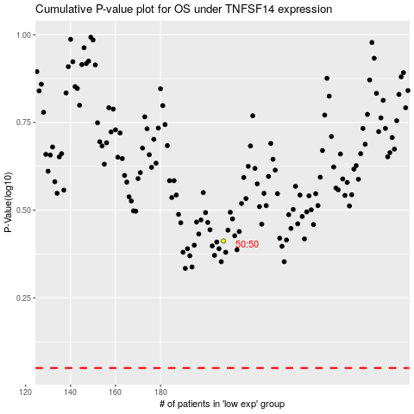

 |  |  |  |  |  | cases_OS | p_OS | rank | exp
 |  |  |  |  |  |  | cases_RFS | p_RFS | rank | exp

