TNFSF8 _multivariate
Reported by Tex Li-Hsing Chi. tex@gate.sinica.edu.tw 2019-08-15

Table 2. The clinicopathological features of HNSCC cohort and TNFSF8 expression. (Chi square test)
Cutoff at -0.343 (50.0%)
 |  | TNFSF8 expression |  | TNFSF8 expression |  | (Optimised)
 | Features | Low | (%) | High | (%) | Case no | P-value | Remark | Matthews
Gender | Female | 161 | 38.8 | 145 | 34.9 | 415 | 0.0792 | 0 | 0
2 | Male | 46 | 11.1 | 63 | 15.2
Age at diagnosis | <=65y | 141 | 34 | 133 | 32 | 415 | 0.4272 | 0 | 0
4 | >65y | 66 | 15.9 | 75 | 18.1
Clinical T Status | T1+T2 | 74 | 17.8 | 75 | 18.1 | 415 | 1 | 0 | 0
6 | T3+T4 | 133 | 32 | 133 | 32
Clinical N Status | N0 | 111 | 26.7 | 105 | 25.3 | 415 | 0.5875 | 0 | 0
8 | N1-3 | 96 | 23.1 | 103 | 24.8
Clinical M Status | M0 | 204 | 49.2 | 208 | 50.1 | 415 | 0.1232 | 0 | 0
10 | M1 | 3 | 0.7 | 0 | 0
Clinical Stage | Stage I+II | 53 | 12.8 | 49 | 11.8 | 415 | 0.7113 | 0 | 0
12 | Stage III+IV | 154 | 37.1 | 159 | 38.3
Surgical Margin status | Negative | 156 | 37.6 | 162 | 39 | 415 | 0.5636 | 0 | 0
14 | Positive | 51 | 12.3 | 46 | 11.1
Tobacco Exposure | Low | 77 | 18.6 | 84 | 20.2 | 415 | 0.5459 | 0 | 0
16 | High | 130 | 31.3 | 124 | 29.9

Table 3. Univariate/Multivariate Cox's proportional hazards regression analyses on OS time of TNFSF8 gene expression in HNSCC

 |  | Univariate |  |  |  | Multivariate
 | Features | HR | CI95%(L) | CI95%(H) | P-value | HR | CI95%(L) | CI95%(H) | P-value
1 | Female | 1 |  |  |  | 1
Gender | Male | 1.157 | 0.843 | 1.587 | 0.367 | 1.216 | 0.869 | 1.701 | 0.253
11 | <=65y | 1 |  |  |  | 1
Age at diagnosis | >65y | 1.329 | 0.99 | 1.784 | 0.058 | 1.391 | 1.024 | 1.889 | 0.035
12 | T1+T2 | 1 |  |  |  | 1
Clinical T Status | T3+T4 | 1.409 | 1.028 | 1.931 | 0.033 | 2.165 | 1.144 | 4.099 | 0.018
13 | N0 | 1 |  |  |  | 1
Clinical N Status | N1-3 | 1.185 | 0.89 | 1.577 | 0.246 | 1.236 | 0.866 | 1.763 | 0.243
14 | M0 | 1 |  |  |  | 1
Clinical M Status | M1 | 4.097 | 1.009 | 16.644 | 0.049 | 8.753 | 1.892 | 40.483 | 0.005
15 | Stage I+II | 1 |  |  |  | 1
Clinical Stage | Stage III+IV | 1.245 | 0.882 | 1.759 | 0.213 | 0.515 | 0.24 | 1.107 | 0.089
16 | Negative | 1 |  |  |  | 1
Surgical Margin status | Positive | 1.591 | 1.155 | 2.191 | 0.004 | 1.677 | 1.214 | 2.318 | 0.002
17 | Low | 1 |  |  |  | 1
Tobacco Exposure | High | 1.364 | 1.008 | 1.844 | 0.044 | 1.431 | 1.036 | 1.975 | 0.03
18 | Low | 1 |  |  |  | 1
RNAseq(z-score) | High | 0.847 | 0.636 | 1.128 | 0.256 | 0.883 | 0.659 | 1.184 | 0.407

Table 4. Univariate/Multivariate Cox's proportional hazards regression analyses on RFS time of TNFSF8 gene expression in HNSCC

 |  | Univariate |  |  |  | Multivariate
 | Features | HR | CI95%(L) | CI95%(H) | P-value | HR | CI95%(L) | CI95%(H) | P-value
1 | Female | 1 |  |  |  | 1
Gender | Male | 1.157 | 0.843 | 1.587 | 0.367 | 1.216 | 0.869 | 1.701 | 0.253
11 | <=65y | 1 |  |  |  | 1
Age at diagnosis | >65y | 1.329 | 0.99 | 1.784 | 0.058 | 1.391 | 1.024 | 1.889 | 0.035
12 | T1+T2 | 1 |  |  |  | 1
Clinical T Status | T3+T4 | 1.409 | 1.028 | 1.931 | 0.033 | 2.165 | 1.144 | 4.099 | 0.018
13 | N0 | 1 |  |  |  | 1
Clinical N Status | N1-3 | 1.185 | 0.89 | 1.577 | 0.246 | 1.236 | 0.866 | 1.763 | 0.243
14 | M0 | 1 |  |  |  | 1
Clinical M Status | M1 | 4.097 | 1.009 | 16.644 | 0.049 | 8.753 | 1.892 | 40.483 | 0.005
15 | Stage I+II | 1 |  |  |  | 1
Clinical Stage | Stage III+IV | 1.245 | 0.882 | 1.759 | 0.213 | 0.515 | 0.24 | 1.107 | 0.089
16 | Negative | 1 |  |  |  | 1
Surgical Margin status | Positive | 1.591 | 1.155 | 2.191 | 0.004 | 1.677 | 1.214 | 2.318 | 0.002
17 | Low | 1 |  |  |  | 1
Tobacco Exposure | High | 1.364 | 1.008 | 1.844 | 0.044 | 1.431 | 1.036 | 1.975 | 0.03
18 | Low | 1 |  |  |  | 1
RNAseq(z-score) | High | 0.847 | 0.636 | 1.128 | 0.256 | 0.883 | 0.659 | 1.184 | 0.407

Kaplan-Meier survival estimate: Cutoff at -0.343 (50.0%)



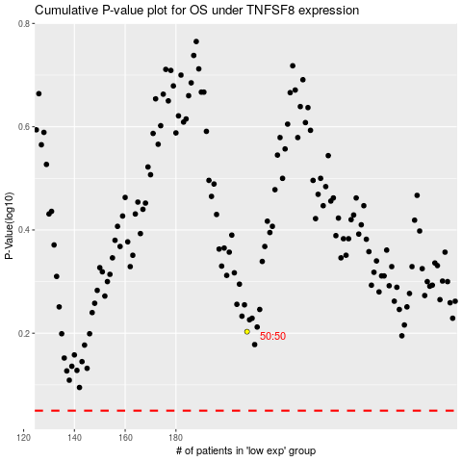

 |  |  |  |  |  | cases_OS | p_OS | rank | exp
 |  |  |  |  |  |  | cases_RFS | p_RFS | rank | exp

