TNFSF9 _multivariate
Reported by Tex Li-Hsing Chi. tex@gate.sinica.edu.tw 2019-08-15

Table 2. The clinicopathological features of HNSCC cohort and TNFSF9 expression. (Chi square test)
Cutoff at -0.275 (50.0%)
 |  | TNFSF9 expression |  | TNFSF9 expression |  | (Optimised)
 | Features | Low | (%) | High | (%) | Case no | P-value | Remark | Matthews
Gender | Female | 169 | 40.7 | 137 | 33 | 415 | 4e-04 | 1 | 0
2 | Male | 38 | 9.2 | 71 | 17.1
Age at diagnosis | <=65y | 145 | 34.9 | 129 | 31.1 | 415 | 0.1046 | 0 | 0
4 | >65y | 62 | 14.9 | 79 | 19
Clinical T Status | T1+T2 | 76 | 18.3 | 73 | 17.6 | 415 | 0.8092 | 0 | 0
6 | T3+T4 | 131 | 31.6 | 135 | 32.5
Clinical N Status | N0 | 108 | 26 | 108 | 26 | 415 | 1 | 0 | 0
8 | N1-3 | 99 | 23.9 | 100 | 24.1
Clinical M Status | M0 | 205 | 49.4 | 207 | 49.9 | 415 | 0.6232 | 0 | 0
10 | M1 | 2 | 0.5 | 1 | 0.2
Clinical Stage | Stage I+II | 49 | 11.8 | 53 | 12.8 | 415 | 0.7535 | 0 | 0
12 | Stage III+IV | 158 | 38.1 | 155 | 37.3
Surgical Margin status | Negative | 160 | 38.6 | 158 | 38.1 | 415 | 0.8167 | 0 | 0
14 | Positive | 47 | 11.3 | 50 | 12
Tobacco Exposure | Low | 79 | 19 | 82 | 19.8 | 415 | 0.8405 | 0 | 0
16 | High | 128 | 30.8 | 126 | 30.4

Table 3. Univariate/Multivariate Cox's proportional hazards regression analyses on OS time of TNFSF9 gene expression in HNSCC

 |  | Univariate |  |  |  | Multivariate
 | Features | HR | CI95%(L) | CI95%(H) | P-value | HR | CI95%(L) | CI95%(H) | P-value
1 | Female | 1 |  |  |  | 1
Gender | Male | 1.157 | 0.843 | 1.587 | 0.367 | 1.234 | 0.881 | 1.729 | 0.221
11 | <=65y | 1 |  |  |  | 1
Age at diagnosis | >65y | 1.329 | 0.99 | 1.784 | 0.058 | 1.443 | 1.056 | 1.972 | 0.021
12 | T1+T2 | 1 |  |  |  | 1
Clinical T Status | T3+T4 | 1.409 | 1.028 | 1.931 | 0.033 | 2.267 | 1.196 | 4.295 | 0.012
13 | N0 | 1 |  |  |  | 1
Clinical N Status | N1-3 | 1.185 | 0.89 | 1.577 | 0.246 | 1.275 | 0.891 | 1.824 | 0.184
14 | M0 | 1 |  |  |  | 1
Clinical M Status | M1 | 4.097 | 1.009 | 16.644 | 0.049 | 9.471 | 2.066 | 43.416 | 0.004
15 | Stage I+II | 1 |  |  |  | 1
Clinical Stage | Stage III+IV | 1.245 | 0.882 | 1.759 | 0.213 | 0.483 | 0.224 | 1.041 | 0.063
16 | Negative | 1 |  |  |  | 1
Surgical Margin status | Positive | 1.591 | 1.155 | 2.191 | 0.004 | 1.689 | 1.222 | 2.334 | 0.002
17 | Low | 1 |  |  |  | 1
Tobacco Exposure | High | 1.364 | 1.008 | 1.844 | 0.044 | 1.46 | 1.06 | 2.011 | 0.021
18 | Low | 1 |  |  |  | 1
RNAseq(z-score) | High | 0.918 | 0.688 | 1.223 | 0.557 | 0.818 | 0.608 | 1.101 | 0.186

Table 4. Univariate/Multivariate Cox's proportional hazards regression analyses on RFS time of TNFSF9 gene expression in HNSCC

 |  | Univariate |  |  |  | Multivariate
 | Features | HR | CI95%(L) | CI95%(H) | P-value | HR | CI95%(L) | CI95%(H) | P-value
1 | Female | 1 |  |  |  | 1
Gender | Male | 1.157 | 0.843 | 1.587 | 0.367 | 1.234 | 0.881 | 1.729 | 0.221
11 | <=65y | 1 |  |  |  | 1
Age at diagnosis | >65y | 1.329 | 0.99 | 1.784 | 0.058 | 1.443 | 1.056 | 1.972 | 0.021
12 | T1+T2 | 1 |  |  |  | 1
Clinical T Status | T3+T4 | 1.409 | 1.028 | 1.931 | 0.033 | 2.267 | 1.196 | 4.295 | 0.012
13 | N0 | 1 |  |  |  | 1
Clinical N Status | N1-3 | 1.185 | 0.89 | 1.577 | 0.246 | 1.275 | 0.891 | 1.824 | 0.184
14 | M0 | 1 |  |  |  | 1
Clinical M Status | M1 | 4.097 | 1.009 | 16.644 | 0.049 | 9.471 | 2.066 | 43.416 | 0.004
15 | Stage I+II | 1 |  |  |  | 1
Clinical Stage | Stage III+IV | 1.245 | 0.882 | 1.759 | 0.213 | 0.483 | 0.224 | 1.041 | 0.063
16 | Negative | 1 |  |  |  | 1
Surgical Margin status | Positive | 1.591 | 1.155 | 2.191 | 0.004 | 1.689 | 1.222 | 2.334 | 0.002
17 | Low | 1 |  |  |  | 1
Tobacco Exposure | High | 1.364 | 1.008 | 1.844 | 0.044 | 1.46 | 1.06 | 2.011 | 0.021
18 | Low | 1 |  |  |  | 1
RNAseq(z-score) | High | 0.918 | 0.688 | 1.223 | 0.557 | 0.818 | 0.608 | 1.101 | 0.186

Kaplan-Meier survival estimate: Cutoff at -0.275 (50.0%)



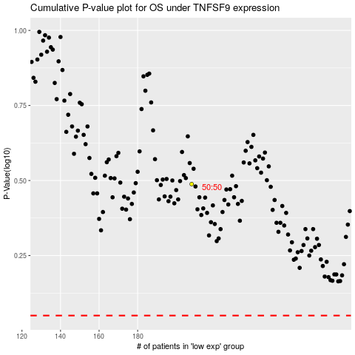

 |  |  |  |  |  | cases_OS | p_OS | rank | exp
 |  |  |  |  |  |  | cases_RFS | p_RFS | rank | exp

