TNIK _multivariate
Reported by Tex Li-Hsing Chi. tex@gate.sinica.edu.tw 2019-08-15

Table 2. The clinicopathological features of HNSCC cohort and TNIK expression. (Chi square test)
Cutoff at -0.353 (50.0%)
 |  | TNIK expression |  | TNIK expression |  | (Optimised)
 | Features | Low | (%) | High | (%) | Case no | P-value | Remark | Matthews
Gender | Female | 152 | 36.6 | 154 | 37.1 | 415 | 0.9766 | 0 | 0
2 | Male | 55 | 13.3 | 54 | 13
Age at diagnosis | <=65y | 144 | 34.7 | 130 | 31.3 | 415 | 0.1568 | 0 | 0
4 | >65y | 63 | 15.2 | 78 | 18.8
Clinical T Status | T1+T2 | 66 | 15.9 | 83 | 20 | 415 | 0.1095 | 0 | 0
6 | T3+T4 | 141 | 34 | 125 | 30.1
Clinical N Status | N0 | 112 | 27 | 104 | 25.1 | 415 | 0.4599 | 0 | 0
8 | N1-3 | 95 | 22.9 | 104 | 25.1
Clinical M Status | M0 | 206 | 49.6 | 206 | 49.6 | 415 | 1 | 0 | 0
10 | M1 | 1 | 0.2 | 2 | 0.5
Clinical Stage | Stage I+II | 49 | 11.8 | 53 | 12.8 | 415 | 0.7535 | 0 | 0
12 | Stage III+IV | 158 | 38.1 | 155 | 37.3
Surgical Margin status | Negative | 158 | 38.1 | 160 | 38.6 | 415 | 0.9081 | 0 | 0
14 | Positive | 49 | 11.8 | 48 | 11.6
Tobacco Exposure | Low | 82 | 19.8 | 79 | 19 | 415 | 0.763 | 0 | 0
16 | High | 125 | 30.1 | 129 | 31.1

Table 3. Univariate/Multivariate Cox's proportional hazards regression analyses on OS time of TNIK gene expression in HNSCC

 |  | Univariate |  |  |  | Multivariate
 | Features | HR | CI95%(L) | CI95%(H) | P-value | HR | CI95%(L) | CI95%(H) | P-value
1 | Female | 1 |  |  |  | 1
Gender | Male | 1.157 | 0.843 | 1.587 | 0.367 | 1.216 | 0.869 | 1.7 | 0.254
11 | <=65y | 1 |  |  |  | 1
Age at diagnosis | >65y | 1.329 | 0.99 | 1.784 | 0.058 | 1.377 | 1.012 | 1.875 | 0.042
12 | T1+T2 | 1 |  |  |  | 1
Clinical T Status | T3+T4 | 1.409 | 1.028 | 1.931 | 0.033 | 2.232 | 1.179 | 4.227 | 0.014
13 | N0 | 1 |  |  |  | 1
Clinical N Status | N1-3 | 1.185 | 0.89 | 1.577 | 0.246 | 1.232 | 0.863 | 1.76 | 0.25
14 | M0 | 1 |  |  |  | 1
Clinical M Status | M1 | 4.097 | 1.009 | 16.644 | 0.049 | 9.48 | 2.068 | 43.468 | 0.004
15 | Stage I+II | 1 |  |  |  | 1
Clinical Stage | Stage III+IV | 1.245 | 0.882 | 1.759 | 0.213 | 0.499 | 0.232 | 1.071 | 0.075
16 | Negative | 1 |  |  |  | 1
Surgical Margin status | Positive | 1.591 | 1.155 | 2.191 | 0.004 | 1.68 | 1.215 | 2.322 | 0.002
17 | Low | 1 |  |  |  | 1
Tobacco Exposure | High | 1.364 | 1.008 | 1.844 | 0.044 | 1.444 | 1.048 | 1.989 | 0.025
18 | Low | 1 |  |  |  | 1
RNAseq(z-score) | High | 1.1 | 0.825 | 1.467 | 0.516 | 1.11 | 0.829 | 1.487 | 0.483

Table 4. Univariate/Multivariate Cox's proportional hazards regression analyses on RFS time of TNIK gene expression in HNSCC

 |  | Univariate |  |  |  | Multivariate
 | Features | HR | CI95%(L) | CI95%(H) | P-value | HR | CI95%(L) | CI95%(H) | P-value
1 | Female | 1 |  |  |  | 1
Gender | Male | 1.157 | 0.843 | 1.587 | 0.367 | 1.216 | 0.869 | 1.7 | 0.254
11 | <=65y | 1 |  |  |  | 1
Age at diagnosis | >65y | 1.329 | 0.99 | 1.784 | 0.058 | 1.377 | 1.012 | 1.875 | 0.042
12 | T1+T2 | 1 |  |  |  | 1
Clinical T Status | T3+T4 | 1.409 | 1.028 | 1.931 | 0.033 | 2.232 | 1.179 | 4.227 | 0.014
13 | N0 | 1 |  |  |  | 1
Clinical N Status | N1-3 | 1.185 | 0.89 | 1.577 | 0.246 | 1.232 | 0.863 | 1.76 | 0.25
14 | M0 | 1 |  |  |  | 1
Clinical M Status | M1 | 4.097 | 1.009 | 16.644 | 0.049 | 9.48 | 2.068 | 43.468 | 0.004
15 | Stage I+II | 1 |  |  |  | 1
Clinical Stage | Stage III+IV | 1.245 | 0.882 | 1.759 | 0.213 | 0.499 | 0.232 | 1.071 | 0.075
16 | Negative | 1 |  |  |  | 1
Surgical Margin status | Positive | 1.591 | 1.155 | 2.191 | 0.004 | 1.68 | 1.215 | 2.322 | 0.002
17 | Low | 1 |  |  |  | 1
Tobacco Exposure | High | 1.364 | 1.008 | 1.844 | 0.044 | 1.444 | 1.048 | 1.989 | 0.025
18 | Low | 1 |  |  |  | 1
RNAseq(z-score) | High | 1.1 | 0.825 | 1.467 | 0.516 | 1.11 | 0.829 | 1.487 | 0.483

Kaplan-Meier survival estimate: Cutoff at -0.353 (50.0%)



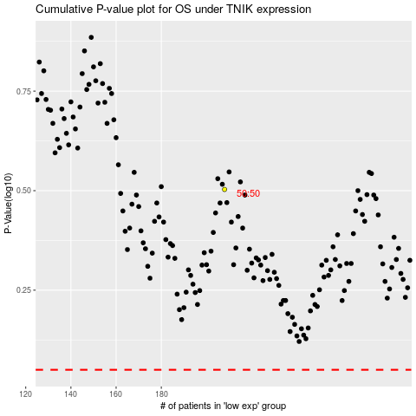

 |  |  |  |  |  | cases_OS | p_OS | rank | exp
 |  |  |  |  |  |  | cases_RFS | p_RFS | rank | exp

