TNIP1 _multivariate
Reported by Tex Li-Hsing Chi. tex@gate.sinica.edu.tw 2019-08-15

Table 2. The clinicopathological features of HNSCC cohort and TNIP1 expression. (Chi square test)
Cutoff at -0.265 (49.8%)
 |  | TNIP1 expression |  | TNIP1 expression |  | (Optimised)
 | Features | Low | (%) | High | (%) | Case no | P-value | Remark | Matthews
Gender | Female | 152 | 36.6 | 154 | 37.1 | 415 | 0.9766 | 0 | 0
2 | Male | 55 | 13.3 | 54 | 13
Age at diagnosis | <=65y | 135 | 32.5 | 139 | 33.5 | 415 | 0.8084 | 0 | 0
4 | >65y | 72 | 17.3 | 69 | 16.6
Clinical T Status | T1+T2 | 78 | 18.8 | 71 | 17.1 | 415 | 0.5152 | 0 | 0
6 | T3+T4 | 129 | 31.1 | 137 | 33
Clinical N Status | N0 | 118 | 28.4 | 98 | 23.6 | 415 | 0.0551 | 1 | 0
8 | N1-3 | 89 | 21.4 | 110 | 26.5
Clinical M Status | M0 | 206 | 49.6 | 206 | 49.6 | 415 | 1 | 0 | 0
10 | M1 | 1 | 0.2 | 2 | 0.5
Clinical Stage | Stage I+II | 60 | 14.5 | 42 | 10.1 | 415 | 0.0493 | 1 | 0
12 | Stage III+IV | 147 | 35.4 | 166 | 40
Surgical Margin status | Negative | 159 | 38.3 | 159 | 38.3 | 415 | 1 | 0 | 0
14 | Positive | 48 | 11.6 | 49 | 11.8
Tobacco Exposure | Low | 76 | 18.3 | 85 | 20.5 | 415 | 0.4207 | 0 | 0
16 | High | 131 | 31.6 | 123 | 29.6

Table 3. Univariate/Multivariate Cox's proportional hazards regression analyses on OS time of TNIP1 gene expression in HNSCC

 |  | Univariate |  |  |  | Multivariate
 | Features | HR | CI95%(L) | CI95%(H) | P-value | HR | CI95%(L) | CI95%(H) | P-value
1 | Female | 1 |  |  |  | 1
Gender | Male | 1.157 | 0.843 | 1.587 | 0.367 | 1.201 | 0.86 | 1.677 | 0.282
11 | <=65y | 1 |  |  |  | 1
Age at diagnosis | >65y | 1.329 | 0.99 | 1.784 | 0.058 | 1.396 | 1.027 | 1.898 | 0.033
12 | T1+T2 | 1 |  |  |  | 1
Clinical T Status | T3+T4 | 1.409 | 1.028 | 1.931 | 0.033 | 2.222 | 1.175 | 4.204 | 0.014
13 | N0 | 1 |  |  |  | 1
Clinical N Status | N1-3 | 1.185 | 0.89 | 1.577 | 0.246 | 1.232 | 0.863 | 1.759 | 0.25
14 | M0 | 1 |  |  |  | 1
Clinical M Status | M1 | 4.097 | 1.009 | 16.644 | 0.049 | 9.462 | 2.064 | 43.38 | 0.004
15 | Stage I+II | 1 |  |  |  | 1
Clinical Stage | Stage III+IV | 1.245 | 0.882 | 1.759 | 0.213 | 0.499 | 0.232 | 1.072 | 0.075
16 | Negative | 1 |  |  |  | 1
Surgical Margin status | Positive | 1.591 | 1.155 | 2.191 | 0.004 | 1.658 | 1.199 | 2.293 | 0.002
17 | Low | 1 |  |  |  | 1
Tobacco Exposure | High | 1.364 | 1.008 | 1.844 | 0.044 | 1.465 | 1.062 | 2.021 | 0.02
18 | Low | 1 |  |  |  | 1
RNAseq(z-score) | High | 1.081 | 0.812 | 1.44 | 0.594 | 1.088 | 0.813 | 1.456 | 0.57

Table 4. Univariate/Multivariate Cox's proportional hazards regression analyses on RFS time of TNIP1 gene expression in HNSCC

 |  | Univariate |  |  |  | Multivariate
 | Features | HR | CI95%(L) | CI95%(H) | P-value | HR | CI95%(L) | CI95%(H) | P-value
1 | Female | 1 |  |  |  | 1
Gender | Male | 1.157 | 0.843 | 1.587 | 0.367 | 1.201 | 0.86 | 1.677 | 0.282
11 | <=65y | 1 |  |  |  | 1
Age at diagnosis | >65y | 1.329 | 0.99 | 1.784 | 0.058 | 1.396 | 1.027 | 1.898 | 0.033
12 | T1+T2 | 1 |  |  |  | 1
Clinical T Status | T3+T4 | 1.409 | 1.028 | 1.931 | 0.033 | 2.222 | 1.175 | 4.204 | 0.014
13 | N0 | 1 |  |  |  | 1
Clinical N Status | N1-3 | 1.185 | 0.89 | 1.577 | 0.246 | 1.232 | 0.863 | 1.759 | 0.25
14 | M0 | 1 |  |  |  | 1
Clinical M Status | M1 | 4.097 | 1.009 | 16.644 | 0.049 | 9.462 | 2.064 | 43.38 | 0.004
15 | Stage I+II | 1 |  |  |  | 1
Clinical Stage | Stage III+IV | 1.245 | 0.882 | 1.759 | 0.213 | 0.499 | 0.232 | 1.072 | 0.075
16 | Negative | 1 |  |  |  | 1
Surgical Margin status | Positive | 1.591 | 1.155 | 2.191 | 0.004 | 1.658 | 1.199 | 2.293 | 0.002
17 | Low | 1 |  |  |  | 1
Tobacco Exposure | High | 1.364 | 1.008 | 1.844 | 0.044 | 1.465 | 1.062 | 2.021 | 0.02
18 | Low | 1 |  |  |  | 1
RNAseq(z-score) | High | 1.081 | 0.812 | 1.44 | 0.594 | 1.088 | 0.813 | 1.456 | 0.57

Kaplan-Meier survival estimate: Cutoff at -0.265 (49.8%)



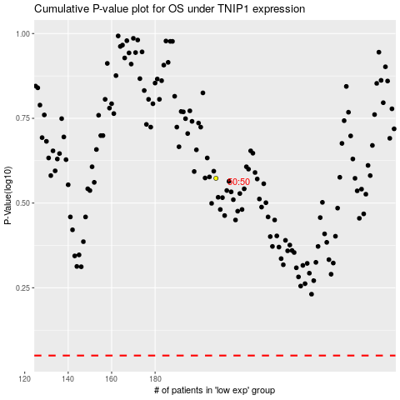

 |  |  |  |  |  | cases_OS | p_OS | rank | exp
 |  |  |  |  |  |  | cases_RFS | p_RFS | rank | exp

