TNKS _multivariate
Reported by Tex Li-Hsing Chi. tex@gate.sinica.edu.tw 2019-08-15

Table 2. The clinicopathological features of HNSCC cohort and TNKS expression. (Chi square test)
Cutoff at -0.219 (49.8%)
 |  | TNKS expression |  | TNKS expression |  | (Optimised)
 | Features | Low | (%) | High | (%) | Case no | P-value | Remark | Matthews
Gender | Female | 145 | 34.9 | 161 | 38.8 | 415 | 0.1116 | 0 | 0
2 | Male | 62 | 14.9 | 47 | 11.3
Age at diagnosis | <=65y | 136 | 32.8 | 138 | 33.3 | 415 | 0.9719 | 0 | 0
4 | >65y | 71 | 17.1 | 70 | 16.9
Clinical T Status | T1+T2 | 68 | 16.4 | 81 | 19.5 | 415 | 0.2336 | 0 | 0
6 | T3+T4 | 139 | 33.5 | 127 | 30.6
Clinical N Status | N0 | 100 | 24.1 | 116 | 28 | 415 | 0.1548 | 0 | 0
8 | N1-3 | 107 | 25.8 | 92 | 22.2
Clinical M Status | M0 | 204 | 49.2 | 208 | 50.1 | 415 | 0.1232 | 0 | 0
10 | M1 | 3 | 0.7 | 0 | 0
Clinical Stage | Stage I+II | 47 | 11.3 | 55 | 13.3 | 415 | 0.4413 | 0 | 0
12 | Stage III+IV | 160 | 38.6 | 153 | 36.9
Surgical Margin status | Negative | 152 | 36.6 | 166 | 40 | 415 | 0.1329 | 0 | 0
14 | Positive | 55 | 13.3 | 42 | 10.1
Tobacco Exposure | Low | 91 | 21.9 | 70 | 16.9 | 415 | 0.0346 | 1 | 0
16 | High | 116 | 28 | 138 | 33.3

Table 3. Univariate/Multivariate Cox's proportional hazards regression analyses on OS time of TNKS gene expression in HNSCC

 |  | Univariate |  |  |  | Multivariate
 | Features | HR | CI95%(L) | CI95%(H) | P-value | HR | CI95%(L) | CI95%(H) | P-value
1 | Female | 1 |  |  |  | 1
Gender | Male | 1.157 | 0.843 | 1.587 | 0.367 | 1.193 | 0.853 | 1.667 | 0.303
11 | <=65y | 1 |  |  |  | 1
Age at diagnosis | >65y | 1.329 | 0.99 | 1.784 | 0.058 | 1.395 | 1.026 | 1.895 | 0.033
12 | T1+T2 | 1 |  |  |  | 1
Clinical T Status | T3+T4 | 1.409 | 1.028 | 1.931 | 0.033 | 2.12 | 1.116 | 4.028 | 0.022
13 | N0 | 1 |  |  |  | 1
Clinical N Status | N1-3 | 1.185 | 0.89 | 1.577 | 0.246 | 1.223 | 0.856 | 1.747 | 0.268
14 | M0 | 1 |  |  |  | 1
Clinical M Status | M1 | 4.097 | 1.009 | 16.644 | 0.049 | 8.517 | 1.832 | 39.603 | 0.006
15 | Stage I+II | 1 |  |  |  | 1
Clinical Stage | Stage III+IV | 1.245 | 0.882 | 1.759 | 0.213 | 0.528 | 0.245 | 1.141 | 0.104
16 | Negative | 1 |  |  |  | 1
Surgical Margin status | Positive | 1.591 | 1.155 | 2.191 | 0.004 | 1.64 | 1.185 | 2.272 | 0.003
17 | Low | 1 |  |  |  | 1
Tobacco Exposure | High | 1.364 | 1.008 | 1.844 | 0.044 | 1.472 | 1.067 | 2.032 | 0.019
18 | Low | 1 |  |  |  | 1
RNAseq(z-score) | High | 0.809 | 0.605 | 1.081 | 0.151 | 0.872 | 0.647 | 1.175 | 0.368

Table 4. Univariate/Multivariate Cox's proportional hazards regression analyses on RFS time of TNKS gene expression in HNSCC

 |  | Univariate |  |  |  | Multivariate
 | Features | HR | CI95%(L) | CI95%(H) | P-value | HR | CI95%(L) | CI95%(H) | P-value
1 | Female | 1 |  |  |  | 1
Gender | Male | 1.157 | 0.843 | 1.587 | 0.367 | 1.193 | 0.853 | 1.667 | 0.303
11 | <=65y | 1 |  |  |  | 1
Age at diagnosis | >65y | 1.329 | 0.99 | 1.784 | 0.058 | 1.395 | 1.026 | 1.895 | 0.033
12 | T1+T2 | 1 |  |  |  | 1
Clinical T Status | T3+T4 | 1.409 | 1.028 | 1.931 | 0.033 | 2.12 | 1.116 | 4.028 | 0.022
13 | N0 | 1 |  |  |  | 1
Clinical N Status | N1-3 | 1.185 | 0.89 | 1.577 | 0.246 | 1.223 | 0.856 | 1.747 | 0.268
14 | M0 | 1 |  |  |  | 1
Clinical M Status | M1 | 4.097 | 1.009 | 16.644 | 0.049 | 8.517 | 1.832 | 39.603 | 0.006
15 | Stage I+II | 1 |  |  |  | 1
Clinical Stage | Stage III+IV | 1.245 | 0.882 | 1.759 | 0.213 | 0.528 | 0.245 | 1.141 | 0.104
16 | Negative | 1 |  |  |  | 1
Surgical Margin status | Positive | 1.591 | 1.155 | 2.191 | 0.004 | 1.64 | 1.185 | 2.272 | 0.003
17 | Low | 1 |  |  |  | 1
Tobacco Exposure | High | 1.364 | 1.008 | 1.844 | 0.044 | 1.472 | 1.067 | 2.032 | 0.019
18 | Low | 1 |  |  |  | 1
RNAseq(z-score) | High | 0.809 | 0.605 | 1.081 | 0.151 | 0.872 | 0.647 | 1.175 | 0.368

Kaplan-Meier survival estimate: Cutoff at -0.219 (49.8%)



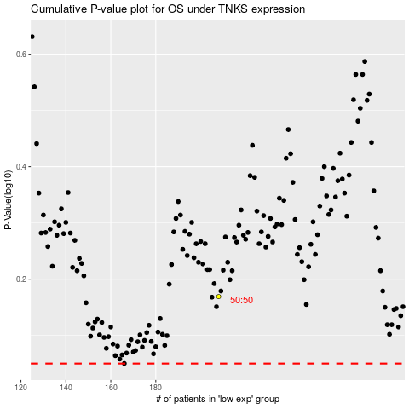

 |  |  |  |  |  | cases_OS | p_OS | rank | exp
 |  |  |  |  |  |  | cases_RFS | p_RFS | rank | exp

