TNNI3 _multivariate
Reported by Tex Li-Hsing Chi. tex@gate.sinica.edu.tw 2019-08-15

Table 2. The clinicopathological features of HNSCC cohort and TNNI3 expression. (Chi square test)
Cutoff at -0.34 (50.0%)
 |  | TNNI3 expression |  | TNNI3 expression |  | (Optimised)
 | Features | Low | (%) | High | (%) | Case no | P-value | Remark | Matthews
Gender | Female | 149 | 35.9 | 157 | 37.8 | 415 | 0.4848 | 0 | 0
2 | Male | 58 | 14 | 51 | 12.3
Age at diagnosis | <=65y | 130 | 31.3 | 144 | 34.7 | 415 | 0.2009 | 0 | 0
4 | >65y | 77 | 18.6 | 64 | 15.4
Clinical T Status | T1+T2 | 80 | 19.3 | 69 | 16.6 | 415 | 0.2891 | 0 | 0
6 | T3+T4 | 127 | 30.6 | 139 | 33.5
Clinical N Status | N0 | 102 | 24.6 | 114 | 27.5 | 415 | 0.3031 | 0 | 0
8 | N1-3 | 105 | 25.3 | 94 | 22.7
Clinical M Status | M0 | 204 | 49.2 | 208 | 50.1 | 415 | 0.1232 | 0 | 0
10 | M1 | 3 | 0.7 | 0 | 0
Clinical Stage | Stage I+II | 51 | 12.3 | 51 | 12.3 | 415 | 1 | 0 | 0
12 | Stage III+IV | 156 | 37.6 | 157 | 37.8
Surgical Margin status | Negative | 157 | 37.8 | 161 | 38.8 | 415 | 0.729 | 0 | 0
14 | Positive | 50 | 12 | 47 | 11.3
Tobacco Exposure | Low | 92 | 22.2 | 69 | 16.6 | 415 | 0.0206 | 1 | 0
16 | High | 115 | 27.7 | 139 | 33.5

Table 3. Univariate/Multivariate Cox's proportional hazards regression analyses on OS time of TNNI3 gene expression in HNSCC

 |  | Univariate |  |  |  | Multivariate
 | Features | HR | CI95%(L) | CI95%(H) | P-value | HR | CI95%(L) | CI95%(H) | P-value
1 | Female | 1 |  |  |  | 1
Gender | Male | 1.157 | 0.843 | 1.587 | 0.367 | 1.202 | 0.86 | 1.679 | 0.281
11 | <=65y | 1 |  |  |  | 1
Age at diagnosis | >65y | 1.329 | 0.99 | 1.784 | 0.058 | 1.378 | 1.013 | 1.877 | 0.041
12 | T1+T2 | 1 |  |  |  | 1
Clinical T Status | T3+T4 | 1.409 | 1.028 | 1.931 | 0.033 | 2.214 | 1.17 | 4.188 | 0.015
13 | N0 | 1 |  |  |  | 1
Clinical N Status | N1-3 | 1.185 | 0.89 | 1.577 | 0.246 | 1.225 | 0.858 | 1.751 | 0.264
14 | M0 | 1 |  |  |  | 1
Clinical M Status | M1 | 4.097 | 1.009 | 16.644 | 0.049 | 9.021 | 1.959 | 41.533 | 0.005
15 | Stage I+II | 1 |  |  |  | 1
Clinical Stage | Stage III+IV | 1.245 | 0.882 | 1.759 | 0.213 | 0.504 | 0.235 | 1.081 | 0.078
16 | Negative | 1 |  |  |  | 1
Surgical Margin status | Positive | 1.591 | 1.155 | 2.191 | 0.004 | 1.68 | 1.215 | 2.322 | 0.002
17 | Low | 1 |  |  |  | 1
Tobacco Exposure | High | 1.364 | 1.008 | 1.844 | 0.044 | 1.48 | 1.069 | 2.048 | 0.018
18 | Low | 1 |  |  |  | 1
RNAseq(z-score) | High | 0.914 | 0.686 | 1.219 | 0.541 | 0.899 | 0.669 | 1.21 | 0.484

Table 4. Univariate/Multivariate Cox's proportional hazards regression analyses on RFS time of TNNI3 gene expression in HNSCC

 |  | Univariate |  |  |  | Multivariate
 | Features | HR | CI95%(L) | CI95%(H) | P-value | HR | CI95%(L) | CI95%(H) | P-value
1 | Female | 1 |  |  |  | 1
Gender | Male | 1.157 | 0.843 | 1.587 | 0.367 | 1.202 | 0.86 | 1.679 | 0.281
11 | <=65y | 1 |  |  |  | 1
Age at diagnosis | >65y | 1.329 | 0.99 | 1.784 | 0.058 | 1.378 | 1.013 | 1.877 | 0.041
12 | T1+T2 | 1 |  |  |  | 1
Clinical T Status | T3+T4 | 1.409 | 1.028 | 1.931 | 0.033 | 2.214 | 1.17 | 4.188 | 0.015
13 | N0 | 1 |  |  |  | 1
Clinical N Status | N1-3 | 1.185 | 0.89 | 1.577 | 0.246 | 1.225 | 0.858 | 1.751 | 0.264
14 | M0 | 1 |  |  |  | 1
Clinical M Status | M1 | 4.097 | 1.009 | 16.644 | 0.049 | 9.021 | 1.959 | 41.533 | 0.005
15 | Stage I+II | 1 |  |  |  | 1
Clinical Stage | Stage III+IV | 1.245 | 0.882 | 1.759 | 0.213 | 0.504 | 0.235 | 1.081 | 0.078
16 | Negative | 1 |  |  |  | 1
Surgical Margin status | Positive | 1.591 | 1.155 | 2.191 | 0.004 | 1.68 | 1.215 | 2.322 | 0.002
17 | Low | 1 |  |  |  | 1
Tobacco Exposure | High | 1.364 | 1.008 | 1.844 | 0.044 | 1.48 | 1.069 | 2.048 | 0.018
18 | Low | 1 |  |  |  | 1
RNAseq(z-score) | High | 0.914 | 0.686 | 1.219 | 0.541 | 0.899 | 0.669 | 1.21 | 0.484

Kaplan-Meier survival estimate: Cutoff at -0.34 (50.0%)



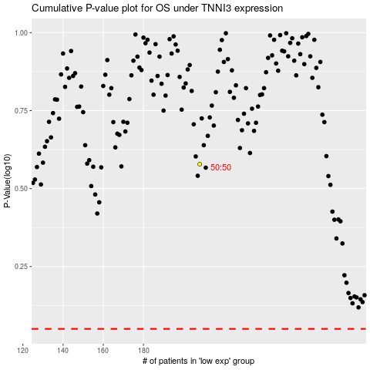

 |  |  |  |  |  | cases_OS | p_OS | rank | exp
 |  |  |  |  |  |  | cases_RFS | p_RFS | rank | exp

