TNNT1 _multivariate
Reported by Tex Li-Hsing Chi. tex@gate.sinica.edu.tw 2019-08-15

Table 2. The clinicopathological features of HNSCC cohort and TNNT1 expression. (Chi square test)
Cutoff at -0.209 (50.0%)
 |  | TNNT1 expression |  | TNNT1 expression |  | (Optimised)
 | Features | Low | (%) | High | (%) | Case no | P-value | Remark | Matthews
Gender | Female | 154 | 37.1 | 152 | 36.6 | 415 | 0.8463 | 0 | 0
2 | Male | 53 | 12.8 | 56 | 13.5
Age at diagnosis | <=65y | 133 | 32 | 141 | 34 | 415 | 0.5111 | 0 | 0
4 | >65y | 74 | 17.8 | 67 | 16.1
Clinical T Status | T1+T2 | 68 | 16.4 | 81 | 19.5 | 415 | 0.2336 | 0 | 0
6 | T3+T4 | 139 | 33.5 | 127 | 30.6
Clinical N Status | N0 | 116 | 28 | 100 | 24.1 | 415 | 0.1273 | 1 | 0
8 | N1-3 | 91 | 21.9 | 108 | 26
Clinical M Status | M0 | 205 | 49.4 | 207 | 49.9 | 415 | 0.6232 | 0 | 0
10 | M1 | 2 | 0.5 | 1 | 0.2
Clinical Stage | Stage I+II | 46 | 11.1 | 56 | 13.5 | 415 | 0.3182 | 0 | 0
12 | Stage III+IV | 161 | 38.8 | 152 | 36.6
Surgical Margin status | Negative | 162 | 39 | 156 | 37.6 | 415 | 0.4867 | 0 | 0
14 | Positive | 45 | 10.8 | 52 | 12.5
Tobacco Exposure | Low | 81 | 19.5 | 80 | 19.3 | 415 | 0.9199 | 0 | 0
16 | High | 126 | 30.4 | 128 | 30.8

Table 3. Univariate/Multivariate Cox's proportional hazards regression analyses on OS time of TNNT1 gene expression in HNSCC

 |  | Univariate |  |  |  | Multivariate
 | Features | HR | CI95%(L) | CI95%(H) | P-value | HR | CI95%(L) | CI95%(H) | P-value
1 | Female | 1 |  |  |  | 1
Gender | Male | 1.157 | 0.843 | 1.587 | 0.367 | 1.198 | 0.856 | 1.676 | 0.292
11 | <=65y | 1 |  |  |  | 1
Age at diagnosis | >65y | 1.329 | 0.99 | 1.784 | 0.058 | 1.38 | 1.016 | 1.876 | 0.039
12 | T1+T2 | 1 |  |  |  | 1
Clinical T Status | T3+T4 | 1.409 | 1.028 | 1.931 | 0.033 | 2.253 | 1.191 | 4.26 | 0.012
13 | N0 | 1 |  |  |  | 1
Clinical N Status | N1-3 | 1.185 | 0.89 | 1.577 | 0.246 | 1.188 | 0.83 | 1.701 | 0.347
14 | M0 | 1 |  |  |  | 1
Clinical M Status | M1 | 4.097 | 1.009 | 16.644 | 0.049 | 10.477 | 2.275 | 48.258 | 0.003
15 | Stage I+II | 1 |  |  |  | 1
Clinical Stage | Stage III+IV | 1.245 | 0.882 | 1.759 | 0.213 | 0.52 | 0.242 | 1.118 | 0.094
16 | Negative | 1 |  |  |  | 1
Surgical Margin status | Positive | 1.591 | 1.155 | 2.191 | 0.004 | 1.633 | 1.182 | 2.258 | 0.003
17 | Low | 1 |  |  |  | 1
Tobacco Exposure | High | 1.364 | 1.008 | 1.844 | 0.044 | 1.442 | 1.047 | 1.986 | 0.025
18 | Low | 1 |  |  |  | 1
RNAseq(z-score) | High | 1.305 | 0.979 | 1.741 | 0.069 | 1.311 | 0.978 | 1.759 | 0.07

Table 4. Univariate/Multivariate Cox's proportional hazards regression analyses on RFS time of TNNT1 gene expression in HNSCC

 |  | Univariate |  |  |  | Multivariate
 | Features | HR | CI95%(L) | CI95%(H) | P-value | HR | CI95%(L) | CI95%(H) | P-value
1 | Female | 1 |  |  |  | 1
Gender | Male | 1.157 | 0.843 | 1.587 | 0.367 | 1.198 | 0.856 | 1.676 | 0.292
11 | <=65y | 1 |  |  |  | 1
Age at diagnosis | >65y | 1.329 | 0.99 | 1.784 | 0.058 | 1.38 | 1.016 | 1.876 | 0.039
12 | T1+T2 | 1 |  |  |  | 1
Clinical T Status | T3+T4 | 1.409 | 1.028 | 1.931 | 0.033 | 2.253 | 1.191 | 4.26 | 0.012
13 | N0 | 1 |  |  |  | 1
Clinical N Status | N1-3 | 1.185 | 0.89 | 1.577 | 0.246 | 1.188 | 0.83 | 1.701 | 0.347
14 | M0 | 1 |  |  |  | 1
Clinical M Status | M1 | 4.097 | 1.009 | 16.644 | 0.049 | 10.477 | 2.275 | 48.258 | 0.003
15 | Stage I+II | 1 |  |  |  | 1
Clinical Stage | Stage III+IV | 1.245 | 0.882 | 1.759 | 0.213 | 0.52 | 0.242 | 1.118 | 0.094
16 | Negative | 1 |  |  |  | 1
Surgical Margin status | Positive | 1.591 | 1.155 | 2.191 | 0.004 | 1.633 | 1.182 | 2.258 | 0.003
17 | Low | 1 |  |  |  | 1
Tobacco Exposure | High | 1.364 | 1.008 | 1.844 | 0.044 | 1.442 | 1.047 | 1.986 | 0.025
18 | Low | 1 |  |  |  | 1
RNAseq(z-score) | High | 1.305 | 0.979 | 1.741 | 0.069 | 1.311 | 0.978 | 1.759 | 0.07

Kaplan-Meier survival estimate: Cutoff at -0.209 (50.0%)



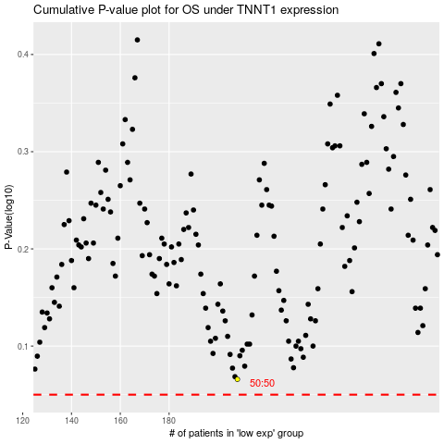

 |  |  |  |  |  | cases_OS | p_OS | rank | exp
 |  |  |  |  |  |  | cases_RFS | p_RFS | rank | exp

