TNNT2 _multivariate
Reported by Tex Li-Hsing Chi. tex@gate.sinica.edu.tw 2019-08-15

Table 2. The clinicopathological features of HNSCC cohort and TNNT2 expression. (Chi square test)
Cutoff at -0.279 (50.0%)
 |  | TNNT2 expression |  | TNNT2 expression |  | (Optimised)
 | Features | Low | (%) | High | (%) | Case no | P-value | Remark | Matthews
Gender | Female | 158 | 38.1 | 148 | 35.7 | 415 | 0.2774 | 0 | 0
2 | Male | 49 | 11.8 | 60 | 14.5
Age at diagnosis | <=65y | 136 | 32.8 | 138 | 33.3 | 415 | 0.9719 | 0 | 0
4 | >65y | 71 | 17.1 | 70 | 16.9
Clinical T Status | T1+T2 | 77 | 18.6 | 72 | 17.3 | 415 | 0.6556 | 0 | 0
6 | T3+T4 | 130 | 31.3 | 136 | 32.8
Clinical N Status | N0 | 106 | 25.5 | 110 | 26.5 | 415 | 0.8075 | 0 | 0
8 | N1-3 | 101 | 24.3 | 98 | 23.6
Clinical M Status | M0 | 204 | 49.2 | 208 | 50.1 | 415 | 0.1232 | 0 | 0
10 | M1 | 3 | 0.7 | 0 | 0
Clinical Stage | Stage I+II | 49 | 11.8 | 53 | 12.8 | 415 | 0.7535 | 0 | 0
12 | Stage III+IV | 158 | 38.1 | 155 | 37.3
Surgical Margin status | Negative | 152 | 36.6 | 166 | 40 | 415 | 0.1329 | 0 | 0
14 | Positive | 55 | 13.3 | 42 | 10.1
Tobacco Exposure | Low | 78 | 18.8 | 83 | 20 | 415 | 0.6873 | 0 | 0
16 | High | 129 | 31.1 | 125 | 30.1

Table 3. Univariate/Multivariate Cox's proportional hazards regression analyses on OS time of TNNT2 gene expression in HNSCC

 |  | Univariate |  |  |  | Multivariate
 | Features | HR | CI95%(L) | CI95%(H) | P-value | HR | CI95%(L) | CI95%(H) | P-value
1 | Female | 1 |  |  |  | 1
Gender | Male | 1.157 | 0.843 | 1.587 | 0.367 | 1.203 | 0.859 | 1.686 | 0.282
11 | <=65y | 1 |  |  |  | 1
Age at diagnosis | >65y | 1.329 | 0.99 | 1.784 | 0.058 | 1.391 | 1.023 | 1.892 | 0.035
12 | T1+T2 | 1 |  |  |  | 1
Clinical T Status | T3+T4 | 1.409 | 1.028 | 1.931 | 0.033 | 2.207 | 1.163 | 4.186 | 0.015
13 | N0 | 1 |  |  |  | 1
Clinical N Status | N1-3 | 1.185 | 0.89 | 1.577 | 0.246 | 1.241 | 0.87 | 1.77 | 0.234
14 | M0 | 1 |  |  |  | 1
Clinical M Status | M1 | 4.097 | 1.009 | 16.644 | 0.049 | 9.383 | 2.042 | 43.115 | 0.004
15 | Stage I+II | 1 |  |  |  | 1
Clinical Stage | Stage III+IV | 1.245 | 0.882 | 1.759 | 0.213 | 0.504 | 0.235 | 1.083 | 0.079
16 | Negative | 1 |  |  |  | 1
Surgical Margin status | Positive | 1.591 | 1.155 | 2.191 | 0.004 | 1.671 | 1.209 | 2.309 | 0.002
17 | Low | 1 |  |  |  | 1
Tobacco Exposure | High | 1.364 | 1.008 | 1.844 | 0.044 | 1.452 | 1.054 | 2.002 | 0.023
18 | Low | 1 |  |  |  | 1
RNAseq(z-score) | High | 0.994 | 0.746 | 1.325 | 0.968 | 0.991 | 0.738 | 1.332 | 0.955

Table 4. Univariate/Multivariate Cox's proportional hazards regression analyses on RFS time of TNNT2 gene expression in HNSCC

 |  | Univariate |  |  |  | Multivariate
 | Features | HR | CI95%(L) | CI95%(H) | P-value | HR | CI95%(L) | CI95%(H) | P-value
1 | Female | 1 |  |  |  | 1
Gender | Male | 1.157 | 0.843 | 1.587 | 0.367 | 1.203 | 0.859 | 1.686 | 0.282
11 | <=65y | 1 |  |  |  | 1
Age at diagnosis | >65y | 1.329 | 0.99 | 1.784 | 0.058 | 1.391 | 1.023 | 1.892 | 0.035
12 | T1+T2 | 1 |  |  |  | 1
Clinical T Status | T3+T4 | 1.409 | 1.028 | 1.931 | 0.033 | 2.207 | 1.163 | 4.186 | 0.015
13 | N0 | 1 |  |  |  | 1
Clinical N Status | N1-3 | 1.185 | 0.89 | 1.577 | 0.246 | 1.241 | 0.87 | 1.77 | 0.234
14 | M0 | 1 |  |  |  | 1
Clinical M Status | M1 | 4.097 | 1.009 | 16.644 | 0.049 | 9.383 | 2.042 | 43.115 | 0.004
15 | Stage I+II | 1 |  |  |  | 1
Clinical Stage | Stage III+IV | 1.245 | 0.882 | 1.759 | 0.213 | 0.504 | 0.235 | 1.083 | 0.079
16 | Negative | 1 |  |  |  | 1
Surgical Margin status | Positive | 1.591 | 1.155 | 2.191 | 0.004 | 1.671 | 1.209 | 2.309 | 0.002
17 | Low | 1 |  |  |  | 1
Tobacco Exposure | High | 1.364 | 1.008 | 1.844 | 0.044 | 1.452 | 1.054 | 2.002 | 0.023
18 | Low | 1 |  |  |  | 1
RNAseq(z-score) | High | 0.994 | 0.746 | 1.325 | 0.968 | 0.991 | 0.738 | 1.332 | 0.955

Kaplan-Meier survival estimate: Cutoff at -0.279 (50.0%)



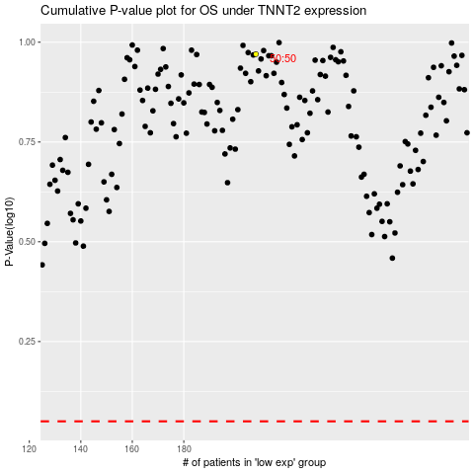

 |  |  |  |  |  | cases_OS | p_OS | rank | exp
 |  |  |  |  |  |  | cases_RFS | p_RFS | rank | exp

