TNPO3 _multivariate
Reported by Tex Li-Hsing Chi. tex@gate.sinica.edu.tw 2019-08-15

Table 2. The clinicopathological features of HNSCC cohort and TNPO3 expression. (Chi square test)
Cutoff at 0.537 (69.6%)
 |  | TNPO3 expression |  | TNPO3 expression |  | (Optimised)
 | Features | Low | (%) | High | (%) | Case no | P-value | Remark | Matthews
Gender | Female | 215 | 51.8 | 91 | 21.9 | 415 | 0.733 | 0 | 0
2 | Male | 74 | 17.8 | 35 | 8.4
Age at diagnosis | <=65y | 194 | 46.7 | 80 | 19.3 | 415 | 0.5442 | 0 | 0
4 | >65y | 95 | 22.9 | 46 | 11.1
Clinical T Status | T1+T2 | 108 | 26 | 41 | 9.9 | 415 | 0.4054 | 0 | 0
6 | T3+T4 | 181 | 43.6 | 85 | 20.5
Clinical N Status | N0 | 150 | 36.1 | 66 | 15.9 | 415 | 1 | 0 | 0
8 | N1-3 | 139 | 33.5 | 60 | 14.5
Clinical M Status | M0 | 288 | 69.4 | 124 | 29.9 | 415 | 0.22 | 0 | 0
10 | M1 | 1 | 0.2 | 2 | 0.5
Clinical Stage | Stage I+II | 75 | 18.1 | 27 | 6.5 | 415 | 0.3898 | 0 | 0
12 | Stage III+IV | 214 | 51.6 | 99 | 23.9
Surgical Margin status | Negative | 220 | 53 | 98 | 23.6 | 415 | 0.8011 | 0 | 0
14 | Positive | 69 | 16.6 | 28 | 6.7
Tobacco Exposure | Low | 121 | 29.2 | 40 | 9.6 | 415 | 0.0624 | 0 | 0
16 | High | 168 | 40.5 | 86 | 20.7

Table 3. Univariate/Multivariate Cox's proportional hazards regression analyses on OS time of TNPO3 gene expression in HNSCC

 |  | Univariate |  |  |  | Multivariate
 | Features | HR | CI95%(L) | CI95%(H) | P-value | HR | CI95%(L) | CI95%(H) | P-value
1 | Female | 1 |  |  |  | 1
Gender | Male | 1.157 | 0.843 | 1.587 | 0.367 | 1.207 | 0.864 | 1.687 | 0.27
11 | <=65y | 1 |  |  |  | 1
Age at diagnosis | >65y | 1.329 | 0.99 | 1.784 | 0.058 | 1.385 | 1.019 | 1.884 | 0.038
12 | T1+T2 | 1 |  |  |  | 1
Clinical T Status | T3+T4 | 1.409 | 1.028 | 1.931 | 0.033 | 2.252 | 1.192 | 4.255 | 0.012
13 | N0 | 1 |  |  |  | 1
Clinical N Status | N1-3 | 1.185 | 0.89 | 1.577 | 0.246 | 1.303 | 0.909 | 1.868 | 0.149
14 | M0 | 1 |  |  |  | 1
Clinical M Status | M1 | 4.097 | 1.009 | 16.644 | 0.049 | 8.638 | 1.881 | 39.68 | 0.006
15 | Stage I+II | 1 |  |  |  | 1
Clinical Stage | Stage III+IV | 1.245 | 0.882 | 1.759 | 0.213 | 0.476 | 0.221 | 1.024 | 0.057
16 | Negative | 1 |  |  |  | 1
Surgical Margin status | Positive | 1.591 | 1.155 | 2.191 | 0.004 | 1.704 | 1.232 | 2.355 | 0.001
17 | Low | 1 |  |  |  | 1
Tobacco Exposure | High | 1.364 | 1.008 | 1.844 | 0.044 | 1.415 | 1.026 | 1.951 | 0.034
18 | Low | 1 |  |  |  | 1
RNAseq(z-score) | High | 1.37 | 1.018 | 1.844 | 0.038 | 1.381 | 1.02 | 1.87 | 0.037

Table 4. Univariate/Multivariate Cox's proportional hazards regression analyses on RFS time of TNPO3 gene expression in HNSCC

 |  | Univariate |  |  |  | Multivariate
 | Features | HR | CI95%(L) | CI95%(H) | P-value | HR | CI95%(L) | CI95%(H) | P-value
1 | Female | 1 |  |  |  | 1
Gender | Male | 1.157 | 0.843 | 1.587 | 0.367 | 1.207 | 0.864 | 1.687 | 0.27
11 | <=65y | 1 |  |  |  | 1
Age at diagnosis | >65y | 1.329 | 0.99 | 1.784 | 0.058 | 1.385 | 1.019 | 1.884 | 0.038
12 | T1+T2 | 1 |  |  |  | 1
Clinical T Status | T3+T4 | 1.409 | 1.028 | 1.931 | 0.033 | 2.252 | 1.192 | 4.255 | 0.012
13 | N0 | 1 |  |  |  | 1
Clinical N Status | N1-3 | 1.185 | 0.89 | 1.577 | 0.246 | 1.303 | 0.909 | 1.868 | 0.149
14 | M0 | 1 |  |  |  | 1
Clinical M Status | M1 | 4.097 | 1.009 | 16.644 | 0.049 | 8.638 | 1.881 | 39.68 | 0.006
15 | Stage I+II | 1 |  |  |  | 1
Clinical Stage | Stage III+IV | 1.245 | 0.882 | 1.759 | 0.213 | 0.476 | 0.221 | 1.024 | 0.057
16 | Negative | 1 |  |  |  | 1
Surgical Margin status | Positive | 1.591 | 1.155 | 2.191 | 0.004 | 1.704 | 1.232 | 2.355 | 0.001
17 | Low | 1 |  |  |  | 1
Tobacco Exposure | High | 1.364 | 1.008 | 1.844 | 0.044 | 1.415 | 1.026 | 1.951 | 0.034
18 | Low | 1 |  |  |  | 1
RNAseq(z-score) | High | 1.37 | 1.018 | 1.844 | 0.038 | 1.381 | 1.02 | 1.87 | 0.037

Kaplan-Meier survival estimate: Cutoff at 0.537 (69.6%)



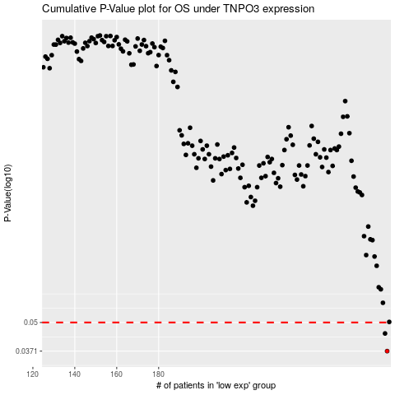

 |  |  |  |  |  | cases_OS | p_OS | rank | exp
 |  |  |  |  |  | 289 | 0.0371 | 67 | 0.53690416962
 |  |  |  |  |  | 288 | 0.0446 | 39 | 0.52346703415
 |  |  |  |  |  |  | cases_RFS | p_RFS | rank | exp
 |  |  |  |  |  |  | 288 | 0.0371 | 39 | 0.52346703415
 |  |  |  |  |  |  | 287 | 0.0446 | 111 | 0.51841014278

