TNRC18 _multivariate
Reported by Tex Li-Hsing Chi. tex@gate.sinica.edu.tw 2019-08-15

Table 2. The clinicopathological features of HNSCC cohort and TNRC18 expression. (Chi square test)
Cutoff at 0.146 (57.2%)
 |  | TNRC18 expression |  | TNRC18 expression |  | (Optimised)
 | Features | Low | (%) | High | (%) | Case no | P-value | Remark | Matthews
Gender | Female | 171 | 41.2 | 135 | 32.5 | 415 | 0.3683 | 0 | 0
2 | Male | 67 | 16.1 | 42 | 10.1
Age at diagnosis | <=65y | 153 | 36.9 | 121 | 29.2 | 415 | 0.4459 | 0 | 0
4 | >65y | 85 | 20.5 | 56 | 13.5
Clinical T Status | T1+T2 | 89 | 21.4 | 60 | 14.5 | 415 | 0.5281 | 0 | 0
6 | T3+T4 | 149 | 35.9 | 117 | 28.2
Clinical N Status | N0 | 128 | 30.8 | 88 | 21.2 | 415 | 0.4714 | 0 | 0
8 | N1-3 | 110 | 26.5 | 89 | 21.4
Clinical M Status | M0 | 238 | 57.3 | 174 | 41.9 | 415 | 0.0768 | 0 | 0
10 | M1 | 0 | 0 | 3 | 0.7
Clinical Stage | Stage I+II | 61 | 14.7 | 41 | 9.9 | 415 | 0.6442 | 0 | 0
12 | Stage III+IV | 177 | 42.7 | 136 | 32.8
Surgical Margin status | Negative | 181 | 43.6 | 137 | 33 | 415 | 0.8148 | 0 | 0
14 | Positive | 57 | 13.7 | 40 | 9.6
Tobacco Exposure | Low | 98 | 23.6 | 63 | 15.2 | 415 | 0.2637 | 0 | 0
16 | High | 140 | 33.7 | 114 | 27.5

Table 3. Univariate/Multivariate Cox's proportional hazards regression analyses on OS time of TNRC18 gene expression in HNSCC

 |  | Univariate |  |  |  | Multivariate
 | Features | HR | CI95%(L) | CI95%(H) | P-value | HR | CI95%(L) | CI95%(H) | P-value
1 | Female | 1 |  |  |  | 1
Gender | Male | 1.157 | 0.843 | 1.587 | 0.367 | 1.225 | 0.876 | 1.713 | 0.235
11 | <=65y | 1 |  |  |  | 1
Age at diagnosis | >65y | 1.329 | 0.99 | 1.784 | 0.058 | 1.421 | 1.044 | 1.934 | 0.026
12 | T1+T2 | 1 |  |  |  | 1
Clinical T Status | T3+T4 | 1.409 | 1.028 | 1.931 | 0.033 | 2.124 | 1.122 | 4.021 | 0.021
13 | N0 | 1 |  |  |  | 1
Clinical N Status | N1-3 | 1.185 | 0.89 | 1.577 | 0.246 | 1.235 | 0.865 | 1.764 | 0.246
14 | M0 | 1 |  |  |  | 1
Clinical M Status | M1 | 4.097 | 1.009 | 16.644 | 0.049 | 7.764 | 1.679 | 35.902 | 0.009
15 | Stage I+II | 1 |  |  |  | 1
Clinical Stage | Stage III+IV | 1.245 | 0.882 | 1.759 | 0.213 | 0.508 | 0.236 | 1.092 | 0.083
16 | Negative | 1 |  |  |  | 1
Surgical Margin status | Positive | 1.591 | 1.155 | 2.191 | 0.004 | 1.67 | 1.209 | 2.308 | 0.002
17 | Low | 1 |  |  |  | 1
Tobacco Exposure | High | 1.364 | 1.008 | 1.844 | 0.044 | 1.445 | 1.049 | 1.991 | 0.024
18 | Low | 1 |  |  |  | 1
RNAseq(z-score) | High | 1.42 | 1.064 | 1.896 | 0.017 | 1.377 | 1.027 | 1.847 | 0.033

Table 4. Univariate/Multivariate Cox's proportional hazards regression analyses on RFS time of TNRC18 gene expression in HNSCC

 |  | Univariate |  |  |  | Multivariate
 | Features | HR | CI95%(L) | CI95%(H) | P-value | HR | CI95%(L) | CI95%(H) | P-value
1 | Female | 1 |  |  |  | 1
Gender | Male | 1.157 | 0.843 | 1.587 | 0.367 | 1.225 | 0.876 | 1.713 | 0.235
11 | <=65y | 1 |  |  |  | 1
Age at diagnosis | >65y | 1.329 | 0.99 | 1.784 | 0.058 | 1.421 | 1.044 | 1.934 | 0.026
12 | T1+T2 | 1 |  |  |  | 1
Clinical T Status | T3+T4 | 1.409 | 1.028 | 1.931 | 0.033 | 2.124 | 1.122 | 4.021 | 0.021
13 | N0 | 1 |  |  |  | 1
Clinical N Status | N1-3 | 1.185 | 0.89 | 1.577 | 0.246 | 1.235 | 0.865 | 1.764 | 0.246
14 | M0 | 1 |  |  |  | 1
Clinical M Status | M1 | 4.097 | 1.009 | 16.644 | 0.049 | 7.764 | 1.679 | 35.902 | 0.009
15 | Stage I+II | 1 |  |  |  | 1
Clinical Stage | Stage III+IV | 1.245 | 0.882 | 1.759 | 0.213 | 0.508 | 0.236 | 1.092 | 0.083
16 | Negative | 1 |  |  |  | 1
Surgical Margin status | Positive | 1.591 | 1.155 | 2.191 | 0.004 | 1.67 | 1.209 | 2.308 | 0.002
17 | Low | 1 |  |  |  | 1
Tobacco Exposure | High | 1.364 | 1.008 | 1.844 | 0.044 | 1.445 | 1.049 | 1.991 | 0.024
18 | Low | 1 |  |  |  | 1
RNAseq(z-score) | High | 1.42 | 1.064 | 1.896 | 0.017 | 1.377 | 1.027 | 1.847 | 0.033

Kaplan-Meier survival estimate: Cutoff at 0.146 (57.2%)

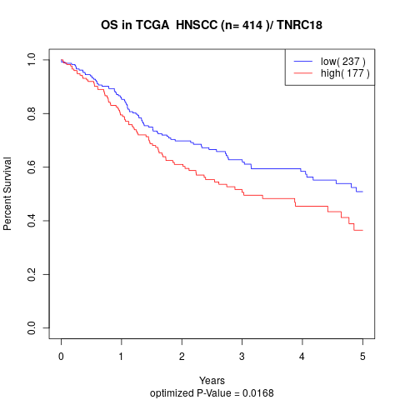

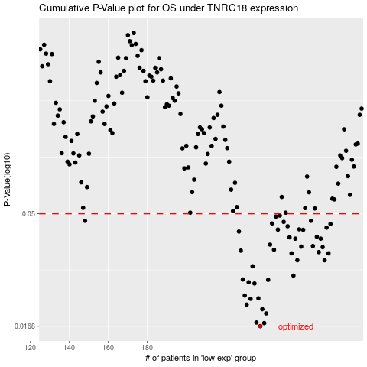

 |  |  |  |  |  | cases_OS | p_OS | rank | exp
 |  |  |  |  |  | 238 | 0.0168 | 153 | 0.14644120586
 |  |  |  |  |  | 240 | 0.0173 | 254 | 0.15994633857
 |  |  |  |  |  | 236 | 0.0174 | 375 | 0.12896603829
 |  |  |  |  |  | 241 | 0.019 | 66 | 0.1614334798
 |  |  |  |  |  | 239 | 0.0198 | 312 | 0.14797749383
 |  |  |  |  |  | 231 | 0.0207 | 249 | 0.098324496704
 |  |  |  |  |  | 233 | 0.0219 | 68 | 0.1187854274
 |  |  |  |  |  | 237 | 0.022 | 105 | 0.13333089844
 |  |  |  |  |  | 230 | 0.0226 | 46 | 0.086878258803
 |  |  |  |  |  | 235 | 0.0254 | 35 | 0.12240789646
 |  |  |  |  |  | 232 | 0.0257 | 336 | 0.11162156175
 |  |  |  |  |  | 242 | 0.0263 | 213 | 0.1648625859
 |  |  |  |  |  | 229 | 0.0264 | 330 | 0.071087212623
 |  |  |  |  |  | 255 | 0.0274 | 239 | 0.19566399203
 |  |  |  |  |  | 234 | 0.03 | 171 | 0.1213855655
 |  |  |  |  |  | 257 | 0.0318 | 62 | 0.1998293557
 |  |  |  |  |  | 271 | 0.0318 | 133 | 0.28488806206
 |  |  |  |  |  | 254 | 0.034 | 135 | 0.19507163612
 |  |  |  |  |  | 273 | 0.034 | 137 | 0.29851963952
 |  |  |  |  |  | 268 | 0.0344 | 275 | 0.25356098233
 |  |  |  |  |  | 228 | 0.0349 | 50 | 0.06854825239
 |  |  |  |  |  | 245 | 0.0352 | 70 | 0.1784027111
 |  |  |  |  |  | 270 | 0.0361 | 388 | 0.27262488728
 |  |  |  |  |  | 259 | 0.0363 | 251 | 0.20465816114
 |  |  |  |  |  | 265 | 0.0365 | 198 | 0.23008283458
 |  |  |  |  |  | 243 | 0.037 | 405 | 0.16853742573
 |  |  |  |  |  | 269 | 0.0392 | 146 | 0.25715199748
 |  |  |  |  |  | 256 | 0.0392 | 168 | 0.19621294152
 |  |  |  |  |  | 253 | 0.0397 | 378 | 0.19399166586
 |  |  |  |  |  | 267 | 0.0399 | 252 | 0.23904169668
 |  |  |  |  |  | 227 | 0.042 | 158 | 0.067369123652
 |  |  |  |  |  | 260 | 0.0427 | 202 | 0.20586520523
 |  |  |  |  |  | 247 | 0.0428 | 142 | 0.18650885749
 |  |  |  |  |  | 258 | 0.0429 | 102 | 0.20247392247
 |  |  |  |  |  | 272 | 0.0436 | 192 | 0.29160355211
 |  |  |  |  |  | 252 | 0.0442 | 352 | 0.19389722547
 |  |  |  |  |  | 274 | 0.0452 | 185 | 0.29997053011
 |  |  |  |  |  | 244 | 0.0454 | 242 | 0.17316413975
 |  |  |  |  |  | 250 | 0.0461 | 256 | 0.1886036884
 |  |  |  |  |  | 148 | 0.0466 | 210 | -0.32922428095
 |  |  |  |  |  | 264 | 0.0466 | 262 | 0.22535342353
 |  |  |  |  |  | 246 | 0.0485 | 353 | 0.18507440157
 |  |  |  |  |  | 248 | 0.049 | 76 | 0.18679162821
 |  |  |  |  |  |  | cases_RFS | p_RFS | rank | exp
 |  |  |  |  |  |  | 237 | 0.0168 | 105 | 0.13333089844
 |  |  |  |  |  |  | 239 | 0.0173 | 312 | 0.14797749383
 |  |  |  |  |  |  | 235 | 0.0174 | 35 | 0.12240789646
 |  |  |  |  |  |  | 240 | 0.019 | 254 | 0.15994633857
 |  |  |  |  |  |  | 238 | 0.0198 | 153 | 0.14644120586
 |  |  |  |  |  |  | 230 | 0.0207 | 46 | 0.086878258803
 |  |  |  |  |  |  | 232 | 0.0219 | 336 | 0.11162156175
 |  |  |  |  |  |  | 236 | 0.022 | 375 | 0.12896603829
 |  |  |  |  |  |  | 229 | 0.0226 | 330 | 0.071087212623
 |  |  |  |  |  |  | 234 | 0.0254 | 171 | 0.1213855655
 |  |  |  |  |  |  | 231 | 0.0257 | 249 | 0.098324496704
 |  |  |  |  |  |  | 241 | 0.0263 | 66 | 0.1614334798
 |  |  |  |  |  |  | 228 | 0.0264 | 50 | 0.06854825239
 |  |  |  |  |  |  | 254 | 0.0274 | 135 | 0.19507163612
 |  |  |  |  |  |  | 233 | 0.03 | 68 | 0.1187854274
 |  |  |  |  |  |  | 256 | 0.0318 | 168 | 0.19621294152
 |  |  |  |  |  |  | 270 | 0.0318 | 388 | 0.27262488728
 |  |  |  |  |  |  | 272 | 0.034 | 192 | 0.29160355211
 |  |  |  |  |  |  | 253 | 0.034 | 378 | 0.19399166586
 |  |  |  |  |  |  | 267 | 0.0344 | 252 | 0.23904169668
 |  |  |  |  |  |  | 227 | 0.0349 | 158 | 0.067369123652
 |  |  |  |  |  |  | 244 | 0.0352 | 242 | 0.17316413975
 |  |  |  |  |  |  | 269 | 0.0361 | 146 | 0.25715199748
 |  |  |  |  |  |  | 258 | 0.0363 | 102 | 0.20247392247
 |  |  |  |  |  |  | 264 | 0.0365 | 262 | 0.22535342353
 |  |  |  |  |  |  | 242 | 0.037 | 213 | 0.1648625859
 |  |  |  |  |  |  | 255 | 0.0392 | 239 | 0.19566399203
 |  |  |  |  |  |  | 268 | 0.0392 | 275 | 0.25356098233
 |  |  |  |  |  |  | 252 | 0.0397 | 352 | 0.19389722547
 |  |  |  |  |  |  | 266 | 0.0399 | 109 | 0.23803123957
 |  |  |  |  |  |  | 226 | 0.042 | 189 | 0.06714485722
 |  |  |  |  |  |  | 259 | 0.0427 | 251 | 0.20465816114
 |  |  |  |  |  |  | 246 | 0.0428 | 353 | 0.18507440157
 |  |  |  |  |  |  | 257 | 0.0429 | 62 | 0.1998293557
 |  |  |  |  |  |  | 271 | 0.0436 | 133 | 0.28488806206
 |  |  |  |  |  |  | 251 | 0.0442 | 367 | 0.19034631407
 |  |  |  |  |  |  | 273 | 0.0452 | 137 | 0.29851963952
 |  |  |  |  |  |  | 243 | 0.0454 | 405 | 0.16853742573
 |  |  |  |  |  |  | 249 | 0.0461 | 40 | 0.18730857334
 |  |  |  |  |  |  | 263 | 0.0466 | 45 | 0.22084049406
 |  |  |  |  |  |  | 147 | 0.0466 | 383 | -0.33385736438
 |  |  |  |  |  |  | 245 | 0.0485 | 70 | 0.1784027111
 |  |  |  |  |  |  | 247 | 0.049 | 142 | 0.18650885749

