TNRC6A _multivariate
Reported by Tex Li-Hsing Chi. tex@gate.sinica.edu.tw 2019-08-15

Table 2. The clinicopathological features of HNSCC cohort and TNRC6A expression. (Chi square test)
Cutoff at 0.324 (64.3%)
 |  | TNRC6A expression |  | TNRC6A expression |  | (Optimised)
 | Features | Low | (%) | High | (%) | Case no | P-value | Remark | Matthews
Gender | Female | 189 | 45.5 | 117 | 28.2 | 415 | 0.086 | 0 | 0
2 | Male | 78 | 18.8 | 31 | 7.5
Age at diagnosis | <=65y | 176 | 42.4 | 98 | 23.6 | 415 | 1 | 0 | 0
4 | >65y | 91 | 21.9 | 50 | 12
Clinical T Status | T1+T2 | 93 | 22.4 | 56 | 13.5 | 415 | 0.6138 | 0 | 0
6 | T3+T4 | 174 | 41.9 | 92 | 22.2
Clinical N Status | N0 | 131 | 31.6 | 85 | 20.5 | 415 | 0.1255 | 0 | 0
8 | N1-3 | 136 | 32.8 | 63 | 15.2
Clinical M Status | M0 | 264 | 63.6 | 148 | 35.7 | 415 | 0.5556 | 0 | 0
10 | M1 | 3 | 0.7 | 0 | 0
Clinical Stage | Stage I+II | 62 | 14.9 | 40 | 9.6 | 415 | 0.4571 | 0 | 0
12 | Stage III+IV | 205 | 49.4 | 108 | 26
Surgical Margin status | Negative | 210 | 50.6 | 108 | 26 | 415 | 0.2258 | 0 | 0
14 | Positive | 57 | 13.7 | 40 | 9.6
Tobacco Exposure | Low | 102 | 24.6 | 59 | 14.2 | 415 | 0.7533 | 0 | 0
16 | High | 165 | 39.8 | 89 | 21.4

Table 3. Univariate/Multivariate Cox's proportional hazards regression analyses on OS time of TNRC6A gene expression in HNSCC

 |  | Univariate |  |  |  | Multivariate
 | Features | HR | CI95%(L) | CI95%(H) | P-value | HR | CI95%(L) | CI95%(H) | P-value
1 | Female | 1 |  |  |  | 1
Gender | Male | 1.157 | 0.843 | 1.587 | 0.367 | 1.136 | 0.812 | 1.591 | 0.456
11 | <=65y | 1 |  |  |  | 1
Age at diagnosis | >65y | 1.329 | 0.99 | 1.784 | 0.058 | 1.422 | 1.047 | 1.931 | 0.024
12 | T1+T2 | 1 |  |  |  | 1
Clinical T Status | T3+T4 | 1.409 | 1.028 | 1.931 | 0.033 | 2.155 | 1.14 | 4.074 | 0.018
13 | N0 | 1 |  |  |  | 1
Clinical N Status | N1-3 | 1.185 | 0.89 | 1.577 | 0.246 | 1.199 | 0.84 | 1.712 | 0.317
14 | M0 | 1 |  |  |  | 1
Clinical M Status | M1 | 4.097 | 1.009 | 16.644 | 0.049 | 8.215 | 1.788 | 37.754 | 0.007
15 | Stage I+II | 1 |  |  |  | 1
Clinical Stage | Stage III+IV | 1.245 | 0.882 | 1.759 | 0.213 | 0.51 | 0.238 | 1.094 | 0.084
16 | Negative | 1 |  |  |  | 1
Surgical Margin status | Positive | 1.591 | 1.155 | 2.191 | 0.004 | 1.706 | 1.235 | 2.356 | 0.001
17 | Low | 1 |  |  |  | 1
Tobacco Exposure | High | 1.364 | 1.008 | 1.844 | 0.044 | 1.418 | 1.03 | 1.951 | 0.032
18 | Low | 1 |  |  |  | 1
RNAseq(z-score) | High | 0.668 | 0.487 | 0.916 | 0.012 | 0.687 | 0.497 | 0.948 | 0.022

Table 4. Univariate/Multivariate Cox's proportional hazards regression analyses on RFS time of TNRC6A gene expression in HNSCC

 |  | Univariate |  |  |  | Multivariate
 | Features | HR | CI95%(L) | CI95%(H) | P-value | HR | CI95%(L) | CI95%(H) | P-value
1 | Female | 1 |  |  |  | 1
Gender | Male | 1.157 | 0.843 | 1.587 | 0.367 | 1.136 | 0.812 | 1.591 | 0.456
11 | <=65y | 1 |  |  |  | 1
Age at diagnosis | >65y | 1.329 | 0.99 | 1.784 | 0.058 | 1.422 | 1.047 | 1.931 | 0.024
12 | T1+T2 | 1 |  |  |  | 1
Clinical T Status | T3+T4 | 1.409 | 1.028 | 1.931 | 0.033 | 2.155 | 1.14 | 4.074 | 0.018
13 | N0 | 1 |  |  |  | 1
Clinical N Status | N1-3 | 1.185 | 0.89 | 1.577 | 0.246 | 1.199 | 0.84 | 1.712 | 0.317
14 | M0 | 1 |  |  |  | 1
Clinical M Status | M1 | 4.097 | 1.009 | 16.644 | 0.049 | 8.215 | 1.788 | 37.754 | 0.007
15 | Stage I+II | 1 |  |  |  | 1
Clinical Stage | Stage III+IV | 1.245 | 0.882 | 1.759 | 0.213 | 0.51 | 0.238 | 1.094 | 0.084
16 | Negative | 1 |  |  |  | 1
Surgical Margin status | Positive | 1.591 | 1.155 | 2.191 | 0.004 | 1.706 | 1.235 | 2.356 | 0.001
17 | Low | 1 |  |  |  | 1
Tobacco Exposure | High | 1.364 | 1.008 | 1.844 | 0.044 | 1.418 | 1.03 | 1.951 | 0.032
18 | Low | 1 |  |  |  | 1
RNAseq(z-score) | High | 0.668 | 0.487 | 0.916 | 0.012 | 0.687 | 0.497 | 0.948 | 0.022

Kaplan-Meier survival estimate: Cutoff at 0.324 (64.3%)

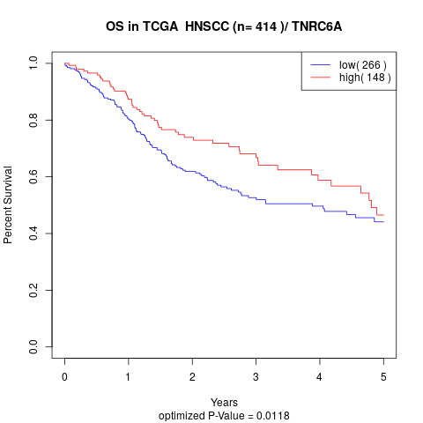

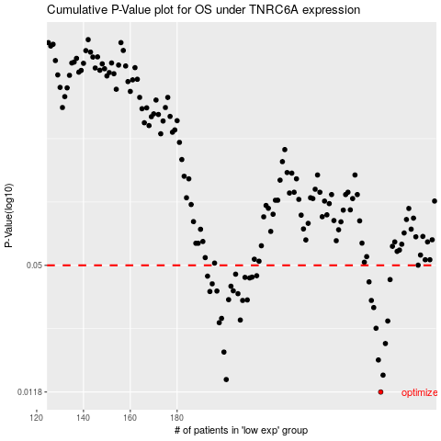

 |  |  |  |  |  | cases_OS | p_OS | rank | exp
 |  |  |  |  |  | 267 | 0.0118 | 17 | 0.32439369294
 |  |  |  |  |  | 201 | 0.0136 | 271 | -0.00020377539274
 |  |  |  |  |  | 268 | 0.0143 | 110 | 0.32963855949
 |  |  |  |  |  | 266 | 0.017 | 148 | 0.32109810067
 |  |  |  |  |  | 200 | 0.0186 | 227 | -0.0052075250423
 |  |  |  |  |  | 269 | 0.0205 | 242 | 0.33206088214
 |  |  |  |  |  | 265 | 0.0244 | 191 | 0.30474807886
 |  |  |  |  |  | 198 | 0.026 | 27 | -0.0096122550328
 |  |  |  |  |  | 270 | 0.0265 | 26 | 0.3582704526
 |  |  |  |  |  | 207 | 0.0268 | 192 | 0.051504808805
 |  |  |  |  |  | 199 | 0.0273 | 297 | -0.0088059076494
 |  |  |  |  |  | 264 | 0.0309 | 202 | 0.29622402256
 |  |  |  |  |  | 208 | 0.0335 | 45 | 0.052000492652
 |  |  |  |  |  | 263 | 0.0335 | 279 | 0.29164312961
 |  |  |  |  |  | 210 | 0.0337 | 109 | 0.071291812516
 |  |  |  |  |  | 202 | 0.0338 | 171 | 0.0011868293909
 |  |  |  |  |  | 206 | 0.0362 | 66 | 0.025732857305
 |  |  |  |  |  | 194 | 0.0371 | 318 | -0.031241260599
 |  |  |  |  |  | 197 | 0.0373 | 198 | -0.012241905409
 |  |  |  |  |  | 204 | 0.0374 | 160 | 0.022506155571
 |  |  |  |  |  | 203 | 0.0394 | 218 | 0.0052805677949
 |  |  |  |  |  | 195 | 0.0405 | 399 | -0.028569291747
 |  |  |  |  |  | 262 | 0.0414 | 90 | 0.27268445264
 |  |  |  |  |  | 271 | 0.0425 | 232 | 0.36548460447
 |  |  |  |  |  | 211 | 0.0433 | 306 | 0.072089630595
 |  |  |  |  |  | 209 | 0.0436 | 208 | 0.06382506199
 |  |  |  |  |  | 212 | 0.0437 | 126 | 0.074957117363
 |  |  |  |  |  | 193 | 0.0442 | 323 | -0.032618743374
 |  |  |  |  |  | 214 | 0.0444 | 167 | 0.077390593722
 |  |  |  |  |  | 205 | 0.0452 | 260 | 0.024013874275
 |  |  |  |  |  |  | cases_RFS | p_RFS | rank | exp
 |  |  |  |  |  |  | 266 | 0.0118 | 148 | 0.32109810067
 |  |  |  |  |  |  | 200 | 0.0136 | 227 | -0.0052075250423
 |  |  |  |  |  |  | 267 | 0.0143 | 17 | 0.32439369294
 |  |  |  |  |  |  | 265 | 0.017 | 191 | 0.30474807886
 |  |  |  |  |  |  | 199 | 0.0186 | 297 | -0.0088059076494
 |  |  |  |  |  |  | 268 | 0.0205 | 110 | 0.32963855949
 |  |  |  |  |  |  | 264 | 0.0244 | 202 | 0.29622402256
 |  |  |  |  |  |  | 197 | 0.026 | 198 | -0.012241905409
 |  |  |  |  |  |  | 269 | 0.0265 | 242 | 0.33206088214
 |  |  |  |  |  |  | 206 | 0.0268 | 66 | 0.025732857305
 |  |  |  |  |  |  | 198 | 0.0273 | 27 | -0.0096122550328
 |  |  |  |  |  |  | 263 | 0.0309 | 279 | 0.29164312961
 |  |  |  |  |  |  | 262 | 0.0335 | 90 | 0.27268445264
 |  |  |  |  |  |  | 207 | 0.0335 | 192 | 0.051504808805
 |  |  |  |  |  |  | 209 | 0.0337 | 208 | 0.06382506199
 |  |  |  |  |  |  | 201 | 0.0338 | 271 | -0.00020377539274
 |  |  |  |  |  |  | 205 | 0.0362 | 260 | 0.024013874275
 |  |  |  |  |  |  | 193 | 0.0371 | 323 | -0.032618743374
 |  |  |  |  |  |  | 196 | 0.0373 | 289 | -0.022343555115
 |  |  |  |  |  |  | 203 | 0.0374 | 218 | 0.0052805677949
 |  |  |  |  |  |  | 202 | 0.0394 | 171 | 0.0011868293909
 |  |  |  |  |  |  | 194 | 0.0405 | 318 | -0.031241260599
 |  |  |  |  |  |  | 261 | 0.0414 | 207 | 0.27201851074
 |  |  |  |  |  |  | 270 | 0.0425 | 26 | 0.3582704526
 |  |  |  |  |  |  | 210 | 0.0433 | 109 | 0.071291812516
 |  |  |  |  |  |  | 208 | 0.0436 | 45 | 0.052000492652
 |  |  |  |  |  |  | 211 | 0.0437 | 306 | 0.072089630595
 |  |  |  |  |  |  | 192 | 0.0442 | 161 | -0.038095541408
 |  |  |  |  |  |  | 213 | 0.0444 | 4 | 0.077324655633
 |  |  |  |  |  |  | 204 | 0.0452 | 160 | 0.022506155571

