TNRC6B _multivariate
Reported by Tex Li-Hsing Chi. tex@gate.sinica.edu.tw 2019-08-15

Table 2. The clinicopathological features of HNSCC cohort and TNRC6B expression. (Chi square test)
Cutoff at -0.072 (49.8%)
 |  | TNRC6B expression |  | TNRC6B expression |  | (Optimised)
 | Features | Low | (%) | High | (%) | Case no | P-value | Remark | Matthews
Gender | Female | 144 | 34.7 | 162 | 39 | 415 | 0.0697 | 0 | 0
2 | Male | 63 | 15.2 | 46 | 11.1
Age at diagnosis | <=65y | 133 | 32 | 141 | 34 | 415 | 0.5111 | 0 | 0
4 | >65y | 74 | 17.8 | 67 | 16.1
Clinical T Status | T1+T2 | 73 | 17.6 | 76 | 18.3 | 415 | 0.8666 | 0 | 0
6 | T3+T4 | 134 | 32.3 | 132 | 31.8
Clinical N Status | N0 | 107 | 25.8 | 109 | 26.3 | 415 | 0.9624 | 0 | 0
8 | N1-3 | 100 | 24.1 | 99 | 23.9
Clinical M Status | M0 | 204 | 49.2 | 208 | 50.1 | 415 | 0.1232 | 0 | 0
10 | M1 | 3 | 0.7 | 0 | 0
Clinical Stage | Stage I+II | 54 | 13 | 48 | 11.6 | 415 | 0.5498 | 0 | 0
12 | Stage III+IV | 153 | 36.9 | 160 | 38.6
Surgical Margin status | Negative | 161 | 38.8 | 157 | 37.8 | 415 | 0.6429 | 0 | 0
14 | Positive | 46 | 11.1 | 51 | 12.3
Tobacco Exposure | Low | 85 | 20.5 | 76 | 18.3 | 415 | 0.3655 | 0 | 0
16 | High | 122 | 29.4 | 132 | 31.8

Table 3. Univariate/Multivariate Cox's proportional hazards regression analyses on OS time of TNRC6B gene expression in HNSCC

 |  | Univariate |  |  |  | Multivariate
 | Features | HR | CI95%(L) | CI95%(H) | P-value | HR | CI95%(L) | CI95%(H) | P-value
1 | Female | 1 |  |  |  | 1
Gender | Male | 1.157 | 0.843 | 1.587 | 0.367 | 1.198 | 0.855 | 1.678 | 0.294
11 | <=65y | 1 |  |  |  | 1
Age at diagnosis | >65y | 1.329 | 0.99 | 1.784 | 0.058 | 1.39 | 1.021 | 1.89 | 0.036
12 | T1+T2 | 1 |  |  |  | 1
Clinical T Status | T3+T4 | 1.409 | 1.028 | 1.931 | 0.033 | 2.192 | 1.156 | 4.156 | 0.016
13 | N0 | 1 |  |  |  | 1
Clinical N Status | N1-3 | 1.185 | 0.89 | 1.577 | 0.246 | 1.237 | 0.865 | 1.769 | 0.243
14 | M0 | 1 |  |  |  | 1
Clinical M Status | M1 | 4.097 | 1.009 | 16.644 | 0.049 | 9.255 | 1.99 | 43.038 | 0.005
15 | Stage I+II | 1 |  |  |  | 1
Clinical Stage | Stage III+IV | 1.245 | 0.882 | 1.759 | 0.213 | 0.508 | 0.235 | 1.098 | 0.085
16 | Negative | 1 |  |  |  | 1
Surgical Margin status | Positive | 1.591 | 1.155 | 2.191 | 0.004 | 1.671 | 1.209 | 2.308 | 0.002
17 | Low | 1 |  |  |  | 1
Tobacco Exposure | High | 1.364 | 1.008 | 1.844 | 0.044 | 1.454 | 1.055 | 2.003 | 0.022
18 | Low | 1 |  |  |  | 1
RNAseq(z-score) | High | 0.897 | 0.672 | 1.196 | 0.458 | 0.977 | 0.726 | 1.316 | 0.88

Table 4. Univariate/Multivariate Cox's proportional hazards regression analyses on RFS time of TNRC6B gene expression in HNSCC

 |  | Univariate |  |  |  | Multivariate
 | Features | HR | CI95%(L) | CI95%(H) | P-value | HR | CI95%(L) | CI95%(H) | P-value
1 | Female | 1 |  |  |  | 1
Gender | Male | 1.157 | 0.843 | 1.587 | 0.367 | 1.198 | 0.855 | 1.678 | 0.294
11 | <=65y | 1 |  |  |  | 1
Age at diagnosis | >65y | 1.329 | 0.99 | 1.784 | 0.058 | 1.39 | 1.021 | 1.89 | 0.036
12 | T1+T2 | 1 |  |  |  | 1
Clinical T Status | T3+T4 | 1.409 | 1.028 | 1.931 | 0.033 | 2.192 | 1.156 | 4.156 | 0.016
13 | N0 | 1 |  |  |  | 1
Clinical N Status | N1-3 | 1.185 | 0.89 | 1.577 | 0.246 | 1.237 | 0.865 | 1.769 | 0.243
14 | M0 | 1 |  |  |  | 1
Clinical M Status | M1 | 4.097 | 1.009 | 16.644 | 0.049 | 9.255 | 1.99 | 43.038 | 0.005
15 | Stage I+II | 1 |  |  |  | 1
Clinical Stage | Stage III+IV | 1.245 | 0.882 | 1.759 | 0.213 | 0.508 | 0.235 | 1.098 | 0.085
16 | Negative | 1 |  |  |  | 1
Surgical Margin status | Positive | 1.591 | 1.155 | 2.191 | 0.004 | 1.671 | 1.209 | 2.308 | 0.002
17 | Low | 1 |  |  |  | 1
Tobacco Exposure | High | 1.364 | 1.008 | 1.844 | 0.044 | 1.454 | 1.055 | 2.003 | 0.022
18 | Low | 1 |  |  |  | 1
RNAseq(z-score) | High | 0.897 | 0.672 | 1.196 | 0.458 | 0.977 | 0.726 | 1.316 | 0.88

Kaplan-Meier survival estimate: Cutoff at -0.072 (49.8%)



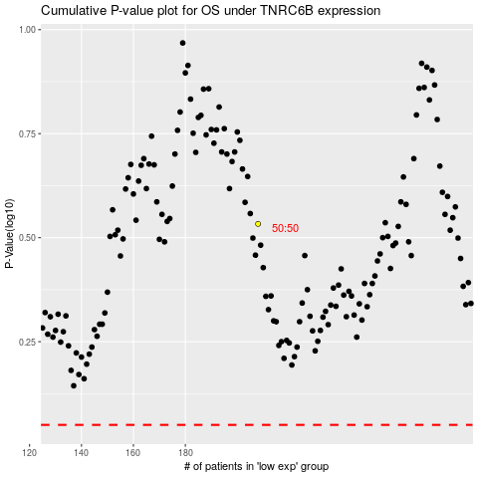

 |  |  |  |  |  | cases_OS | p_OS | rank | exp
 |  |  |  |  |  |  | cases_RFS | p_RFS | rank | exp

