TNS1 _multivariate
Reported by Tex Li-Hsing Chi. tex@gate.sinica.edu.tw 2019-08-15

Table 2. The clinicopathological features of HNSCC cohort and TNS1 expression. (Chi square test)
Cutoff at -0.573 (30.7%)
 |  | TNS1 expression |  | TNS1 expression |  | (Optimised)
 | Features | Low | (%) | High | (%) | Case no | P-value | Remark | Matthews
Gender | Female | 93 | 22.4 | 213 | 51.3 | 415 | 0.9723 | 0 | 0
2 | Male | 34 | 8.2 | 75 | 18.1
Age at diagnosis | <=65y | 79 | 19 | 195 | 47 | 415 | 0.3279 | 0 | 0
4 | >65y | 48 | 11.6 | 93 | 22.4
Clinical T Status | T1+T2 | 39 | 9.4 | 110 | 26.5 | 415 | 0.1758 | 0 | 0
6 | T3+T4 | 88 | 21.2 | 178 | 42.9
Clinical N Status | N0 | 66 | 15.9 | 150 | 36.1 | 415 | 1 | 0 | 0
8 | N1-3 | 61 | 14.7 | 138 | 33.3
Clinical M Status | M0 | 124 | 29.9 | 288 | 69.4 | 415 | 0.0282 | 1 | 0
10 | M1 | 3 | 0.7 | 0 | 0
Clinical Stage | Stage I+II | 27 | 6.5 | 75 | 18.1 | 415 | 0.3581 | 0 | 0
12 | Stage III+IV | 100 | 24.1 | 213 | 51.3
Surgical Margin status | Negative | 93 | 22.4 | 225 | 54.2 | 415 | 0.3141 | 0 | 0
14 | Positive | 34 | 8.2 | 63 | 15.2
Tobacco Exposure | Low | 61 | 14.7 | 100 | 24.1 | 415 | 0.012 | 1 | 0
16 | High | 66 | 15.9 | 188 | 45.3

Table 3. Univariate/Multivariate Cox's proportional hazards regression analyses on OS time of TNS1 gene expression in HNSCC

 |  | Univariate |  |  |  | Multivariate
 | Features | HR | CI95%(L) | CI95%(H) | P-value | HR | CI95%(L) | CI95%(H) | P-value
1 | Female | 1 |  |  |  | 1
Gender | Male | 1.157 | 0.843 | 1.587 | 0.367 | 1.18 | 0.843 | 1.65 | 0.335
11 | <=65y | 1 |  |  |  | 1
Age at diagnosis | >65y | 1.329 | 0.99 | 1.784 | 0.058 | 1.39 | 1.022 | 1.889 | 0.036
12 | T1+T2 | 1 |  |  |  | 1
Clinical T Status | T3+T4 | 1.409 | 1.028 | 1.931 | 0.033 | 2.229 | 1.18 | 4.212 | 0.014
13 | N0 | 1 |  |  |  | 1
Clinical N Status | N1-3 | 1.185 | 0.89 | 1.577 | 0.246 | 1.24 | 0.869 | 1.769 | 0.236
14 | M0 | 1 |  |  |  | 1
Clinical M Status | M1 | 4.097 | 1.009 | 16.644 | 0.049 | 7.665 | 1.653 | 35.545 | 0.009
15 | Stage I+II | 1 |  |  |  | 1
Clinical Stage | Stage III+IV | 1.245 | 0.882 | 1.759 | 0.213 | 0.491 | 0.229 | 1.053 | 0.068
16 | Negative | 1 |  |  |  | 1
Surgical Margin status | Positive | 1.591 | 1.155 | 2.191 | 0.004 | 1.664 | 1.203 | 2.3 | 0.002
17 | Low | 1 |  |  |  | 1
Tobacco Exposure | High | 1.364 | 1.008 | 1.844 | 0.044 | 1.545 | 1.113 | 2.145 | 0.009
18 | Low | 1 |  |  |  | 1
RNAseq(z-score) | High | 0.734 | 0.543 | 0.992 | 0.044 | 0.718 | 0.525 | 0.981 | 0.038

Table 4. Univariate/Multivariate Cox's proportional hazards regression analyses on RFS time of TNS1 gene expression in HNSCC

 |  | Univariate |  |  |  | Multivariate
 | Features | HR | CI95%(L) | CI95%(H) | P-value | HR | CI95%(L) | CI95%(H) | P-value
1 | Female | 1 |  |  |  | 1
Gender | Male | 1.157 | 0.843 | 1.587 | 0.367 | 1.18 | 0.843 | 1.65 | 0.335
11 | <=65y | 1 |  |  |  | 1
Age at diagnosis | >65y | 1.329 | 0.99 | 1.784 | 0.058 | 1.39 | 1.022 | 1.889 | 0.036
12 | T1+T2 | 1 |  |  |  | 1
Clinical T Status | T3+T4 | 1.409 | 1.028 | 1.931 | 0.033 | 2.229 | 1.18 | 4.212 | 0.014
13 | N0 | 1 |  |  |  | 1
Clinical N Status | N1-3 | 1.185 | 0.89 | 1.577 | 0.246 | 1.24 | 0.869 | 1.769 | 0.236
14 | M0 | 1 |  |  |  | 1
Clinical M Status | M1 | 4.097 | 1.009 | 16.644 | 0.049 | 7.665 | 1.653 | 35.545 | 0.009
15 | Stage I+II | 1 |  |  |  | 1
Clinical Stage | Stage III+IV | 1.245 | 0.882 | 1.759 | 0.213 | 0.491 | 0.229 | 1.053 | 0.068
16 | Negative | 1 |  |  |  | 1
Surgical Margin status | Positive | 1.591 | 1.155 | 2.191 | 0.004 | 1.664 | 1.203 | 2.3 | 0.002
17 | Low | 1 |  |  |  | 1
Tobacco Exposure | High | 1.364 | 1.008 | 1.844 | 0.044 | 1.545 | 1.113 | 2.145 | 0.009
18 | Low | 1 |  |  |  | 1
RNAseq(z-score) | High | 0.734 | 0.543 | 0.992 | 0.044 | 0.718 | 0.525 | 0.981 | 0.038

Kaplan-Meier survival estimate: Cutoff at -0.573 (30.7%)



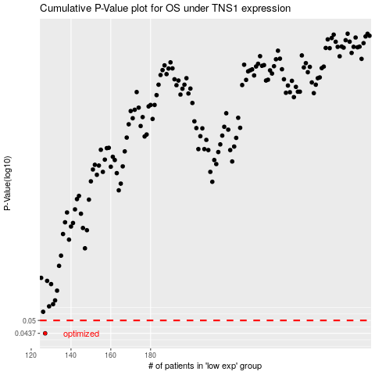

 |  |  |  |  |  | cases_OS | p_OS | rank | exp
 |  |  |  |  |  | 127 | 0.0437 | 177 | -0.57297068089
 |  |  |  |  |  |  | cases_RFS | p_RFS | rank | exp
 |  |  |  |  |  |  | 126 | 0.0437 | 414 | -0.57645913176

